UQCR11 _multivariate
Reported by Tex Li-Hsing Chi. tex@gate.sinica.edu.tw 2019-08-15

Table 2. The clinicopathological features of HNSCC cohort and UQCR11 expression. (Chi square test)
Cutoff at -0.319 (50.0%)
 |  | UQCR11 expression |  | UQCR11 expression |  | (Optimised)
 | Features | Low | (%) | High | (%) | Case no | P-value | Remark | Matthews
Gender | Female | 150 | 36.1 | 156 | 37.6 | 415 | 0.6344 | 0 | 0
2 | Male | 57 | 13.7 | 52 | 12.5
Age at diagnosis | <=65y | 137 | 33 | 137 | 33 | 415 | 1 | 0 | 0
4 | >65y | 70 | 16.9 | 71 | 17.1
Clinical T Status | T1+T2 | 77 | 18.6 | 72 | 17.3 | 415 | 0.6556 | 0 | 0
6 | T3+T4 | 130 | 31.3 | 136 | 32.8
Clinical N Status | N0 | 107 | 25.8 | 109 | 26.3 | 415 | 0.9624 | 0 | 0
8 | N1-3 | 100 | 24.1 | 99 | 23.9
Clinical M Status | M0 | 205 | 49.4 | 207 | 49.9 | 415 | 0.6232 | 0 | 0
10 | M1 | 2 | 0.5 | 1 | 0.2
Clinical Stage | Stage I+II | 51 | 12.3 | 51 | 12.3 | 415 | 1 | 0 | 0
12 | Stage III+IV | 156 | 37.6 | 157 | 37.8
Surgical Margin status | Negative | 161 | 38.8 | 157 | 37.8 | 415 | 0.6429 | 0 | 0
14 | Positive | 46 | 11.1 | 51 | 12.3
Tobacco Exposure | Low | 84 | 20.2 | 77 | 18.6 | 415 | 0.4816 | 0 | 0
16 | High | 123 | 29.6 | 131 | 31.6

Table 3. Univariate/Multivariate Cox's proportional hazards regression analyses on OS time of UQCR11 gene expression in HNSCC

 |  | Univariate |  |  |  | Multivariate
 | Features | HR | CI95%(L) | CI95%(H) | P-value | HR | CI95%(L) | CI95%(H) | P-value
1 | Female | 1 |  |  |  | 1
Gender | Male | 1.157 | 0.843 | 1.587 | 0.367 | 1.197 | 0.856 | 1.672 | 0.293
11 | <=65y | 1 |  |  |  | 1
Age at diagnosis | >65y | 1.329 | 0.99 | 1.784 | 0.058 | 1.392 | 1.024 | 1.892 | 0.035
12 | T1+T2 | 1 |  |  |  | 1
Clinical T Status | T3+T4 | 1.409 | 1.028 | 1.931 | 0.033 | 2.193 | 1.16 | 4.147 | 0.016
13 | N0 | 1 |  |  |  | 1
Clinical N Status | N1-3 | 1.185 | 0.89 | 1.577 | 0.246 | 1.235 | 0.865 | 1.762 | 0.246
14 | M0 | 1 |  |  |  | 1
Clinical M Status | M1 | 4.097 | 1.009 | 16.644 | 0.049 | 9.424 | 2.056 | 43.197 | 0.004
15 | Stage I+II | 1 |  |  |  | 1
Clinical Stage | Stage III+IV | 1.245 | 0.882 | 1.759 | 0.213 | 0.508 | 0.237 | 1.091 | 0.083
16 | Negative | 1 |  |  |  | 1
Surgical Margin status | Positive | 1.591 | 1.155 | 2.191 | 0.004 | 1.664 | 1.204 | 2.301 | 0.002
17 | Low | 1 |  |  |  | 1
Tobacco Exposure | High | 1.364 | 1.008 | 1.844 | 0.044 | 1.446 | 1.05 | 1.993 | 0.024
18 | Low | 1 |  |  |  | 1
RNAseq(z-score) | High | 1.133 | 0.851 | 1.509 | 0.393 | 1.073 | 0.804 | 1.433 | 0.633

Table 4. Univariate/Multivariate Cox's proportional hazards regression analyses on RFS time of UQCR11 gene expression in HNSCC

 |  | Univariate |  |  |  | Multivariate
 | Features | HR | CI95%(L) | CI95%(H) | P-value | HR | CI95%(L) | CI95%(H) | P-value
1 | Female | 1 |  |  |  | 1
Gender | Male | 1.157 | 0.843 | 1.587 | 0.367 | 1.197 | 0.856 | 1.672 | 0.293
11 | <=65y | 1 |  |  |  | 1
Age at diagnosis | >65y | 1.329 | 0.99 | 1.784 | 0.058 | 1.392 | 1.024 | 1.892 | 0.035
12 | T1+T2 | 1 |  |  |  | 1
Clinical T Status | T3+T4 | 1.409 | 1.028 | 1.931 | 0.033 | 2.193 | 1.16 | 4.147 | 0.016
13 | N0 | 1 |  |  |  | 1
Clinical N Status | N1-3 | 1.185 | 0.89 | 1.577 | 0.246 | 1.235 | 0.865 | 1.762 | 0.246
14 | M0 | 1 |  |  |  | 1
Clinical M Status | M1 | 4.097 | 1.009 | 16.644 | 0.049 | 9.424 | 2.056 | 43.197 | 0.004
15 | Stage I+II | 1 |  |  |  | 1
Clinical Stage | Stage III+IV | 1.245 | 0.882 | 1.759 | 0.213 | 0.508 | 0.237 | 1.091 | 0.083
16 | Negative | 1 |  |  |  | 1
Surgical Margin status | Positive | 1.591 | 1.155 | 2.191 | 0.004 | 1.664 | 1.204 | 2.301 | 0.002
17 | Low | 1 |  |  |  | 1
Tobacco Exposure | High | 1.364 | 1.008 | 1.844 | 0.044 | 1.446 | 1.05 | 1.993 | 0.024
18 | Low | 1 |  |  |  | 1
RNAseq(z-score) | High | 1.133 | 0.851 | 1.509 | 0.393 | 1.073 | 0.804 | 1.433 | 0.633

Kaplan-Meier survival estimate: Cutoff at -0.319 (50.0%)



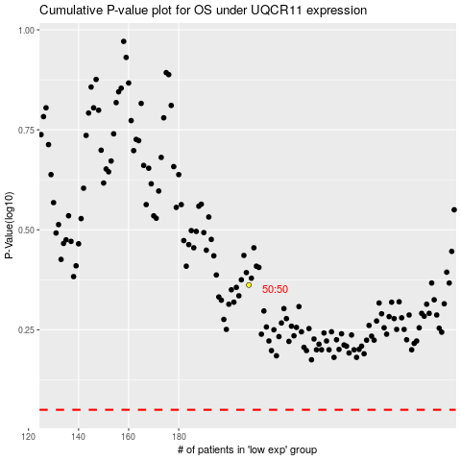

 |  |  |  |  |  | cases_OS | p_OS | rank | exp
 |  |  |  |  |  |  | cases_RFS | p_RFS | rank | exp

