UQCRFS1 _multivariate
Reported by Tex Li-Hsing Chi. tex@gate.sinica.edu.tw 2019-08-15

Table 2. The clinicopathological features of HNSCC cohort and UQCRFS1 expression. (Chi square test)
Cutoff at -0.181 (60.6%)
 |  | UQCRFS1 expression |  | UQCRFS1 expression |  | (Optimised)
 | Features | Low | (%) | High | (%) | Case no | P-value | Remark | Matthews
Gender | Female | 179 | 43.1 | 127 | 30.6 | 415 | 0.2034 | 0 | 0
2 | Male | 72 | 17.3 | 37 | 8.9
Age at diagnosis | <=65y | 174 | 41.9 | 100 | 24.1 | 415 | 0.0991 | 0 | 0
4 | >65y | 77 | 18.6 | 64 | 15.4
Clinical T Status | T1+T2 | 95 | 22.9 | 54 | 13 | 415 | 0.3591 | 0 | 0
6 | T3+T4 | 156 | 37.6 | 110 | 26.5
Clinical N Status | N0 | 136 | 32.8 | 80 | 19.3 | 415 | 0.3288 | 0 | 0
8 | N1-3 | 115 | 27.7 | 84 | 20.2
Clinical M Status | M0 | 250 | 60.2 | 162 | 39 | 415 | 0.5649 | 0 | 0
10 | M1 | 1 | 0.2 | 2 | 0.5
Clinical Stage | Stage I+II | 67 | 16.1 | 35 | 8.4 | 415 | 0.2621 | 0 | 0
12 | Stage III+IV | 184 | 44.3 | 129 | 31.1
Surgical Margin status | Negative | 192 | 46.3 | 126 | 30.4 | 415 | 1 | 0 | 0
14 | Positive | 59 | 14.2 | 38 | 9.2
Tobacco Exposure | Low | 109 | 26.3 | 52 | 12.5 | 415 | 0.018 | 1 | 0
16 | High | 142 | 34.2 | 112 | 27

Table 3. Univariate/Multivariate Cox's proportional hazards regression analyses on OS time of UQCRFS1 gene expression in HNSCC

 |  | Univariate |  |  |  | Multivariate
 | Features | HR | CI95%(L) | CI95%(H) | P-value | HR | CI95%(L) | CI95%(H) | P-value
1 | Female | 1 |  |  |  | 1
Gender | Male | 1.157 | 0.843 | 1.587 | 0.367 | 1.213 | 0.867 | 1.697 | 0.259
11 | <=65y | 1 |  |  |  | 1
Age at diagnosis | >65y | 1.329 | 0.99 | 1.784 | 0.058 | 1.36 | 0.999 | 1.853 | 0.051
12 | T1+T2 | 1 |  |  |  | 1
Clinical T Status | T3+T4 | 1.409 | 1.028 | 1.931 | 0.033 | 2.183 | 1.155 | 4.125 | 0.016
13 | N0 | 1 |  |  |  | 1
Clinical N Status | N1-3 | 1.185 | 0.89 | 1.577 | 0.246 | 1.216 | 0.851 | 1.737 | 0.282
14 | M0 | 1 |  |  |  | 1
Clinical M Status | M1 | 4.097 | 1.009 | 16.644 | 0.049 | 8.695 | 1.887 | 40.067 | 0.006
15 | Stage I+II | 1 |  |  |  | 1
Clinical Stage | Stage III+IV | 1.245 | 0.882 | 1.759 | 0.213 | 0.511 | 0.238 | 1.097 | 0.085
16 | Negative | 1 |  |  |  | 1
Surgical Margin status | Positive | 1.591 | 1.155 | 2.191 | 0.004 | 1.663 | 1.204 | 2.297 | 0.002
17 | Low | 1 |  |  |  | 1
Tobacco Exposure | High | 1.364 | 1.008 | 1.844 | 0.044 | 1.409 | 1.019 | 1.949 | 0.038
18 | Low | 1 |  |  |  | 1
RNAseq(z-score) | High | 1.347 | 1.007 | 1.802 | 0.045 | 1.206 | 0.893 | 1.627 | 0.222

Table 4. Univariate/Multivariate Cox's proportional hazards regression analyses on RFS time of UQCRFS1 gene expression in HNSCC

 |  | Univariate |  |  |  | Multivariate
 | Features | HR | CI95%(L) | CI95%(H) | P-value | HR | CI95%(L) | CI95%(H) | P-value
1 | Female | 1 |  |  |  | 1
Gender | Male | 1.157 | 0.843 | 1.587 | 0.367 | 1.213 | 0.867 | 1.697 | 0.259
11 | <=65y | 1 |  |  |  | 1
Age at diagnosis | >65y | 1.329 | 0.99 | 1.784 | 0.058 | 1.36 | 0.999 | 1.853 | 0.051
12 | T1+T2 | 1 |  |  |  | 1
Clinical T Status | T3+T4 | 1.409 | 1.028 | 1.931 | 0.033 | 2.183 | 1.155 | 4.125 | 0.016
13 | N0 | 1 |  |  |  | 1
Clinical N Status | N1-3 | 1.185 | 0.89 | 1.577 | 0.246 | 1.216 | 0.851 | 1.737 | 0.282
14 | M0 | 1 |  |  |  | 1
Clinical M Status | M1 | 4.097 | 1.009 | 16.644 | 0.049 | 8.695 | 1.887 | 40.067 | 0.006
15 | Stage I+II | 1 |  |  |  | 1
Clinical Stage | Stage III+IV | 1.245 | 0.882 | 1.759 | 0.213 | 0.511 | 0.238 | 1.097 | 0.085
16 | Negative | 1 |  |  |  | 1
Surgical Margin status | Positive | 1.591 | 1.155 | 2.191 | 0.004 | 1.663 | 1.204 | 2.297 | 0.002
17 | Low | 1 |  |  |  | 1
Tobacco Exposure | High | 1.364 | 1.008 | 1.844 | 0.044 | 1.409 | 1.019 | 1.949 | 0.038
18 | Low | 1 |  |  |  | 1
RNAseq(z-score) | High | 1.347 | 1.007 | 1.802 | 0.045 | 1.206 | 0.893 | 1.627 | 0.222

Kaplan-Meier survival estimate: Cutoff at -0.181 (60.6%)



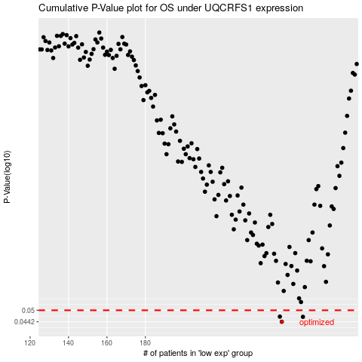

 |  |  |  |  |  | cases_OS | p_OS | rank | exp
 |  |  |  |  |  | 251 | 0.0442 | 224 | -0.18123274697
 |  |  |  |  |  | 262 | 0.0466 | 222 | -0.16263245312
 |  |  |  |  |  | 250 | 0.0467 | 81 | -0.18284840059
 |  |  |  |  |  |  | cases_RFS | p_RFS | rank | exp
 |  |  |  |  |  |  | 250 | 0.0442 | 81 | -0.18284840059
 |  |  |  |  |  |  | 261 | 0.0466 | 305 | -0.16345725158
 |  |  |  |  |  |  | 249 | 0.0467 | 231 | -0.18329030874

