UQCRHL _multivariate
Reported by Tex Li-Hsing Chi. tex@gate.sinica.edu.tw 2019-08-15

Table 2. The clinicopathological features of HNSCC cohort and UQCRHL expression. (Chi square test)
Cutoff at -0.329 (51.4%)
 |  | UQCRHL expression |  | UQCRHL expression |  | (Optimised)
 | Features | Low | (%) | High | (%) | Case no | P-value | Remark | Matthews
Gender | Female | 157 | 37.8 | 149 | 35.9 | 415 | 1 | 0 | 0
2 | Male | 56 | 13.5 | 53 | 12.8
Age at diagnosis | <=65y | 143 | 34.5 | 131 | 31.6 | 415 | 0.6984 | 0 | 0
4 | >65y | 70 | 16.9 | 71 | 17.1
Clinical T Status | T1+T2 | 80 | 19.3 | 69 | 16.6 | 415 | 0.5357 | 0 | 0
6 | T3+T4 | 133 | 32 | 133 | 32
Clinical N Status | N0 | 114 | 27.5 | 102 | 24.6 | 415 | 0.6041 | 0 | 0
8 | N1-3 | 99 | 23.9 | 100 | 24.1
Clinical M Status | M0 | 213 | 51.3 | 199 | 48 | 415 | 0.1144 | 0 | 0
10 | M1 | 0 | 0 | 3 | 0.7
Clinical Stage | Stage I+II | 57 | 13.7 | 45 | 10.8 | 415 | 0.344 | 0 | 0
12 | Stage III+IV | 156 | 37.6 | 157 | 37.8
Surgical Margin status | Negative | 173 | 41.7 | 145 | 34.9 | 415 | 0.0274 | 1 | 0
14 | Positive | 40 | 9.6 | 57 | 13.7
Tobacco Exposure | Low | 89 | 21.4 | 72 | 17.3 | 415 | 0.2267 | 0 | 0
16 | High | 124 | 29.9 | 130 | 31.3

Table 3. Univariate/Multivariate Cox's proportional hazards regression analyses on OS time of UQCRHL gene expression in HNSCC

 |  | Univariate |  |  |  | Multivariate
 | Features | HR | CI95%(L) | CI95%(H) | P-value | HR | CI95%(L) | CI95%(H) | P-value
1 | Female | 1 |  |  |  | 1
Gender | Male | 1.157 | 0.843 | 1.587 | 0.367 | 1.173 | 0.839 | 1.64 | 0.35
11 | <=65y | 1 |  |  |  | 1
Age at diagnosis | >65y | 1.329 | 0.99 | 1.784 | 0.058 | 1.387 | 1.021 | 1.884 | 0.036
12 | T1+T2 | 1 |  |  |  | 1
Clinical T Status | T3+T4 | 1.409 | 1.028 | 1.931 | 0.033 | 2.211 | 1.171 | 4.178 | 0.014
13 | N0 | 1 |  |  |  | 1
Clinical N Status | N1-3 | 1.185 | 0.89 | 1.577 | 0.246 | 1.239 | 0.868 | 1.766 | 0.238
14 | M0 | 1 |  |  |  | 1
Clinical M Status | M1 | 4.097 | 1.009 | 16.644 | 0.049 | 8.401 | 1.821 | 38.761 | 0.006
15 | Stage I+II | 1 |  |  |  | 1
Clinical Stage | Stage III+IV | 1.245 | 0.882 | 1.759 | 0.213 | 0.497 | 0.232 | 1.065 | 0.072
16 | Negative | 1 |  |  |  | 1
Surgical Margin status | Positive | 1.591 | 1.155 | 2.191 | 0.004 | 1.619 | 1.169 | 2.242 | 0.004
17 | Low | 1 |  |  |  | 1
Tobacco Exposure | High | 1.364 | 1.008 | 1.844 | 0.044 | 1.42 | 1.03 | 1.958 | 0.032
18 | Low | 1 |  |  |  | 1
RNAseq(z-score) | High | 1.376 | 1.032 | 1.835 | 0.03 | 1.248 | 0.93 | 1.675 | 0.141

Table 4. Univariate/Multivariate Cox's proportional hazards regression analyses on RFS time of UQCRHL gene expression in HNSCC

 |  | Univariate |  |  |  | Multivariate
 | Features | HR | CI95%(L) | CI95%(H) | P-value | HR | CI95%(L) | CI95%(H) | P-value
1 | Female | 1 |  |  |  | 1
Gender | Male | 1.157 | 0.843 | 1.587 | 0.367 | 1.173 | 0.839 | 1.64 | 0.35
11 | <=65y | 1 |  |  |  | 1
Age at diagnosis | >65y | 1.329 | 0.99 | 1.784 | 0.058 | 1.387 | 1.021 | 1.884 | 0.036
12 | T1+T2 | 1 |  |  |  | 1
Clinical T Status | T3+T4 | 1.409 | 1.028 | 1.931 | 0.033 | 2.211 | 1.171 | 4.178 | 0.014
13 | N0 | 1 |  |  |  | 1
Clinical N Status | N1-3 | 1.185 | 0.89 | 1.577 | 0.246 | 1.239 | 0.868 | 1.766 | 0.238
14 | M0 | 1 |  |  |  | 1
Clinical M Status | M1 | 4.097 | 1.009 | 16.644 | 0.049 | 8.401 | 1.821 | 38.761 | 0.006
15 | Stage I+II | 1 |  |  |  | 1
Clinical Stage | Stage III+IV | 1.245 | 0.882 | 1.759 | 0.213 | 0.497 | 0.232 | 1.065 | 0.072
16 | Negative | 1 |  |  |  | 1
Surgical Margin status | Positive | 1.591 | 1.155 | 2.191 | 0.004 | 1.619 | 1.169 | 2.242 | 0.004
17 | Low | 1 |  |  |  | 1
Tobacco Exposure | High | 1.364 | 1.008 | 1.844 | 0.044 | 1.42 | 1.03 | 1.958 | 0.032
18 | Low | 1 |  |  |  | 1
RNAseq(z-score) | High | 1.376 | 1.032 | 1.835 | 0.03 | 1.248 | 0.93 | 1.675 | 0.141

Kaplan-Meier survival estimate: Cutoff at -0.329 (51.4%)



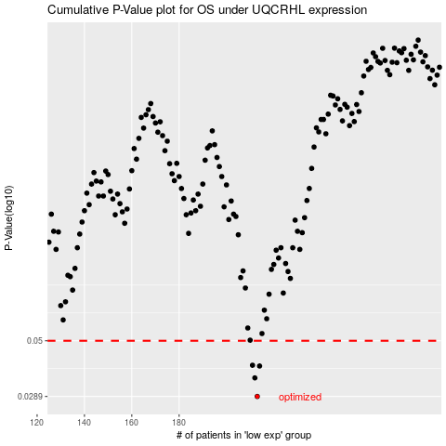

 |  |  |  |  |  | cases_OS | p_OS | rank | exp
 |  |  |  |  |  | 213 | 0.0289 | 133 | -0.32897078105
 |  |  |  |  |  | 212 | 0.0347 | 167 | -0.32909177632
 |  |  |  |  |  | 214 | 0.039 | 78 | -0.31891898492
 |  |  |  |  |  | 211 | 0.0393 | 408 | -0.3349332437
 |  |  |  |  |  |  | cases_RFS | p_RFS | rank | exp
 |  |  |  |  |  |  | 212 | 0.0289 | 167 | -0.32909177632
 |  |  |  |  |  |  | 211 | 0.0347 | 408 | -0.3349332437
 |  |  |  |  |  |  | 213 | 0.039 | 133 | -0.32897078105
 |  |  |  |  |  |  | 210 | 0.0393 | 106 | -0.33816431492

