UQCRQ _multivariate
Reported by Tex Li-Hsing Chi. tex@gate.sinica.edu.tw 2019-08-15

Table 2. The clinicopathological features of HNSCC cohort and UQCRQ expression. (Chi square test)
Cutoff at -0.345 (49.8%)
 |  | UQCRQ expression |  | UQCRQ expression |  | (Optimised)
 | Features | Low | (%) | High | (%) | Case no | P-value | Remark | Matthews
Gender | Female | 159 | 38.3 | 147 | 35.4 | 415 | 0.1905 | 0 | 0
2 | Male | 48 | 11.6 | 61 | 14.7
Age at diagnosis | <=65y | 144 | 34.7 | 130 | 31.3 | 415 | 0.1568 | 0 | 0
4 | >65y | 63 | 15.2 | 78 | 18.8
Clinical T Status | T1+T2 | 72 | 17.3 | 77 | 18.6 | 415 | 0.7095 | 0 | 0
6 | T3+T4 | 135 | 32.5 | 131 | 31.6
Clinical N Status | N0 | 103 | 24.8 | 113 | 27.2 | 415 | 0.4047 | 0 | 0
8 | N1-3 | 104 | 25.1 | 95 | 22.9
Clinical M Status | M0 | 207 | 49.9 | 205 | 49.4 | 415 | 0.2482 | 0 | 0
10 | M1 | 0 | 0 | 3 | 0.7
Clinical Stage | Stage I+II | 53 | 12.8 | 49 | 11.8 | 415 | 0.7113 | 0 | 0
12 | Stage III+IV | 154 | 37.1 | 159 | 38.3
Surgical Margin status | Negative | 166 | 40 | 152 | 36.6 | 415 | 0.1042 | 0 | 0
14 | Positive | 41 | 9.9 | 56 | 13.5
Tobacco Exposure | Low | 78 | 18.8 | 83 | 20 | 415 | 0.6873 | 0 | 0
16 | High | 129 | 31.1 | 125 | 30.1

Table 3. Univariate/Multivariate Cox's proportional hazards regression analyses on OS time of UQCRQ gene expression in HNSCC

 |  | Univariate |  |  |  | Multivariate
 | Features | HR | CI95%(L) | CI95%(H) | P-value | HR | CI95%(L) | CI95%(H) | P-value
1 | Female | 1 |  |  |  | 1
Gender | Male | 1.157 | 0.843 | 1.587 | 0.367 | 1.197 | 0.851 | 1.684 | 0.301
11 | <=65y | 1 |  |  |  | 1
Age at diagnosis | >65y | 1.329 | 0.99 | 1.784 | 0.058 | 1.391 | 1.023 | 1.891 | 0.036
12 | T1+T2 | 1 |  |  |  | 1
Clinical T Status | T3+T4 | 1.409 | 1.028 | 1.931 | 0.033 | 2.21 | 1.165 | 4.191 | 0.015
13 | N0 | 1 |  |  |  | 1
Clinical N Status | N1-3 | 1.185 | 0.89 | 1.577 | 0.246 | 1.244 | 0.869 | 1.78 | 0.233
14 | M0 | 1 |  |  |  | 1
Clinical M Status | M1 | 4.097 | 1.009 | 16.644 | 0.049 | 9.339 | 2.025 | 43.06 | 0.004
15 | Stage I+II | 1 |  |  |  | 1
Clinical Stage | Stage III+IV | 1.245 | 0.882 | 1.759 | 0.213 | 0.502 | 0.233 | 1.083 | 0.079
16 | Negative | 1 |  |  |  | 1
Surgical Margin status | Positive | 1.591 | 1.155 | 2.191 | 0.004 | 1.668 | 1.203 | 2.311 | 0.002
17 | Low | 1 |  |  |  | 1
Tobacco Exposure | High | 1.364 | 1.008 | 1.844 | 0.044 | 1.452 | 1.053 | 2.001 | 0.023
18 | Low | 1 |  |  |  | 1
RNAseq(z-score) | High | 1.094 | 0.822 | 1.457 | 0.537 | 1.016 | 0.753 | 1.372 | 0.916

Table 4. Univariate/Multivariate Cox's proportional hazards regression analyses on RFS time of UQCRQ gene expression in HNSCC

 |  | Univariate |  |  |  | Multivariate
 | Features | HR | CI95%(L) | CI95%(H) | P-value | HR | CI95%(L) | CI95%(H) | P-value
1 | Female | 1 |  |  |  | 1
Gender | Male | 1.157 | 0.843 | 1.587 | 0.367 | 1.197 | 0.851 | 1.684 | 0.301
11 | <=65y | 1 |  |  |  | 1
Age at diagnosis | >65y | 1.329 | 0.99 | 1.784 | 0.058 | 1.391 | 1.023 | 1.891 | 0.036
12 | T1+T2 | 1 |  |  |  | 1
Clinical T Status | T3+T4 | 1.409 | 1.028 | 1.931 | 0.033 | 2.21 | 1.165 | 4.191 | 0.015
13 | N0 | 1 |  |  |  | 1
Clinical N Status | N1-3 | 1.185 | 0.89 | 1.577 | 0.246 | 1.244 | 0.869 | 1.78 | 0.233
14 | M0 | 1 |  |  |  | 1
Clinical M Status | M1 | 4.097 | 1.009 | 16.644 | 0.049 | 9.339 | 2.025 | 43.06 | 0.004
15 | Stage I+II | 1 |  |  |  | 1
Clinical Stage | Stage III+IV | 1.245 | 0.882 | 1.759 | 0.213 | 0.502 | 0.233 | 1.083 | 0.079
16 | Negative | 1 |  |  |  | 1
Surgical Margin status | Positive | 1.591 | 1.155 | 2.191 | 0.004 | 1.668 | 1.203 | 2.311 | 0.002
17 | Low | 1 |  |  |  | 1
Tobacco Exposure | High | 1.364 | 1.008 | 1.844 | 0.044 | 1.452 | 1.053 | 2.001 | 0.023
18 | Low | 1 |  |  |  | 1
RNAseq(z-score) | High | 1.094 | 0.822 | 1.457 | 0.537 | 1.016 | 0.753 | 1.372 | 0.916

Kaplan-Meier survival estimate: Cutoff at -0.345 (49.8%)



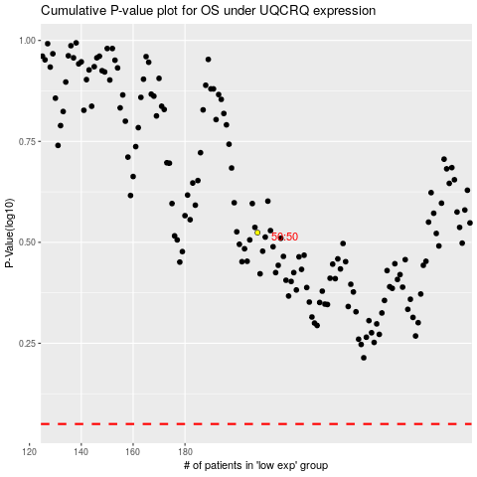

 |  |  |  |  |  | cases_OS | p_OS | rank | exp
 |  |  |  |  |  |  | cases_RFS | p_RFS | rank | exp

