URB2 _multivariate
Reported by Tex Li-Hsing Chi. tex@gate.sinica.edu.tw 2019-08-15

Table 2. The clinicopathological features of HNSCC cohort and URB2 expression. (Chi square test)
Cutoff at -0.14 (49.8%)
 |  | URB2 expression |  | URB2 expression |  | (Optimised)
 | Features | Low | (%) | High | (%) | Case no | P-value | Remark | Matthews
Gender | Female | 147 | 35.4 | 159 | 38.3 | 415 | 0.2523 | 0 | 0
2 | Male | 60 | 14.5 | 49 | 11.8
Age at diagnosis | <=65y | 136 | 32.8 | 138 | 33.3 | 415 | 0.9719 | 0 | 0
4 | >65y | 71 | 17.1 | 70 | 16.9
Clinical T Status | T1+T2 | 87 | 21 | 62 | 14.9 | 415 | 0.0127 | 1 | 0
6 | T3+T4 | 120 | 28.9 | 146 | 35.2
Clinical N Status | N0 | 111 | 26.7 | 105 | 25.3 | 415 | 0.5875 | 0 | 0
8 | N1-3 | 96 | 23.1 | 103 | 24.8
Clinical M Status | M0 | 204 | 49.2 | 208 | 50.1 | 415 | 0.1232 | 0 | 0
10 | M1 | 3 | 0.7 | 0 | 0
Clinical Stage | Stage I+II | 59 | 14.2 | 43 | 10.4 | 415 | 0.0822 | 0 | 0
12 | Stage III+IV | 148 | 35.7 | 165 | 39.8
Surgical Margin status | Negative | 152 | 36.6 | 166 | 40 | 415 | 0.1329 | 0 | 0
14 | Positive | 55 | 13.3 | 42 | 10.1
Tobacco Exposure | Low | 101 | 24.3 | 60 | 14.5 | 415 | 0 | 1 | 0
16 | High | 106 | 25.5 | 148 | 35.7

Table 3. Univariate/Multivariate Cox's proportional hazards regression analyses on OS time of URB2 gene expression in HNSCC

 |  | Univariate |  |  |  | Multivariate
 | Features | HR | CI95%(L) | CI95%(H) | P-value | HR | CI95%(L) | CI95%(H) | P-value
1 | Female | 1 |  |  |  | 1
Gender | Male | 1.157 | 0.843 | 1.587 | 0.367 | 1.193 | 0.853 | 1.669 | 0.303
11 | <=65y | 1 |  |  |  | 1
Age at diagnosis | >65y | 1.329 | 0.99 | 1.784 | 0.058 | 1.399 | 1.028 | 1.904 | 0.032
12 | T1+T2 | 1 |  |  |  | 1
Clinical T Status | T3+T4 | 1.409 | 1.028 | 1.931 | 0.033 | 2.211 | 1.169 | 4.182 | 0.015
13 | N0 | 1 |  |  |  | 1
Clinical N Status | N1-3 | 1.185 | 0.89 | 1.577 | 0.246 | 1.241 | 0.87 | 1.77 | 0.234
14 | M0 | 1 |  |  |  | 1
Clinical M Status | M1 | 4.097 | 1.009 | 16.644 | 0.049 | 9.056 | 1.962 | 41.811 | 0.005
15 | Stage I+II | 1 |  |  |  | 1
Clinical Stage | Stage III+IV | 1.245 | 0.882 | 1.759 | 0.213 | 0.508 | 0.237 | 1.091 | 0.082
16 | Negative | 1 |  |  |  | 1
Surgical Margin status | Positive | 1.591 | 1.155 | 2.191 | 0.004 | 1.658 | 1.198 | 2.295 | 0.002
17 | Low | 1 |  |  |  | 1
Tobacco Exposure | High | 1.364 | 1.008 | 1.844 | 0.044 | 1.47 | 1.063 | 2.034 | 0.02
18 | Low | 1 |  |  |  | 1
RNAseq(z-score) | High | 0.97 | 0.727 | 1.295 | 0.836 | 0.927 | 0.686 | 1.253 | 0.623

Table 4. Univariate/Multivariate Cox's proportional hazards regression analyses on RFS time of URB2 gene expression in HNSCC

 |  | Univariate |  |  |  | Multivariate
 | Features | HR | CI95%(L) | CI95%(H) | P-value | HR | CI95%(L) | CI95%(H) | P-value
1 | Female | 1 |  |  |  | 1
Gender | Male | 1.157 | 0.843 | 1.587 | 0.367 | 1.193 | 0.853 | 1.669 | 0.303
11 | <=65y | 1 |  |  |  | 1
Age at diagnosis | >65y | 1.329 | 0.99 | 1.784 | 0.058 | 1.399 | 1.028 | 1.904 | 0.032
12 | T1+T2 | 1 |  |  |  | 1
Clinical T Status | T3+T4 | 1.409 | 1.028 | 1.931 | 0.033 | 2.211 | 1.169 | 4.182 | 0.015
13 | N0 | 1 |  |  |  | 1
Clinical N Status | N1-3 | 1.185 | 0.89 | 1.577 | 0.246 | 1.241 | 0.87 | 1.77 | 0.234
14 | M0 | 1 |  |  |  | 1
Clinical M Status | M1 | 4.097 | 1.009 | 16.644 | 0.049 | 9.056 | 1.962 | 41.811 | 0.005
15 | Stage I+II | 1 |  |  |  | 1
Clinical Stage | Stage III+IV | 1.245 | 0.882 | 1.759 | 0.213 | 0.508 | 0.237 | 1.091 | 0.082
16 | Negative | 1 |  |  |  | 1
Surgical Margin status | Positive | 1.591 | 1.155 | 2.191 | 0.004 | 1.658 | 1.198 | 2.295 | 0.002
17 | Low | 1 |  |  |  | 1
Tobacco Exposure | High | 1.364 | 1.008 | 1.844 | 0.044 | 1.47 | 1.063 | 2.034 | 0.02
18 | Low | 1 |  |  |  | 1
RNAseq(z-score) | High | 0.97 | 0.727 | 1.295 | 0.836 | 0.927 | 0.686 | 1.253 | 0.623

Kaplan-Meier survival estimate: Cutoff at -0.14 (49.8%)



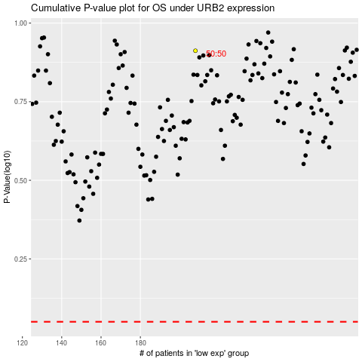

 |  |  |  |  |  | cases_OS | p_OS | rank | exp
 |  |  |  |  |  |  | cases_RFS | p_RFS | rank | exp

