USO1 _multivariate
Reported by Tex Li-Hsing Chi. tex@gate.sinica.edu.tw 2019-08-15

Table 2. The clinicopathological features of HNSCC cohort and USO1 expression. (Chi square test)
Cutoff at -0.162 (50.0%)
 |  | USO1 expression |  | USO1 expression |  | (Optimised)
 | Features | Low | (%) | High | (%) | Case no | P-value | Remark | Matthews
Gender | Female | 159 | 38.3 | 147 | 35.4 | 415 | 0.1905 | 0 | 0
2 | Male | 48 | 11.6 | 61 | 14.7
Age at diagnosis | <=65y | 129 | 31.1 | 145 | 34.9 | 415 | 0.1372 | 0 | 0
4 | >65y | 78 | 18.8 | 63 | 15.2
Clinical T Status | T1+T2 | 82 | 19.8 | 67 | 16.1 | 415 | 0.1417 | 0 | 0
6 | T3+T4 | 125 | 30.1 | 141 | 34
Clinical N Status | N0 | 107 | 25.8 | 109 | 26.3 | 415 | 0.9624 | 0 | 0
8 | N1-3 | 100 | 24.1 | 99 | 23.9
Clinical M Status | M0 | 204 | 49.2 | 208 | 50.1 | 415 | 0.1232 | 0 | 0
10 | M1 | 3 | 0.7 | 0 | 0
Clinical Stage | Stage I+II | 52 | 12.5 | 50 | 12 | 415 | 0.8871 | 0 | 0
12 | Stage III+IV | 155 | 37.3 | 158 | 38.1
Surgical Margin status | Negative | 156 | 37.6 | 162 | 39 | 415 | 0.5636 | 0 | 0
14 | Positive | 51 | 12.3 | 46 | 11.1
Tobacco Exposure | Low | 87 | 21 | 74 | 17.8 | 415 | 0.1911 | 0 | 0
16 | High | 120 | 28.9 | 134 | 32.3

Table 3. Univariate/Multivariate Cox's proportional hazards regression analyses on OS time of USO1 gene expression in HNSCC

 |  | Univariate |  |  |  | Multivariate
 | Features | HR | CI95%(L) | CI95%(H) | P-value | HR | CI95%(L) | CI95%(H) | P-value
1 | Female | 1 |  |  |  | 1
Gender | Male | 1.157 | 0.843 | 1.587 | 0.367 | 1.197 | 0.857 | 1.673 | 0.291
11 | <=65y | 1 |  |  |  | 1
Age at diagnosis | >65y | 1.329 | 0.99 | 1.784 | 0.058 | 1.402 | 1.029 | 1.909 | 0.032
12 | T1+T2 | 1 |  |  |  | 1
Clinical T Status | T3+T4 | 1.409 | 1.028 | 1.931 | 0.033 | 2.194 | 1.16 | 4.149 | 0.016
13 | N0 | 1 |  |  |  | 1
Clinical N Status | N1-3 | 1.185 | 0.89 | 1.577 | 0.246 | 1.242 | 0.87 | 1.772 | 0.232
14 | M0 | 1 |  |  |  | 1
Clinical M Status | M1 | 4.097 | 1.009 | 16.644 | 0.049 | 9.709 | 2.104 | 44.793 | 0.004
15 | Stage I+II | 1 |  |  |  | 1
Clinical Stage | Stage III+IV | 1.245 | 0.882 | 1.759 | 0.213 | 0.506 | 0.236 | 1.086 | 0.081
16 | Negative | 1 |  |  |  | 1
Surgical Margin status | Positive | 1.591 | 1.155 | 2.191 | 0.004 | 1.684 | 1.217 | 2.331 | 0.002
17 | Low | 1 |  |  |  | 1
Tobacco Exposure | High | 1.364 | 1.008 | 1.844 | 0.044 | 1.452 | 1.054 | 2 | 0.023
18 | Low | 1 |  |  |  | 1
RNAseq(z-score) | High | 1.017 | 0.763 | 1.355 | 0.909 | 1.07 | 0.798 | 1.433 | 0.652

Table 4. Univariate/Multivariate Cox's proportional hazards regression analyses on RFS time of USO1 gene expression in HNSCC

 |  | Univariate |  |  |  | Multivariate
 | Features | HR | CI95%(L) | CI95%(H) | P-value | HR | CI95%(L) | CI95%(H) | P-value
1 | Female | 1 |  |  |  | 1
Gender | Male | 1.157 | 0.843 | 1.587 | 0.367 | 1.197 | 0.857 | 1.673 | 0.291
11 | <=65y | 1 |  |  |  | 1
Age at diagnosis | >65y | 1.329 | 0.99 | 1.784 | 0.058 | 1.402 | 1.029 | 1.909 | 0.032
12 | T1+T2 | 1 |  |  |  | 1
Clinical T Status | T3+T4 | 1.409 | 1.028 | 1.931 | 0.033 | 2.194 | 1.16 | 4.149 | 0.016
13 | N0 | 1 |  |  |  | 1
Clinical N Status | N1-3 | 1.185 | 0.89 | 1.577 | 0.246 | 1.242 | 0.87 | 1.772 | 0.232
14 | M0 | 1 |  |  |  | 1
Clinical M Status | M1 | 4.097 | 1.009 | 16.644 | 0.049 | 9.709 | 2.104 | 44.793 | 0.004
15 | Stage I+II | 1 |  |  |  | 1
Clinical Stage | Stage III+IV | 1.245 | 0.882 | 1.759 | 0.213 | 0.506 | 0.236 | 1.086 | 0.081
16 | Negative | 1 |  |  |  | 1
Surgical Margin status | Positive | 1.591 | 1.155 | 2.191 | 0.004 | 1.684 | 1.217 | 2.331 | 0.002
17 | Low | 1 |  |  |  | 1
Tobacco Exposure | High | 1.364 | 1.008 | 1.844 | 0.044 | 1.452 | 1.054 | 2 | 0.023
18 | Low | 1 |  |  |  | 1
RNAseq(z-score) | High | 1.017 | 0.763 | 1.355 | 0.909 | 1.07 | 0.798 | 1.433 | 0.652

Kaplan-Meier survival estimate: Cutoff at -0.162 (50.0%)



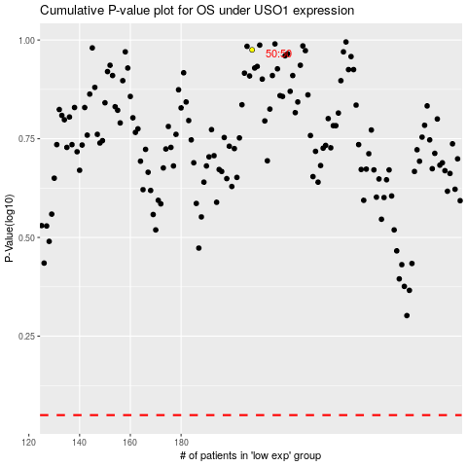

 |  |  |  |  |  | cases_OS | p_OS | rank | exp
 |  |  |  |  |  |  | cases_RFS | p_RFS | rank | exp

