USP1 _multivariate
Reported by Tex Li-Hsing Chi. tex@gate.sinica.edu.tw 2019-08-15

Table 2. The clinicopathological features of HNSCC cohort and USP1 expression. (Chi square test)
Cutoff at -0.244 (49.8%)
 |  | USP1 expression |  | USP1 expression |  | (Optimised)
 | Features | Low | (%) | High | (%) | Case no | P-value | Remark | Matthews
Gender | Female | 158 | 38.1 | 148 | 35.7 | 415 | 0.2774 | 0 | 0
2 | Male | 49 | 11.8 | 60 | 14.5
Age at diagnosis | <=65y | 130 | 31.3 | 144 | 34.7 | 415 | 0.2009 | 0 | 0
4 | >65y | 77 | 18.6 | 64 | 15.4
Clinical T Status | T1+T2 | 63 | 15.2 | 86 | 20.7 | 415 | 0.0268 | 1 | 0
6 | T3+T4 | 144 | 34.7 | 122 | 29.4
Clinical N Status | N0 | 119 | 28.7 | 97 | 23.4 | 415 | 0.0345 | 1 | 0
8 | N1-3 | 88 | 21.2 | 111 | 26.7
Clinical M Status | M0 | 205 | 49.4 | 207 | 49.9 | 415 | 0.6232 | 0 | 0
10 | M1 | 2 | 0.5 | 1 | 0.2
Clinical Stage | Stage I+II | 46 | 11.1 | 56 | 13.5 | 415 | 0.3182 | 0 | 0
12 | Stage III+IV | 161 | 38.8 | 152 | 36.6
Surgical Margin status | Negative | 162 | 39 | 156 | 37.6 | 415 | 0.4867 | 0 | 0
14 | Positive | 45 | 10.8 | 52 | 12.5
Tobacco Exposure | Low | 84 | 20.2 | 77 | 18.6 | 415 | 0.4816 | 0 | 0
16 | High | 123 | 29.6 | 131 | 31.6

Table 3. Univariate/Multivariate Cox's proportional hazards regression analyses on OS time of USP1 gene expression in HNSCC

 |  | Univariate |  |  |  | Multivariate
 | Features | HR | CI95%(L) | CI95%(H) | P-value | HR | CI95%(L) | CI95%(H) | P-value
1 | Female | 1 |  |  |  | 1
Gender | Male | 1.157 | 0.843 | 1.587 | 0.367 | 1.207 | 0.862 | 1.69 | 0.273
11 | <=65y | 1 |  |  |  | 1
Age at diagnosis | >65y | 1.329 | 0.99 | 1.784 | 0.058 | 1.39 | 1.022 | 1.89 | 0.036
12 | T1+T2 | 1 |  |  |  | 1
Clinical T Status | T3+T4 | 1.409 | 1.028 | 1.931 | 0.033 | 2.189 | 1.155 | 4.147 | 0.016
13 | N0 | 1 |  |  |  | 1
Clinical N Status | N1-3 | 1.185 | 0.89 | 1.577 | 0.246 | 1.246 | 0.872 | 1.781 | 0.228
14 | M0 | 1 |  |  |  | 1
Clinical M Status | M1 | 4.097 | 1.009 | 16.644 | 0.049 | 9.259 | 2.007 | 42.703 | 0.004
15 | Stage I+II | 1 |  |  |  | 1
Clinical Stage | Stage III+IV | 1.245 | 0.882 | 1.759 | 0.213 | 0.505 | 0.235 | 1.084 | 0.08
16 | Negative | 1 |  |  |  | 1
Surgical Margin status | Positive | 1.591 | 1.155 | 2.191 | 0.004 | 1.674 | 1.211 | 2.315 | 0.002
17 | Low | 1 |  |  |  | 1
Tobacco Exposure | High | 1.364 | 1.008 | 1.844 | 0.044 | 1.456 | 1.056 | 2.007 | 0.022
18 | Low | 1 |  |  |  | 1
RNAseq(z-score) | High | 0.962 | 0.722 | 1.281 | 0.79 | 0.967 | 0.721 | 1.297 | 0.821

Table 4. Univariate/Multivariate Cox's proportional hazards regression analyses on RFS time of USP1 gene expression in HNSCC

 |  | Univariate |  |  |  | Multivariate
 | Features | HR | CI95%(L) | CI95%(H) | P-value | HR | CI95%(L) | CI95%(H) | P-value
1 | Female | 1 |  |  |  | 1
Gender | Male | 1.157 | 0.843 | 1.587 | 0.367 | 1.207 | 0.862 | 1.69 | 0.273
11 | <=65y | 1 |  |  |  | 1
Age at diagnosis | >65y | 1.329 | 0.99 | 1.784 | 0.058 | 1.39 | 1.022 | 1.89 | 0.036
12 | T1+T2 | 1 |  |  |  | 1
Clinical T Status | T3+T4 | 1.409 | 1.028 | 1.931 | 0.033 | 2.189 | 1.155 | 4.147 | 0.016
13 | N0 | 1 |  |  |  | 1
Clinical N Status | N1-3 | 1.185 | 0.89 | 1.577 | 0.246 | 1.246 | 0.872 | 1.781 | 0.228
14 | M0 | 1 |  |  |  | 1
Clinical M Status | M1 | 4.097 | 1.009 | 16.644 | 0.049 | 9.259 | 2.007 | 42.703 | 0.004
15 | Stage I+II | 1 |  |  |  | 1
Clinical Stage | Stage III+IV | 1.245 | 0.882 | 1.759 | 0.213 | 0.505 | 0.235 | 1.084 | 0.08
16 | Negative | 1 |  |  |  | 1
Surgical Margin status | Positive | 1.591 | 1.155 | 2.191 | 0.004 | 1.674 | 1.211 | 2.315 | 0.002
17 | Low | 1 |  |  |  | 1
Tobacco Exposure | High | 1.364 | 1.008 | 1.844 | 0.044 | 1.456 | 1.056 | 2.007 | 0.022
18 | Low | 1 |  |  |  | 1
RNAseq(z-score) | High | 0.962 | 0.722 | 1.281 | 0.79 | 0.967 | 0.721 | 1.297 | 0.821

Kaplan-Meier survival estimate: Cutoff at -0.244 (49.8%)



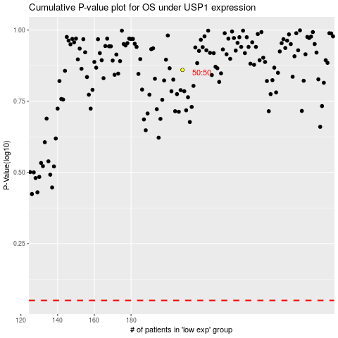

 |  |  |  |  |  | cases_OS | p_OS | rank | exp
 |  |  |  |  |  |  | cases_RFS | p_RFS | rank | exp

