USP11 _multivariate
Reported by Tex Li-Hsing Chi. tex@gate.sinica.edu.tw 2019-08-15

Table 2. The clinicopathological features of HNSCC cohort and USP11 expression. (Chi square test)
Cutoff at -0.165 (49.8%)
 |  | USP11 expression |  | USP11 expression |  | (Optimised)
 | Features | Low | (%) | High | (%) | Case no | P-value | Remark | Matthews
Gender | Female | 147 | 35.4 | 159 | 38.3 | 415 | 0.2523 | 0 | 0
2 | Male | 60 | 14.5 | 49 | 11.8
Age at diagnosis | <=65y | 135 | 32.5 | 139 | 33.5 | 415 | 0.8084 | 0 | 0
4 | >65y | 72 | 17.3 | 69 | 16.6
Clinical T Status | T1+T2 | 66 | 15.9 | 83 | 20 | 415 | 0.1095 | 0 | 0
6 | T3+T4 | 141 | 34 | 125 | 30.1
Clinical N Status | N0 | 106 | 25.5 | 110 | 26.5 | 415 | 0.8075 | 0 | 0
8 | N1-3 | 101 | 24.3 | 98 | 23.6
Clinical M Status | M0 | 204 | 49.2 | 208 | 50.1 | 415 | 0.1232 | 0 | 0
10 | M1 | 3 | 0.7 | 0 | 0
Clinical Stage | Stage I+II | 47 | 11.3 | 55 | 13.3 | 415 | 0.4413 | 0 | 0
12 | Stage III+IV | 160 | 38.6 | 153 | 36.9
Surgical Margin status | Negative | 158 | 38.1 | 160 | 38.6 | 415 | 0.9081 | 0 | 0
14 | Positive | 49 | 11.8 | 48 | 11.6
Tobacco Exposure | Low | 88 | 21.2 | 73 | 17.6 | 415 | 0.1314 | 0 | 0
16 | High | 119 | 28.7 | 135 | 32.5

Table 3. Univariate/Multivariate Cox's proportional hazards regression analyses on OS time of USP11 gene expression in HNSCC

 |  | Univariate |  |  |  | Multivariate
 | Features | HR | CI95%(L) | CI95%(H) | P-value | HR | CI95%(L) | CI95%(H) | P-value
1 | Female | 1 |  |  |  | 1
Gender | Male | 1.157 | 0.843 | 1.587 | 0.367 | 1.203 | 0.861 | 1.681 | 0.279
11 | <=65y | 1 |  |  |  | 1
Age at diagnosis | >65y | 1.329 | 0.99 | 1.784 | 0.058 | 1.395 | 1.025 | 1.897 | 0.034
12 | T1+T2 | 1 |  |  |  | 1
Clinical T Status | T3+T4 | 1.409 | 1.028 | 1.931 | 0.033 | 2.216 | 1.171 | 4.195 | 0.015
13 | N0 | 1 |  |  |  | 1
Clinical N Status | N1-3 | 1.185 | 0.89 | 1.577 | 0.246 | 1.242 | 0.87 | 1.772 | 0.232
14 | M0 | 1 |  |  |  | 1
Clinical M Status | M1 | 4.097 | 1.009 | 16.644 | 0.049 | 9.69 | 2.091 | 44.897 | 0.004
15 | Stage I+II | 1 |  |  |  | 1
Clinical Stage | Stage III+IV | 1.245 | 0.882 | 1.759 | 0.213 | 0.503 | 0.234 | 1.08 | 0.078
16 | Negative | 1 |  |  |  | 1
Surgical Margin status | Positive | 1.591 | 1.155 | 2.191 | 0.004 | 1.674 | 1.211 | 2.313 | 0.002
17 | Low | 1 |  |  |  | 1
Tobacco Exposure | High | 1.364 | 1.008 | 1.844 | 0.044 | 1.447 | 1.049 | 1.996 | 0.024
18 | Low | 1 |  |  |  | 1
RNAseq(z-score) | High | 1.007 | 0.755 | 1.343 | 0.962 | 1.05 | 0.784 | 1.405 | 0.746

Table 4. Univariate/Multivariate Cox's proportional hazards regression analyses on RFS time of USP11 gene expression in HNSCC

 |  | Univariate |  |  |  | Multivariate
 | Features | HR | CI95%(L) | CI95%(H) | P-value | HR | CI95%(L) | CI95%(H) | P-value
1 | Female | 1 |  |  |  | 1
Gender | Male | 1.157 | 0.843 | 1.587 | 0.367 | 1.203 | 0.861 | 1.681 | 0.279
11 | <=65y | 1 |  |  |  | 1
Age at diagnosis | >65y | 1.329 | 0.99 | 1.784 | 0.058 | 1.395 | 1.025 | 1.897 | 0.034
12 | T1+T2 | 1 |  |  |  | 1
Clinical T Status | T3+T4 | 1.409 | 1.028 | 1.931 | 0.033 | 2.216 | 1.171 | 4.195 | 0.015
13 | N0 | 1 |  |  |  | 1
Clinical N Status | N1-3 | 1.185 | 0.89 | 1.577 | 0.246 | 1.242 | 0.87 | 1.772 | 0.232
14 | M0 | 1 |  |  |  | 1
Clinical M Status | M1 | 4.097 | 1.009 | 16.644 | 0.049 | 9.69 | 2.091 | 44.897 | 0.004
15 | Stage I+II | 1 |  |  |  | 1
Clinical Stage | Stage III+IV | 1.245 | 0.882 | 1.759 | 0.213 | 0.503 | 0.234 | 1.08 | 0.078
16 | Negative | 1 |  |  |  | 1
Surgical Margin status | Positive | 1.591 | 1.155 | 2.191 | 0.004 | 1.674 | 1.211 | 2.313 | 0.002
17 | Low | 1 |  |  |  | 1
Tobacco Exposure | High | 1.364 | 1.008 | 1.844 | 0.044 | 1.447 | 1.049 | 1.996 | 0.024
18 | Low | 1 |  |  |  | 1
RNAseq(z-score) | High | 1.007 | 0.755 | 1.343 | 0.962 | 1.05 | 0.784 | 1.405 | 0.746

Kaplan-Meier survival estimate: Cutoff at -0.165 (49.8%)



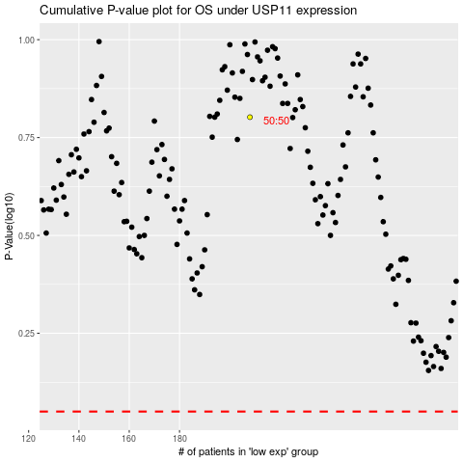

 |  |  |  |  |  | cases_OS | p_OS | rank | exp
 |  |  |  |  |  |  | cases_RFS | p_RFS | rank | exp

