USP12 _multivariate
Reported by Tex Li-Hsing Chi. tex@gate.sinica.edu.tw 2019-08-15

Table 2. The clinicopathological features of HNSCC cohort and USP12 expression. (Chi square test)
Cutoff at 0.359 (68.6%)
 |  | USP12 expression |  | USP12 expression |  | (Optimised)
 | Features | Low | (%) | High | (%) | Case no | P-value | Remark | Matthews
Gender | Female | 210 | 50.6 | 96 | 23.1 | 415 | 1 | 0 | 0
2 | Male | 75 | 18.1 | 34 | 8.2
Age at diagnosis | <=65y | 190 | 45.8 | 84 | 20.2 | 415 | 0.7661 | 0 | 0
4 | >65y | 95 | 22.9 | 46 | 11.1
Clinical T Status | T1+T2 | 103 | 24.8 | 46 | 11.1 | 415 | 0.9693 | 0 | 0
6 | T3+T4 | 182 | 43.9 | 84 | 20.2
Clinical N Status | N0 | 149 | 35.9 | 67 | 16.1 | 415 | 0.9725 | 0 | 0
8 | N1-3 | 136 | 32.8 | 63 | 15.2
Clinical M Status | M0 | 282 | 68 | 130 | 31.3 | 415 | 0.5551 | 0 | 0
10 | M1 | 3 | 0.7 | 0 | 0
Clinical Stage | Stage I+II | 72 | 17.3 | 30 | 7.2 | 415 | 0.7212 | 0 | 0
12 | Stage III+IV | 213 | 51.3 | 100 | 24.1
Surgical Margin status | Negative | 218 | 52.5 | 100 | 24.1 | 415 | 1 | 0 | 0
14 | Positive | 67 | 16.1 | 30 | 7.2
Tobacco Exposure | Low | 114 | 27.5 | 47 | 11.3 | 415 | 0.5149 | 0 | 0
16 | High | 171 | 41.2 | 83 | 20

Table 3. Univariate/Multivariate Cox's proportional hazards regression analyses on OS time of USP12 gene expression in HNSCC

 |  | Univariate |  |  |  | Multivariate
 | Features | HR | CI95%(L) | CI95%(H) | P-value | HR | CI95%(L) | CI95%(H) | P-value
1 | Female | 1 |  |  |  | 1
Gender | Male | 1.157 | 0.843 | 1.587 | 0.367 | 1.252 | 0.898 | 1.747 | 0.185
11 | <=65y | 1 |  |  |  | 1
Age at diagnosis | >65y | 1.329 | 0.99 | 1.784 | 0.058 | 1.391 | 1.024 | 1.891 | 0.035
12 | T1+T2 | 1 |  |  |  | 1
Clinical T Status | T3+T4 | 1.409 | 1.028 | 1.931 | 0.033 | 2.289 | 1.21 | 4.331 | 0.011
13 | N0 | 1 |  |  |  | 1
Clinical N Status | N1-3 | 1.185 | 0.89 | 1.577 | 0.246 | 1.317 | 0.921 | 1.884 | 0.131
14 | M0 | 1 |  |  |  | 1
Clinical M Status | M1 | 4.097 | 1.009 | 16.644 | 0.049 | 11.257 | 2.44 | 51.938 | 0.002
15 | Stage I+II | 1 |  |  |  | 1
Clinical Stage | Stage III+IV | 1.245 | 0.882 | 1.759 | 0.213 | 0.466 | 0.216 | 1.002 | 0.051
16 | Negative | 1 |  |  |  | 1
Surgical Margin status | Positive | 1.591 | 1.155 | 2.191 | 0.004 | 1.646 | 1.19 | 2.275 | 0.003
17 | Low | 1 |  |  |  | 1
Tobacco Exposure | High | 1.364 | 1.008 | 1.844 | 0.044 | 1.497 | 1.086 | 2.065 | 0.014
18 | Low | 1 |  |  |  | 1
RNAseq(z-score) | High | 1.396 | 1.039 | 1.876 | 0.027 | 1.522 | 1.125 | 2.06 | 0.006

Table 4. Univariate/Multivariate Cox's proportional hazards regression analyses on RFS time of USP12 gene expression in HNSCC

 |  | Univariate |  |  |  | Multivariate
 | Features | HR | CI95%(L) | CI95%(H) | P-value | HR | CI95%(L) | CI95%(H) | P-value
1 | Female | 1 |  |  |  | 1
Gender | Male | 1.157 | 0.843 | 1.587 | 0.367 | 1.252 | 0.898 | 1.747 | 0.185
11 | <=65y | 1 |  |  |  | 1
Age at diagnosis | >65y | 1.329 | 0.99 | 1.784 | 0.058 | 1.391 | 1.024 | 1.891 | 0.035
12 | T1+T2 | 1 |  |  |  | 1
Clinical T Status | T3+T4 | 1.409 | 1.028 | 1.931 | 0.033 | 2.289 | 1.21 | 4.331 | 0.011
13 | N0 | 1 |  |  |  | 1
Clinical N Status | N1-3 | 1.185 | 0.89 | 1.577 | 0.246 | 1.317 | 0.921 | 1.884 | 0.131
14 | M0 | 1 |  |  |  | 1
Clinical M Status | M1 | 4.097 | 1.009 | 16.644 | 0.049 | 11.257 | 2.44 | 51.938 | 0.002
15 | Stage I+II | 1 |  |  |  | 1
Clinical Stage | Stage III+IV | 1.245 | 0.882 | 1.759 | 0.213 | 0.466 | 0.216 | 1.002 | 0.051
16 | Negative | 1 |  |  |  | 1
Surgical Margin status | Positive | 1.591 | 1.155 | 2.191 | 0.004 | 1.646 | 1.19 | 2.275 | 0.003
17 | Low | 1 |  |  |  | 1
Tobacco Exposure | High | 1.364 | 1.008 | 1.844 | 0.044 | 1.497 | 1.086 | 2.065 | 0.014
18 | Low | 1 |  |  |  | 1
RNAseq(z-score) | High | 1.396 | 1.039 | 1.876 | 0.027 | 1.522 | 1.125 | 2.06 | 0.006

Kaplan-Meier survival estimate: Cutoff at 0.359 (68.6%)

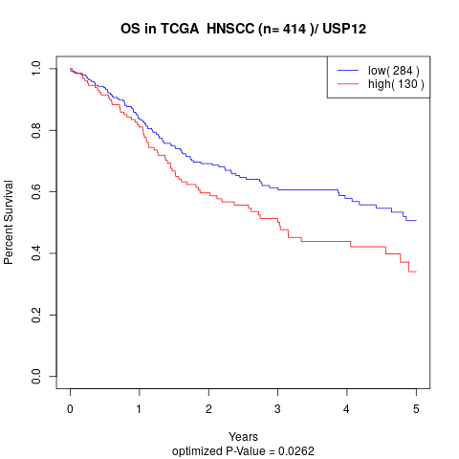

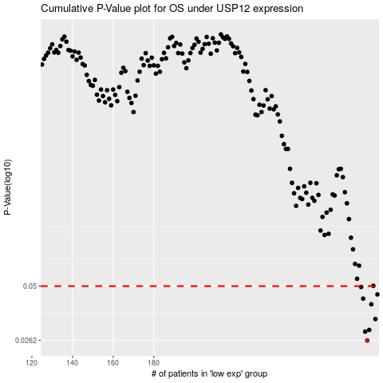

 |  |  |  |  |  | cases_OS | p_OS | rank | exp
 |  |  |  |  |  | 285 | 0.0262 | 240 | 0.35873408412
 |  |  |  |  |  | 284 | 0.0291 | 197 | 0.35831502114
 |  |  |  |  |  | 286 | 0.0297 | 221 | 0.35931832521
 |  |  |  |  |  | 289 | 0.0338 | 23 | 0.40453430302
 |  |  |  |  |  | 287 | 0.0403 | 107 | 0.38728542608
 |  |  |  |  |  | 283 | 0.0431 | 403 | 0.35523781415
 |  |  |  |  |  | 290 | 0.0453 | 3 | 0.41160102016
 |  |  |  |  |  | 282 | 0.0495 | 367 | 0.35463980822
 |  |  |  |  |  |  | cases_RFS | p_RFS | rank | exp
 |  |  |  |  |  |  | 284 | 0.0262 | 197 | 0.35831502114
 |  |  |  |  |  |  | 283 | 0.0291 | 403 | 0.35523781415
 |  |  |  |  |  |  | 285 | 0.0297 | 240 | 0.35873408412
 |  |  |  |  |  |  | 288 | 0.0338 | 63 | 0.38866114561
 |  |  |  |  |  |  | 286 | 0.0403 | 221 | 0.35931832521
 |  |  |  |  |  |  | 282 | 0.0431 | 367 | 0.35463980822
 |  |  |  |  |  |  | 289 | 0.0453 | 23 | 0.40453430302
 |  |  |  |  |  |  | 281 | 0.0495 | 49 | 0.35165054329

