USP13 _multivariate
Reported by Tex Li-Hsing Chi. tex@gate.sinica.edu.tw 2019-08-15

Table 2. The clinicopathological features of HNSCC cohort and USP13 expression. (Chi square test)
Cutoff at -0.197 (50.0%)
 |  | USP13 expression |  | USP13 expression |  | (Optimised)
 | Features | Low | (%) | High | (%) | Case no | P-value | Remark | Matthews
Gender | Female | 147 | 35.4 | 159 | 38.3 | 415 | 0.2523 | 0 | 0
2 | Male | 60 | 14.5 | 49 | 11.8
Age at diagnosis | <=65y | 130 | 31.3 | 144 | 34.7 | 415 | 0.2009 | 0 | 0
4 | >65y | 77 | 18.6 | 64 | 15.4
Clinical T Status | T1+T2 | 68 | 16.4 | 81 | 19.5 | 415 | 0.2336 | 0 | 0
6 | T3+T4 | 139 | 33.5 | 127 | 30.6
Clinical N Status | N0 | 107 | 25.8 | 109 | 26.3 | 415 | 0.9624 | 0 | 0
8 | N1-3 | 100 | 24.1 | 99 | 23.9
Clinical M Status | M0 | 204 | 49.2 | 208 | 50.1 | 415 | 0.1232 | 0 | 0
10 | M1 | 3 | 0.7 | 0 | 0
Clinical Stage | Stage I+II | 48 | 11.6 | 54 | 13 | 415 | 0.5878 | 0 | 0
12 | Stage III+IV | 159 | 38.3 | 154 | 37.1
Surgical Margin status | Negative | 159 | 38.3 | 159 | 38.3 | 415 | 1 | 0 | 0
14 | Positive | 48 | 11.6 | 49 | 11.8
Tobacco Exposure | Low | 97 | 23.4 | 64 | 15.4 | 415 | 9e-04 | 1 | 0
16 | High | 110 | 26.5 | 144 | 34.7

Table 3. Univariate/Multivariate Cox's proportional hazards regression analyses on OS time of USP13 gene expression in HNSCC

 |  | Univariate |  |  |  | Multivariate
 | Features | HR | CI95%(L) | CI95%(H) | P-value | HR | CI95%(L) | CI95%(H) | P-value
1 | Female | 1 |  |  |  | 1
Gender | Male | 1.157 | 0.843 | 1.587 | 0.367 | 1.221 | 0.874 | 1.707 | 0.242
11 | <=65y | 1 |  |  |  | 1
Age at diagnosis | >65y | 1.329 | 0.99 | 1.784 | 0.058 | 1.407 | 1.035 | 1.913 | 0.029
12 | T1+T2 | 1 |  |  |  | 1
Clinical T Status | T3+T4 | 1.409 | 1.028 | 1.931 | 0.033 | 2.301 | 1.214 | 4.361 | 0.011
13 | N0 | 1 |  |  |  | 1
Clinical N Status | N1-3 | 1.185 | 0.89 | 1.577 | 0.246 | 1.247 | 0.873 | 1.781 | 0.224
14 | M0 | 1 |  |  |  | 1
Clinical M Status | M1 | 4.097 | 1.009 | 16.644 | 0.049 | 11.2 | 2.407 | 52.129 | 0.002
15 | Stage I+II | 1 |  |  |  | 1
Clinical Stage | Stage III+IV | 1.245 | 0.882 | 1.759 | 0.213 | 0.481 | 0.224 | 1.034 | 0.061
16 | Negative | 1 |  |  |  | 1
Surgical Margin status | Positive | 1.591 | 1.155 | 2.191 | 0.004 | 1.695 | 1.226 | 2.344 | 0.001
17 | Low | 1 |  |  |  | 1
Tobacco Exposure | High | 1.364 | 1.008 | 1.844 | 0.044 | 1.401 | 1.015 | 1.934 | 0.041
18 | Low | 1 |  |  |  | 1
RNAseq(z-score) | High | 1.225 | 0.917 | 1.637 | 0.169 | 1.288 | 0.957 | 1.734 | 0.095

Table 4. Univariate/Multivariate Cox's proportional hazards regression analyses on RFS time of USP13 gene expression in HNSCC

 |  | Univariate |  |  |  | Multivariate
 | Features | HR | CI95%(L) | CI95%(H) | P-value | HR | CI95%(L) | CI95%(H) | P-value
1 | Female | 1 |  |  |  | 1
Gender | Male | 1.157 | 0.843 | 1.587 | 0.367 | 1.221 | 0.874 | 1.707 | 0.242
11 | <=65y | 1 |  |  |  | 1
Age at diagnosis | >65y | 1.329 | 0.99 | 1.784 | 0.058 | 1.407 | 1.035 | 1.913 | 0.029
12 | T1+T2 | 1 |  |  |  | 1
Clinical T Status | T3+T4 | 1.409 | 1.028 | 1.931 | 0.033 | 2.301 | 1.214 | 4.361 | 0.011
13 | N0 | 1 |  |  |  | 1
Clinical N Status | N1-3 | 1.185 | 0.89 | 1.577 | 0.246 | 1.247 | 0.873 | 1.781 | 0.224
14 | M0 | 1 |  |  |  | 1
Clinical M Status | M1 | 4.097 | 1.009 | 16.644 | 0.049 | 11.2 | 2.407 | 52.129 | 0.002
15 | Stage I+II | 1 |  |  |  | 1
Clinical Stage | Stage III+IV | 1.245 | 0.882 | 1.759 | 0.213 | 0.481 | 0.224 | 1.034 | 0.061
16 | Negative | 1 |  |  |  | 1
Surgical Margin status | Positive | 1.591 | 1.155 | 2.191 | 0.004 | 1.695 | 1.226 | 2.344 | 0.001
17 | Low | 1 |  |  |  | 1
Tobacco Exposure | High | 1.364 | 1.008 | 1.844 | 0.044 | 1.401 | 1.015 | 1.934 | 0.041
18 | Low | 1 |  |  |  | 1
RNAseq(z-score) | High | 1.225 | 0.917 | 1.637 | 0.169 | 1.288 | 0.957 | 1.734 | 0.095

Kaplan-Meier survival estimate: Cutoff at -0.197 (50.0%)



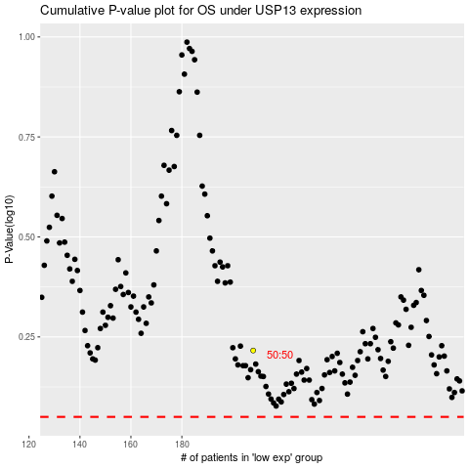

 |  |  |  |  |  | cases_OS | p_OS | rank | exp
 |  |  |  |  |  |  | cases_RFS | p_RFS | rank | exp

