USP15 _multivariate
Reported by Tex Li-Hsing Chi. tex@gate.sinica.edu.tw 2019-08-15

Table 2. The clinicopathological features of HNSCC cohort and USP15 expression. (Chi square test)
Cutoff at -0.118 (50.0%)
 |  | USP15 expression |  | USP15 expression |  | (Optimised)
 | Features | Low | (%) | High | (%) | Case no | P-value | Remark | Matthews
Gender | Female | 164 | 39.5 | 142 | 34.2 | 415 | 0.0153 | 1 | 0
2 | Male | 43 | 10.4 | 66 | 15.9
Age at diagnosis | <=65y | 153 | 36.9 | 121 | 29.2 | 415 | 0.001 | 1 | 0
4 | >65y | 54 | 13 | 87 | 21
Clinical T Status | T1+T2 | 74 | 17.8 | 75 | 18.1 | 415 | 1 | 0 | 0
6 | T3+T4 | 133 | 32 | 133 | 32
Clinical N Status | N0 | 103 | 24.8 | 113 | 27.2 | 415 | 0.4047 | 0 | 0
8 | N1-3 | 104 | 25.1 | 95 | 22.9
Clinical M Status | M0 | 207 | 49.9 | 205 | 49.4 | 415 | 0.2482 | 0 | 0
10 | M1 | 0 | 0 | 3 | 0.7
Clinical Stage | Stage I+II | 49 | 11.8 | 53 | 12.8 | 415 | 0.7535 | 0 | 0
12 | Stage III+IV | 158 | 38.1 | 155 | 37.3
Surgical Margin status | Negative | 158 | 38.1 | 160 | 38.6 | 415 | 0.9081 | 0 | 0
14 | Positive | 49 | 11.8 | 48 | 11.6
Tobacco Exposure | Low | 66 | 15.9 | 95 | 22.9 | 415 | 0.0048 | 1 | 0
16 | High | 141 | 34 | 113 | 27.2

Table 3. Univariate/Multivariate Cox's proportional hazards regression analyses on OS time of USP15 gene expression in HNSCC

 |  | Univariate |  |  |  | Multivariate
 | Features | HR | CI95%(L) | CI95%(H) | P-value | HR | CI95%(L) | CI95%(H) | P-value
1 | Female | 1 |  |  |  | 1
Gender | Male | 1.157 | 0.843 | 1.587 | 0.367 | 1.219 | 0.872 | 1.704 | 0.247
11 | <=65y | 1 |  |  |  | 1
Age at diagnosis | >65y | 1.329 | 0.99 | 1.784 | 0.058 | 1.432 | 1.051 | 1.951 | 0.023
12 | T1+T2 | 1 |  |  |  | 1
Clinical T Status | T3+T4 | 1.409 | 1.028 | 1.931 | 0.033 | 2.234 | 1.181 | 4.226 | 0.013
13 | N0 | 1 |  |  |  | 1
Clinical N Status | N1-3 | 1.185 | 0.89 | 1.577 | 0.246 | 1.225 | 0.858 | 1.749 | 0.264
14 | M0 | 1 |  |  |  | 1
Clinical M Status | M1 | 4.097 | 1.009 | 16.644 | 0.049 | 10.911 | 2.348 | 50.707 | 0.002
15 | Stage I+II | 1 |  |  |  | 1
Clinical Stage | Stage III+IV | 1.245 | 0.882 | 1.759 | 0.213 | 0.49 | 0.228 | 1.053 | 0.067
16 | Negative | 1 |  |  |  | 1
Surgical Margin status | Positive | 1.591 | 1.155 | 2.191 | 0.004 | 1.688 | 1.221 | 2.333 | 0.002
17 | Low | 1 |  |  |  | 1
Tobacco Exposure | High | 1.364 | 1.008 | 1.844 | 0.044 | 1.418 | 1.028 | 1.958 | 0.033
18 | Low | 1 |  |  |  | 1
RNAseq(z-score) | High | 0.84 | 0.63 | 1.119 | 0.233 | 0.797 | 0.591 | 1.073 | 0.135

Table 4. Univariate/Multivariate Cox's proportional hazards regression analyses on RFS time of USP15 gene expression in HNSCC

 |  | Univariate |  |  |  | Multivariate
 | Features | HR | CI95%(L) | CI95%(H) | P-value | HR | CI95%(L) | CI95%(H) | P-value
1 | Female | 1 |  |  |  | 1
Gender | Male | 1.157 | 0.843 | 1.587 | 0.367 | 1.219 | 0.872 | 1.704 | 0.247
11 | <=65y | 1 |  |  |  | 1
Age at diagnosis | >65y | 1.329 | 0.99 | 1.784 | 0.058 | 1.432 | 1.051 | 1.951 | 0.023
12 | T1+T2 | 1 |  |  |  | 1
Clinical T Status | T3+T4 | 1.409 | 1.028 | 1.931 | 0.033 | 2.234 | 1.181 | 4.226 | 0.013
13 | N0 | 1 |  |  |  | 1
Clinical N Status | N1-3 | 1.185 | 0.89 | 1.577 | 0.246 | 1.225 | 0.858 | 1.749 | 0.264
14 | M0 | 1 |  |  |  | 1
Clinical M Status | M1 | 4.097 | 1.009 | 16.644 | 0.049 | 10.911 | 2.348 | 50.707 | 0.002
15 | Stage I+II | 1 |  |  |  | 1
Clinical Stage | Stage III+IV | 1.245 | 0.882 | 1.759 | 0.213 | 0.49 | 0.228 | 1.053 | 0.067
16 | Negative | 1 |  |  |  | 1
Surgical Margin status | Positive | 1.591 | 1.155 | 2.191 | 0.004 | 1.688 | 1.221 | 2.333 | 0.002
17 | Low | 1 |  |  |  | 1
Tobacco Exposure | High | 1.364 | 1.008 | 1.844 | 0.044 | 1.418 | 1.028 | 1.958 | 0.033
18 | Low | 1 |  |  |  | 1
RNAseq(z-score) | High | 0.84 | 0.63 | 1.119 | 0.233 | 0.797 | 0.591 | 1.073 | 0.135

Kaplan-Meier survival estimate: Cutoff at -0.118 (50.0%)



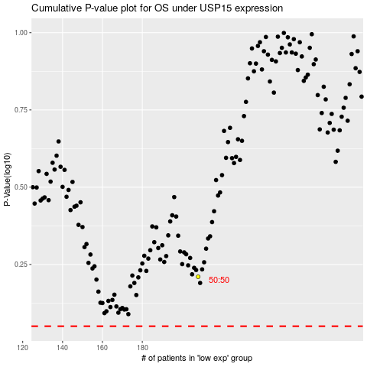

 |  |  |  |  |  | cases_OS | p_OS | rank | exp
 |  |  |  |  |  |  | cases_RFS | p_RFS | rank | exp

