USP20 _multivariate
Reported by Tex Li-Hsing Chi. tex@gate.sinica.edu.tw 2019-08-15

Table 2. The clinicopathological features of HNSCC cohort and USP20 expression. (Chi square test)
Cutoff at -0.249 (50.0%)
 |  | USP20 expression |  | USP20 expression |  | (Optimised)
 | Features | Low | (%) | High | (%) | Case no | P-value | Remark | Matthews
Gender | Female | 153 | 36.9 | 153 | 36.9 | 415 | 1 | 0 | 0
2 | Male | 54 | 13 | 55 | 13.3
Age at diagnosis | <=65y | 130 | 31.3 | 144 | 34.7 | 415 | 0.2009 | 0 | 0
4 | >65y | 77 | 18.6 | 64 | 15.4
Clinical T Status | T1+T2 | 72 | 17.3 | 77 | 18.6 | 415 | 0.7095 | 0 | 0
6 | T3+T4 | 135 | 32.5 | 131 | 31.6
Clinical N Status | N0 | 106 | 25.5 | 110 | 26.5 | 415 | 0.8075 | 0 | 0
8 | N1-3 | 101 | 24.3 | 98 | 23.6
Clinical M Status | M0 | 205 | 49.4 | 207 | 49.9 | 415 | 0.6232 | 0 | 0
10 | M1 | 2 | 0.5 | 1 | 0.2
Clinical Stage | Stage I+II | 52 | 12.5 | 50 | 12 | 415 | 0.8871 | 0 | 0
12 | Stage III+IV | 155 | 37.3 | 158 | 38.1
Surgical Margin status | Negative | 159 | 38.3 | 159 | 38.3 | 415 | 1 | 0 | 0
14 | Positive | 48 | 11.6 | 49 | 11.8
Tobacco Exposure | Low | 80 | 19.3 | 81 | 19.5 | 415 | 1 | 0 | 0
16 | High | 127 | 30.6 | 127 | 30.6

Table 3. Univariate/Multivariate Cox's proportional hazards regression analyses on OS time of USP20 gene expression in HNSCC

 |  | Univariate |  |  |  | Multivariate
 | Features | HR | CI95%(L) | CI95%(H) | P-value | HR | CI95%(L) | CI95%(H) | P-value
1 | Female | 1 |  |  |  | 1
Gender | Male | 1.157 | 0.843 | 1.587 | 0.367 | 1.204 | 0.862 | 1.682 | 0.276
11 | <=65y | 1 |  |  |  | 1
Age at diagnosis | >65y | 1.329 | 0.99 | 1.784 | 0.058 | 1.394 | 1.026 | 1.894 | 0.034
12 | T1+T2 | 1 |  |  |  | 1
Clinical T Status | T3+T4 | 1.409 | 1.028 | 1.931 | 0.033 | 2.181 | 1.153 | 4.127 | 0.016
13 | N0 | 1 |  |  |  | 1
Clinical N Status | N1-3 | 1.185 | 0.89 | 1.577 | 0.246 | 1.241 | 0.87 | 1.771 | 0.234
14 | M0 | 1 |  |  |  | 1
Clinical M Status | M1 | 4.097 | 1.009 | 16.644 | 0.049 | 9.105 | 1.978 | 41.906 | 0.005
15 | Stage I+II | 1 |  |  |  | 1
Clinical Stage | Stage III+IV | 1.245 | 0.882 | 1.759 | 0.213 | 0.511 | 0.238 | 1.098 | 0.085
16 | Negative | 1 |  |  |  | 1
Surgical Margin status | Positive | 1.591 | 1.155 | 2.191 | 0.004 | 1.675 | 1.212 | 2.314 | 0.002
17 | Low | 1 |  |  |  | 1
Tobacco Exposure | High | 1.364 | 1.008 | 1.844 | 0.044 | 1.45 | 1.052 | 1.998 | 0.023
18 | Low | 1 |  |  |  | 1
RNAseq(z-score) | High | 0.904 | 0.677 | 1.207 | 0.494 | 0.92 | 0.688 | 1.23 | 0.573

Table 4. Univariate/Multivariate Cox's proportional hazards regression analyses on RFS time of USP20 gene expression in HNSCC

 |  | Univariate |  |  |  | Multivariate
 | Features | HR | CI95%(L) | CI95%(H) | P-value | HR | CI95%(L) | CI95%(H) | P-value
1 | Female | 1 |  |  |  | 1
Gender | Male | 1.157 | 0.843 | 1.587 | 0.367 | 1.204 | 0.862 | 1.682 | 0.276
11 | <=65y | 1 |  |  |  | 1
Age at diagnosis | >65y | 1.329 | 0.99 | 1.784 | 0.058 | 1.394 | 1.026 | 1.894 | 0.034
12 | T1+T2 | 1 |  |  |  | 1
Clinical T Status | T3+T4 | 1.409 | 1.028 | 1.931 | 0.033 | 2.181 | 1.153 | 4.127 | 0.016
13 | N0 | 1 |  |  |  | 1
Clinical N Status | N1-3 | 1.185 | 0.89 | 1.577 | 0.246 | 1.241 | 0.87 | 1.771 | 0.234
14 | M0 | 1 |  |  |  | 1
Clinical M Status | M1 | 4.097 | 1.009 | 16.644 | 0.049 | 9.105 | 1.978 | 41.906 | 0.005
15 | Stage I+II | 1 |  |  |  | 1
Clinical Stage | Stage III+IV | 1.245 | 0.882 | 1.759 | 0.213 | 0.511 | 0.238 | 1.098 | 0.085
16 | Negative | 1 |  |  |  | 1
Surgical Margin status | Positive | 1.591 | 1.155 | 2.191 | 0.004 | 1.675 | 1.212 | 2.314 | 0.002
17 | Low | 1 |  |  |  | 1
Tobacco Exposure | High | 1.364 | 1.008 | 1.844 | 0.044 | 1.45 | 1.052 | 1.998 | 0.023
18 | Low | 1 |  |  |  | 1
RNAseq(z-score) | High | 0.904 | 0.677 | 1.207 | 0.494 | 0.92 | 0.688 | 1.23 | 0.573

Kaplan-Meier survival estimate: Cutoff at -0.249 (50.0%)



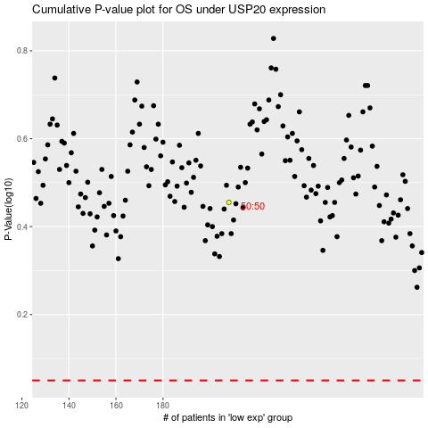

 |  |  |  |  |  | cases_OS | p_OS | rank | exp
 |  |  |  |  |  |  | cases_RFS | p_RFS | rank | exp

