USP21 _multivariate
Reported by Tex Li-Hsing Chi. tex@gate.sinica.edu.tw 2019-08-15

Table 2. The clinicopathological features of HNSCC cohort and USP21 expression. (Chi square test)
Cutoff at -0.284 (49.8%)
 |  | USP21 expression |  | USP21 expression |  | (Optimised)
 | Features | Low | (%) | High | (%) | Case no | P-value | Remark | Matthews
Gender | Female | 146 | 35.2 | 160 | 38.6 | 415 | 0.1714 | 0 | 0
2 | Male | 61 | 14.7 | 48 | 11.6
Age at diagnosis | <=65y | 129 | 31.1 | 145 | 34.9 | 415 | 0.1372 | 0 | 0
4 | >65y | 78 | 18.8 | 63 | 15.2
Clinical T Status | T1+T2 | 73 | 17.6 | 76 | 18.3 | 415 | 0.8666 | 0 | 0
6 | T3+T4 | 134 | 32.3 | 132 | 31.8
Clinical N Status | N0 | 107 | 25.8 | 109 | 26.3 | 415 | 0.9624 | 0 | 0
8 | N1-3 | 100 | 24.1 | 99 | 23.9
Clinical M Status | M0 | 207 | 49.9 | 205 | 49.4 | 415 | 0.2482 | 0 | 0
10 | M1 | 0 | 0 | 3 | 0.7
Clinical Stage | Stage I+II | 54 | 13 | 48 | 11.6 | 415 | 0.5498 | 0 | 0
12 | Stage III+IV | 153 | 36.9 | 160 | 38.6
Surgical Margin status | Negative | 158 | 38.1 | 160 | 38.6 | 415 | 0.9081 | 0 | 0
14 | Positive | 49 | 11.8 | 48 | 11.6
Tobacco Exposure | Low | 89 | 21.4 | 72 | 17.3 | 415 | 0.0872 | 0 | 0
16 | High | 118 | 28.4 | 136 | 32.8

Table 3. Univariate/Multivariate Cox's proportional hazards regression analyses on OS time of USP21 gene expression in HNSCC

 |  | Univariate |  |  |  | Multivariate
 | Features | HR | CI95%(L) | CI95%(H) | P-value | HR | CI95%(L) | CI95%(H) | P-value
1 | Female | 1 |  |  |  | 1
Gender | Male | 1.157 | 0.843 | 1.587 | 0.367 | 1.187 | 0.849 | 1.66 | 0.315
11 | <=65y | 1 |  |  |  | 1
Age at diagnosis | >65y | 1.329 | 0.99 | 1.784 | 0.058 | 1.372 | 1.008 | 1.868 | 0.044
12 | T1+T2 | 1 |  |  |  | 1
Clinical T Status | T3+T4 | 1.409 | 1.028 | 1.931 | 0.033 | 2.172 | 1.148 | 4.109 | 0.017
13 | N0 | 1 |  |  |  | 1
Clinical N Status | N1-3 | 1.185 | 0.89 | 1.577 | 0.246 | 1.226 | 0.859 | 1.751 | 0.262
14 | M0 | 1 |  |  |  | 1
Clinical M Status | M1 | 4.097 | 1.009 | 16.644 | 0.049 | 10.024 | 2.175 | 46.206 | 0.003
15 | Stage I+II | 1 |  |  |  | 1
Clinical Stage | Stage III+IV | 1.245 | 0.882 | 1.759 | 0.213 | 0.518 | 0.241 | 1.113 | 0.092
16 | Negative | 1 |  |  |  | 1
Surgical Margin status | Positive | 1.591 | 1.155 | 2.191 | 0.004 | 1.693 | 1.223 | 2.341 | 0.001
17 | Low | 1 |  |  |  | 1
Tobacco Exposure | High | 1.364 | 1.008 | 1.844 | 0.044 | 1.465 | 1.062 | 2.021 | 0.02
18 | Low | 1 |  |  |  | 1
RNAseq(z-score) | High | 0.877 | 0.658 | 1.168 | 0.369 | 0.863 | 0.643 | 1.158 | 0.325

Table 4. Univariate/Multivariate Cox's proportional hazards regression analyses on RFS time of USP21 gene expression in HNSCC

 |  | Univariate |  |  |  | Multivariate
 | Features | HR | CI95%(L) | CI95%(H) | P-value | HR | CI95%(L) | CI95%(H) | P-value
1 | Female | 1 |  |  |  | 1
Gender | Male | 1.157 | 0.843 | 1.587 | 0.367 | 1.187 | 0.849 | 1.66 | 0.315
11 | <=65y | 1 |  |  |  | 1
Age at diagnosis | >65y | 1.329 | 0.99 | 1.784 | 0.058 | 1.372 | 1.008 | 1.868 | 0.044
12 | T1+T2 | 1 |  |  |  | 1
Clinical T Status | T3+T4 | 1.409 | 1.028 | 1.931 | 0.033 | 2.172 | 1.148 | 4.109 | 0.017
13 | N0 | 1 |  |  |  | 1
Clinical N Status | N1-3 | 1.185 | 0.89 | 1.577 | 0.246 | 1.226 | 0.859 | 1.751 | 0.262
14 | M0 | 1 |  |  |  | 1
Clinical M Status | M1 | 4.097 | 1.009 | 16.644 | 0.049 | 10.024 | 2.175 | 46.206 | 0.003
15 | Stage I+II | 1 |  |  |  | 1
Clinical Stage | Stage III+IV | 1.245 | 0.882 | 1.759 | 0.213 | 0.518 | 0.241 | 1.113 | 0.092
16 | Negative | 1 |  |  |  | 1
Surgical Margin status | Positive | 1.591 | 1.155 | 2.191 | 0.004 | 1.693 | 1.223 | 2.341 | 0.001
17 | Low | 1 |  |  |  | 1
Tobacco Exposure | High | 1.364 | 1.008 | 1.844 | 0.044 | 1.465 | 1.062 | 2.021 | 0.02
18 | Low | 1 |  |  |  | 1
RNAseq(z-score) | High | 0.877 | 0.658 | 1.168 | 0.369 | 0.863 | 0.643 | 1.158 | 0.325

Kaplan-Meier survival estimate: Cutoff at -0.284 (49.8%)



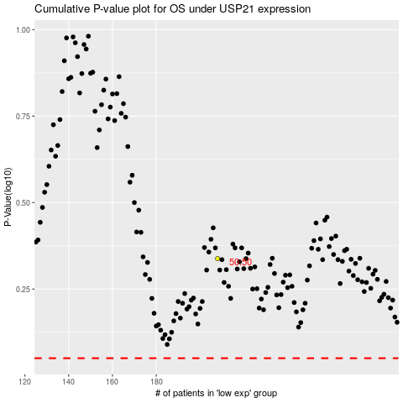

 |  |  |  |  |  | cases_OS | p_OS | rank | exp
 |  |  |  |  |  |  | cases_RFS | p_RFS | rank | exp

