USP22 _multivariate
Reported by Tex Li-Hsing Chi. tex@gate.sinica.edu.tw 2019-08-15

Table 2. The clinicopathological features of HNSCC cohort and USP22 expression. (Chi square test)
Cutoff at -0.071 (51.4%)
 |  | USP22 expression |  | USP22 expression |  | (Optimised)
 | Features | Low | (%) | High | (%) | Case no | P-value | Remark | Matthews
Gender | Female | 150 | 36.1 | 156 | 37.6 | 415 | 0.1036 | 0 | 0
2 | Male | 64 | 15.4 | 45 | 10.8
Age at diagnosis | <=65y | 138 | 33.3 | 136 | 32.8 | 415 | 0.5626 | 0 | 0
4 | >65y | 76 | 18.3 | 65 | 15.7
Clinical T Status | T1+T2 | 70 | 16.9 | 79 | 19 | 415 | 0.1947 | 0 | 0
6 | T3+T4 | 144 | 34.7 | 122 | 29.4
Clinical N Status | N0 | 104 | 25.1 | 112 | 27 | 415 | 0.176 | 0 | 0
8 | N1-3 | 110 | 26.5 | 89 | 21.4
Clinical M Status | M0 | 211 | 50.8 | 201 | 48.4 | 415 | 0.2489 | 0 | 0
10 | M1 | 3 | 0.7 | 0 | 0
Clinical Stage | Stage I+II | 46 | 11.1 | 56 | 13.5 | 415 | 0.1642 | 0 | 0
12 | Stage III+IV | 168 | 40.5 | 145 | 34.9
Surgical Margin status | Negative | 156 | 37.6 | 162 | 39 | 415 | 0.0814 | 0 | 0
14 | Positive | 58 | 14 | 39 | 9.4
Tobacco Exposure | Low | 83 | 20 | 78 | 18.8 | 415 | 1 | 0 | 0
16 | High | 131 | 31.6 | 123 | 29.6

Table 3. Univariate/Multivariate Cox's proportional hazards regression analyses on OS time of USP22 gene expression in HNSCC

 |  | Univariate |  |  |  | Multivariate
 | Features | HR | CI95%(L) | CI95%(H) | P-value | HR | CI95%(L) | CI95%(H) | P-value
1 | Female | 1 |  |  |  | 1
Gender | Male | 1.157 | 0.843 | 1.587 | 0.367 | 1.166 | 0.831 | 1.634 | 0.374
11 | <=65y | 1 |  |  |  | 1
Age at diagnosis | >65y | 1.329 | 0.99 | 1.784 | 0.058 | 1.39 | 1.023 | 1.889 | 0.035
12 | T1+T2 | 1 |  |  |  | 1
Clinical T Status | T3+T4 | 1.409 | 1.028 | 1.931 | 0.033 | 2.178 | 1.152 | 4.118 | 0.017
13 | N0 | 1 |  |  |  | 1
Clinical N Status | N1-3 | 1.185 | 0.89 | 1.577 | 0.246 | 1.217 | 0.852 | 1.739 | 0.281
14 | M0 | 1 |  |  |  | 1
Clinical M Status | M1 | 4.097 | 1.009 | 16.644 | 0.049 | 8.595 | 1.86 | 39.711 | 0.006
15 | Stage I+II | 1 |  |  |  | 1
Clinical Stage | Stage III+IV | 1.245 | 0.882 | 1.759 | 0.213 | 0.513 | 0.239 | 1.1 | 0.086
16 | Negative | 1 |  |  |  | 1
Surgical Margin status | Positive | 1.591 | 1.155 | 2.191 | 0.004 | 1.622 | 1.169 | 2.251 | 0.004
17 | Low | 1 |  |  |  | 1
Tobacco Exposure | High | 1.364 | 1.008 | 1.844 | 0.044 | 1.439 | 1.044 | 1.982 | 0.026
18 | Low | 1 |  |  |  | 1
RNAseq(z-score) | High | 0.745 | 0.557 | 0.995 | 0.046 | 0.845 | 0.626 | 1.142 | 0.274

Table 4. Univariate/Multivariate Cox's proportional hazards regression analyses on RFS time of USP22 gene expression in HNSCC

 |  | Univariate |  |  |  | Multivariate
 | Features | HR | CI95%(L) | CI95%(H) | P-value | HR | CI95%(L) | CI95%(H) | P-value
1 | Female | 1 |  |  |  | 1
Gender | Male | 1.157 | 0.843 | 1.587 | 0.367 | 1.166 | 0.831 | 1.634 | 0.374
11 | <=65y | 1 |  |  |  | 1
Age at diagnosis | >65y | 1.329 | 0.99 | 1.784 | 0.058 | 1.39 | 1.023 | 1.889 | 0.035
12 | T1+T2 | 1 |  |  |  | 1
Clinical T Status | T3+T4 | 1.409 | 1.028 | 1.931 | 0.033 | 2.178 | 1.152 | 4.118 | 0.017
13 | N0 | 1 |  |  |  | 1
Clinical N Status | N1-3 | 1.185 | 0.89 | 1.577 | 0.246 | 1.217 | 0.852 | 1.739 | 0.281
14 | M0 | 1 |  |  |  | 1
Clinical M Status | M1 | 4.097 | 1.009 | 16.644 | 0.049 | 8.595 | 1.86 | 39.711 | 0.006
15 | Stage I+II | 1 |  |  |  | 1
Clinical Stage | Stage III+IV | 1.245 | 0.882 | 1.759 | 0.213 | 0.513 | 0.239 | 1.1 | 0.086
16 | Negative | 1 |  |  |  | 1
Surgical Margin status | Positive | 1.591 | 1.155 | 2.191 | 0.004 | 1.622 | 1.169 | 2.251 | 0.004
17 | Low | 1 |  |  |  | 1
Tobacco Exposure | High | 1.364 | 1.008 | 1.844 | 0.044 | 1.439 | 1.044 | 1.982 | 0.026
18 | Low | 1 |  |  |  | 1
RNAseq(z-score) | High | 0.745 | 0.557 | 0.995 | 0.046 | 0.845 | 0.626 | 1.142 | 0.274

Kaplan-Meier survival estimate: Cutoff at -0.071 (51.4%)



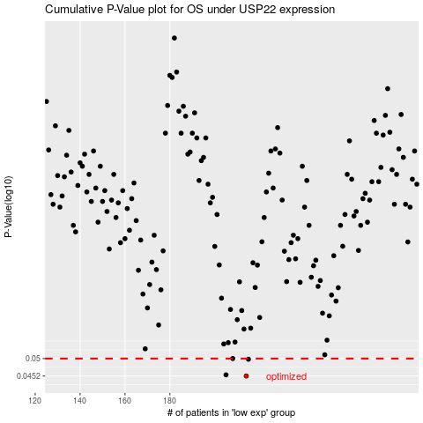

 |  |  |  |  |  | cases_OS | p_OS | rank | exp
 |  |  |  |  |  | 214 | 0.0452 | 147 | -0.071346486684
 |  |  |  |  |  | 205 | 0.0455 | 31 | -0.14763271525
 |  |  |  |  |  | 215 | 0.0498 | 164 | -0.06972519269
 |  |  |  |  |  | 208 | 0.05 | 359 | -0.10696369432
 |  |  |  |  |  |  | cases_RFS | p_RFS | rank | exp
 |  |  |  |  |  |  | 213 | 0.0452 | 69 | -0.073309767549
 |  |  |  |  |  |  | 204 | 0.0455 | 215 | -0.16657069343
 |  |  |  |  |  |  | 214 | 0.0498 | 147 | -0.071346486684
 |  |  |  |  |  |  | 207 | 0.05 | 113 | -0.10759276601

