USP24 _multivariate
Reported by Tex Li-Hsing Chi. tex@gate.sinica.edu.tw 2019-08-15

Table 2. The clinicopathological features of HNSCC cohort and USP24 expression. (Chi square test)
Cutoff at -0.036 (49.8%)
 |  | USP24 expression |  | USP24 expression |  | (Optimised)
 | Features | Low | (%) | High | (%) | Case no | P-value | Remark | Matthews
Gender | Female | 156 | 37.6 | 150 | 36.1 | 415 | 0.5222 | 0 | 0
2 | Male | 51 | 12.3 | 58 | 14
Age at diagnosis | <=65y | 134 | 32.3 | 140 | 33.7 | 415 | 0.6529 | 0 | 0
4 | >65y | 73 | 17.6 | 68 | 16.4
Clinical T Status | T1+T2 | 63 | 15.2 | 86 | 20.7 | 415 | 0.0268 | 1 | 0
6 | T3+T4 | 144 | 34.7 | 122 | 29.4
Clinical N Status | N0 | 110 | 26.5 | 106 | 25.5 | 415 | 0.7294 | 0 | 0
8 | N1-3 | 97 | 23.4 | 102 | 24.6
Clinical M Status | M0 | 204 | 49.2 | 208 | 50.1 | 415 | 0.1232 | 0 | 0
10 | M1 | 3 | 0.7 | 0 | 0
Clinical Stage | Stage I+II | 43 | 10.4 | 59 | 14.2 | 415 | 0.0925 | 0 | 0
12 | Stage III+IV | 164 | 39.5 | 149 | 35.9
Surgical Margin status | Negative | 153 | 36.9 | 165 | 39.8 | 415 | 0.2036 | 0 | 0
14 | Positive | 54 | 13 | 43 | 10.4
Tobacco Exposure | Low | 77 | 18.6 | 84 | 20.2 | 415 | 0.5459 | 0 | 0
16 | High | 130 | 31.3 | 124 | 29.9

Table 3. Univariate/Multivariate Cox's proportional hazards regression analyses on OS time of USP24 gene expression in HNSCC

 |  | Univariate |  |  |  | Multivariate
 | Features | HR | CI95%(L) | CI95%(H) | P-value | HR | CI95%(L) | CI95%(H) | P-value
1 | Female | 1 |  |  |  | 1
Gender | Male | 1.157 | 0.843 | 1.587 | 0.367 | 1.207 | 0.863 | 1.687 | 0.272
11 | <=65y | 1 |  |  |  | 1
Age at diagnosis | >65y | 1.329 | 0.99 | 1.784 | 0.058 | 1.39 | 1.022 | 1.889 | 0.036
12 | T1+T2 | 1 |  |  |  | 1
Clinical T Status | T3+T4 | 1.409 | 1.028 | 1.931 | 0.033 | 2.156 | 1.136 | 4.092 | 0.019
13 | N0 | 1 |  |  |  | 1
Clinical N Status | N1-3 | 1.185 | 0.89 | 1.577 | 0.246 | 1.243 | 0.871 | 1.773 | 0.231
14 | M0 | 1 |  |  |  | 1
Clinical M Status | M1 | 4.097 | 1.009 | 16.644 | 0.049 | 8.86 | 1.908 | 41.136 | 0.005
15 | Stage I+II | 1 |  |  |  | 1
Clinical Stage | Stage III+IV | 1.245 | 0.882 | 1.759 | 0.213 | 0.508 | 0.237 | 1.09 | 0.082
16 | Negative | 1 |  |  |  | 1
Surgical Margin status | Positive | 1.591 | 1.155 | 2.191 | 0.004 | 1.655 | 1.196 | 2.291 | 0.002
17 | Low | 1 |  |  |  | 1
Tobacco Exposure | High | 1.364 | 1.008 | 1.844 | 0.044 | 1.452 | 1.053 | 2.002 | 0.023
18 | Low | 1 |  |  |  | 1
RNAseq(z-score) | High | 0.817 | 0.613 | 1.088 | 0.167 | 0.916 | 0.682 | 1.229 | 0.559

Table 4. Univariate/Multivariate Cox's proportional hazards regression analyses on RFS time of USP24 gene expression in HNSCC

 |  | Univariate |  |  |  | Multivariate
 | Features | HR | CI95%(L) | CI95%(H) | P-value | HR | CI95%(L) | CI95%(H) | P-value
1 | Female | 1 |  |  |  | 1
Gender | Male | 1.157 | 0.843 | 1.587 | 0.367 | 1.207 | 0.863 | 1.687 | 0.272
11 | <=65y | 1 |  |  |  | 1
Age at diagnosis | >65y | 1.329 | 0.99 | 1.784 | 0.058 | 1.39 | 1.022 | 1.889 | 0.036
12 | T1+T2 | 1 |  |  |  | 1
Clinical T Status | T3+T4 | 1.409 | 1.028 | 1.931 | 0.033 | 2.156 | 1.136 | 4.092 | 0.019
13 | N0 | 1 |  |  |  | 1
Clinical N Status | N1-3 | 1.185 | 0.89 | 1.577 | 0.246 | 1.243 | 0.871 | 1.773 | 0.231
14 | M0 | 1 |  |  |  | 1
Clinical M Status | M1 | 4.097 | 1.009 | 16.644 | 0.049 | 8.86 | 1.908 | 41.136 | 0.005
15 | Stage I+II | 1 |  |  |  | 1
Clinical Stage | Stage III+IV | 1.245 | 0.882 | 1.759 | 0.213 | 0.508 | 0.237 | 1.09 | 0.082
16 | Negative | 1 |  |  |  | 1
Surgical Margin status | Positive | 1.591 | 1.155 | 2.191 | 0.004 | 1.655 | 1.196 | 2.291 | 0.002
17 | Low | 1 |  |  |  | 1
Tobacco Exposure | High | 1.364 | 1.008 | 1.844 | 0.044 | 1.452 | 1.053 | 2.002 | 0.023
18 | Low | 1 |  |  |  | 1
RNAseq(z-score) | High | 0.817 | 0.613 | 1.088 | 0.167 | 0.916 | 0.682 | 1.229 | 0.559

Kaplan-Meier survival estimate: Cutoff at -0.036 (49.8%)



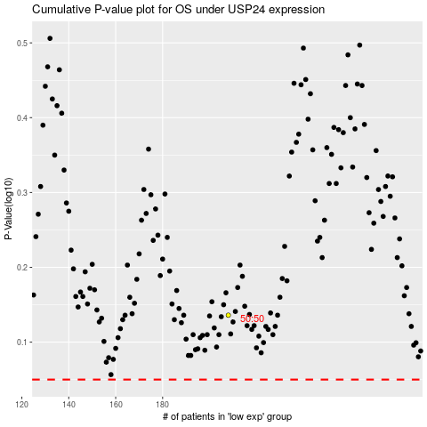

 |  |  |  |  |  | cases_OS | p_OS | rank | exp
 |  |  |  |  |  |  | cases_RFS | p_RFS | rank | exp

