USP27X _multivariate
Reported by Tex Li-Hsing Chi. tex@gate.sinica.edu.tw 2019-08-15

Table 2. The clinicopathological features of HNSCC cohort and USP27X expression. (Chi square test)
Cutoff at -0.555 (34.3%)
 |  | USP27X expression |  | USP27X expression |  | (Optimised)
 | Features | Low | (%) | High | (%) | Case no | P-value | Remark | Matthews
Gender | Female | 102 | 24.6 | 204 | 49.2 | 415 | 0.6044 | 0 | 0
2 | Male | 40 | 9.6 | 69 | 16.6
Age at diagnosis | <=65y | 83 | 20 | 191 | 46 | 415 | 0.0251 | 1 | 0
4 | >65y | 59 | 14.2 | 82 | 19.8
Clinical T Status | T1+T2 | 44 | 10.6 | 105 | 25.3 | 415 | 0.162 | 0 | 0
6 | T3+T4 | 98 | 23.6 | 168 | 40.5
Clinical N Status | N0 | 68 | 16.4 | 148 | 35.7 | 415 | 0.2627 | 0 | 0
8 | N1-3 | 74 | 17.8 | 125 | 30.1
Clinical M Status | M0 | 141 | 34 | 271 | 65.3 | 415 | 1 | 0 | 0
10 | M1 | 1 | 0.2 | 2 | 0.5
Clinical Stage | Stage I+II | 30 | 7.2 | 72 | 17.3 | 415 | 0.2902 | 0 | 0
12 | Stage III+IV | 112 | 27 | 201 | 48.4
Surgical Margin status | Negative | 107 | 25.8 | 211 | 50.8 | 415 | 0.714 | 0 | 0
14 | Positive | 35 | 8.4 | 62 | 14.9
Tobacco Exposure | Low | 62 | 14.9 | 99 | 23.9 | 415 | 0.1675 | 0 | 0
16 | High | 80 | 19.3 | 174 | 41.9

Table 3. Univariate/Multivariate Cox's proportional hazards regression analyses on OS time of USP27X gene expression in HNSCC

 |  | Univariate |  |  |  | Multivariate
 | Features | HR | CI95%(L) | CI95%(H) | P-value | HR | CI95%(L) | CI95%(H) | P-value
1 | Female | 1 |  |  |  | 1
Gender | Male | 1.157 | 0.843 | 1.587 | 0.367 | 1.193 | 0.853 | 1.668 | 0.303
11 | <=65y | 1 |  |  |  | 1
Age at diagnosis | >65y | 1.329 | 0.99 | 1.784 | 0.058 | 1.325 | 0.971 | 1.807 | 0.076
12 | T1+T2 | 1 |  |  |  | 1
Clinical T Status | T3+T4 | 1.409 | 1.028 | 1.931 | 0.033 | 2.128 | 1.126 | 4.022 | 0.02
13 | N0 | 1 |  |  |  | 1
Clinical N Status | N1-3 | 1.185 | 0.89 | 1.577 | 0.246 | 1.218 | 0.854 | 1.737 | 0.277
14 | M0 | 1 |  |  |  | 1
Clinical M Status | M1 | 4.097 | 1.009 | 16.644 | 0.049 | 8.917 | 1.944 | 40.912 | 0.005
15 | Stage I+II | 1 |  |  |  | 1
Clinical Stage | Stage III+IV | 1.245 | 0.882 | 1.759 | 0.213 | 0.513 | 0.239 | 1.1 | 0.086
16 | Negative | 1 |  |  |  | 1
Surgical Margin status | Positive | 1.591 | 1.155 | 2.191 | 0.004 | 1.632 | 1.18 | 2.256 | 0.003
17 | Low | 1 |  |  |  | 1
Tobacco Exposure | High | 1.364 | 1.008 | 1.844 | 0.044 | 1.493 | 1.08 | 2.064 | 0.015
18 | Low | 1 |  |  |  | 1
RNAseq(z-score) | High | 0.668 | 0.498 | 0.895 | 0.007 | 0.721 | 0.534 | 0.974 | 0.033

Table 4. Univariate/Multivariate Cox's proportional hazards regression analyses on RFS time of USP27X gene expression in HNSCC

 |  | Univariate |  |  |  | Multivariate
 | Features | HR | CI95%(L) | CI95%(H) | P-value | HR | CI95%(L) | CI95%(H) | P-value
1 | Female | 1 |  |  |  | 1
Gender | Male | 1.157 | 0.843 | 1.587 | 0.367 | 1.193 | 0.853 | 1.668 | 0.303
11 | <=65y | 1 |  |  |  | 1
Age at diagnosis | >65y | 1.329 | 0.99 | 1.784 | 0.058 | 1.325 | 0.971 | 1.807 | 0.076
12 | T1+T2 | 1 |  |  |  | 1
Clinical T Status | T3+T4 | 1.409 | 1.028 | 1.931 | 0.033 | 2.128 | 1.126 | 4.022 | 0.02
13 | N0 | 1 |  |  |  | 1
Clinical N Status | N1-3 | 1.185 | 0.89 | 1.577 | 0.246 | 1.218 | 0.854 | 1.737 | 0.277
14 | M0 | 1 |  |  |  | 1
Clinical M Status | M1 | 4.097 | 1.009 | 16.644 | 0.049 | 8.917 | 1.944 | 40.912 | 0.005
15 | Stage I+II | 1 |  |  |  | 1
Clinical Stage | Stage III+IV | 1.245 | 0.882 | 1.759 | 0.213 | 0.513 | 0.239 | 1.1 | 0.086
16 | Negative | 1 |  |  |  | 1
Surgical Margin status | Positive | 1.591 | 1.155 | 2.191 | 0.004 | 1.632 | 1.18 | 2.256 | 0.003
17 | Low | 1 |  |  |  | 1
Tobacco Exposure | High | 1.364 | 1.008 | 1.844 | 0.044 | 1.493 | 1.08 | 2.064 | 0.015
18 | Low | 1 |  |  |  | 1
RNAseq(z-score) | High | 0.668 | 0.498 | 0.895 | 0.007 | 0.721 | 0.534 | 0.974 | 0.033

Kaplan-Meier survival estimate: Cutoff at -0.555 (34.3%)

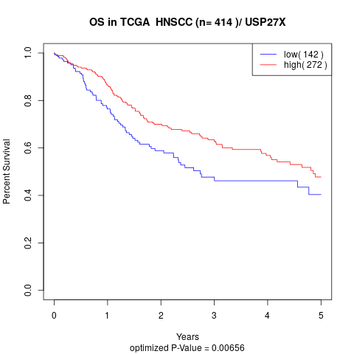

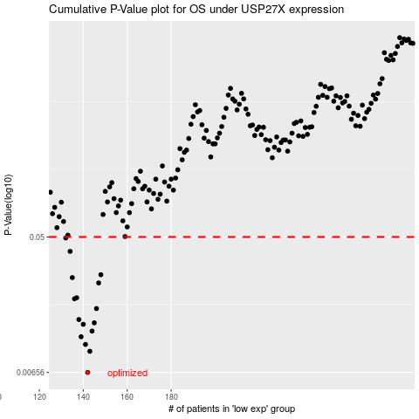

 |  |  |  |  |  | cases_OS | p_OS | rank | exp
 |  |  |  |  |  | 142 | 0.00656 | 112 | -0.55518460725
 |  |  |  |  |  | 143 | 0.00901 | 121 | -0.55504289545
 |  |  |  |  |  | 141 | 0.00999 | 191 | -0.55705087955
 |  |  |  |  |  | 139 | 0.0112 | 252 | -0.56007006138
 |  |  |  |  |  | 144 | 0.0122 | 22 | -0.55393081813
 |  |  |  |  |  | 140 | 0.0135 | 263 | -0.55783629917
 |  |  |  |  |  | 145 | 0.0138 | 15 | -0.55231914668
 |  |  |  |  |  | 138 | 0.0145 | 375 | -0.56066332941
 |  |  |  |  |  | 146 | 0.0171 | 120 | -0.55112300304
 |  |  |  |  |  | 136 | 0.0198 | 228 | -0.56907716709
 |  |  |  |  |  | 137 | 0.0201 | 58 | -0.56903393298
 |  |  |  |  |  | 147 | 0.0251 | 307 | -0.55033518153
 |  |  |  |  |  | 135 | 0.0272 | 23 | -0.57471921811
 |  |  |  |  |  | 148 | 0.0284 | 245 | -0.5483416088
 |  |  |  |  |  | 134 | 0.0403 | 225 | -0.57847578166
 |  |  |  |  |  | 132 | 0.0493 | 145 | -0.58689922692
 |  |  |  |  |  |  | cases_RFS | p_RFS | rank | exp
 |  |  |  |  |  |  | 141 | 0.00656 | 191 | -0.55705087955
 |  |  |  |  |  |  | 142 | 0.00901 | 112 | -0.55518460725
 |  |  |  |  |  |  | 140 | 0.00999 | 263 | -0.55783629917
 |  |  |  |  |  |  | 138 | 0.0112 | 375 | -0.56066332941
 |  |  |  |  |  |  | 143 | 0.0122 | 121 | -0.55504289545
 |  |  |  |  |  |  | 139 | 0.0135 | 252 | -0.56007006138
 |  |  |  |  |  |  | 144 | 0.0138 | 22 | -0.55393081813
 |  |  |  |  |  |  | 137 | 0.0145 | 58 | -0.56903393298
 |  |  |  |  |  |  | 145 | 0.0171 | 15 | -0.55231914668
 |  |  |  |  |  |  | 135 | 0.0198 | 23 | -0.57471921811
 |  |  |  |  |  |  | 136 | 0.0201 | 228 | -0.56907716709
 |  |  |  |  |  |  | 146 | 0.0251 | 120 | -0.55112300304
 |  |  |  |  |  |  | 134 | 0.0272 | 225 | -0.57847578166
 |  |  |  |  |  |  | 147 | 0.0284 | 307 | -0.55033518153
 |  |  |  |  |  |  | 133 | 0.0403 | 143 | -0.58414905731
 |  |  |  |  |  |  | 131 | 0.0493 | 176 | -0.58704574251

