USP3 _multivariate
Reported by Tex Li-Hsing Chi. tex@gate.sinica.edu.tw 2019-08-15

Table 2. The clinicopathological features of HNSCC cohort and USP3 expression. (Chi square test)
Cutoff at -0.128 (50.0%)
 |  | USP3 expression |  | USP3 expression |  | (Optimised)
 | Features | Low | (%) | High | (%) | Case no | P-value | Remark | Matthews
Gender | Female | 152 | 36.6 | 154 | 37.1 | 415 | 0.9766 | 0 | 0
2 | Male | 55 | 13.3 | 54 | 13
Age at diagnosis | <=65y | 145 | 34.9 | 129 | 31.1 | 415 | 0.1046 | 0 | 0
4 | >65y | 62 | 14.9 | 79 | 19
Clinical T Status | T1+T2 | 93 | 22.4 | 56 | 13.5 | 415 | 2e-04 | 1 | 0
6 | T3+T4 | 114 | 27.5 | 152 | 36.6
Clinical N Status | N0 | 102 | 24.6 | 114 | 27.5 | 415 | 0.3031 | 0 | 0
8 | N1-3 | 105 | 25.3 | 94 | 22.7
Clinical M Status | M0 | 205 | 49.4 | 207 | 49.9 | 415 | 0.6232 | 0 | 0
10 | M1 | 2 | 0.5 | 1 | 0.2
Clinical Stage | Stage I+II | 61 | 14.7 | 41 | 9.9 | 415 | 0.0282 | 1 | 0
12 | Stage III+IV | 146 | 35.2 | 167 | 40.2
Surgical Margin status | Negative | 161 | 38.8 | 157 | 37.8 | 415 | 0.6429 | 0 | 0
14 | Positive | 46 | 11.1 | 51 | 12.3
Tobacco Exposure | Low | 90 | 21.7 | 71 | 17.1 | 415 | 0.0559 | 0 | 0
16 | High | 117 | 28.2 | 137 | 33

Table 3. Univariate/Multivariate Cox's proportional hazards regression analyses on OS time of USP3 gene expression in HNSCC

 |  | Univariate |  |  |  | Multivariate
 | Features | HR | CI95%(L) | CI95%(H) | P-value | HR | CI95%(L) | CI95%(H) | P-value
1 | Female | 1 |  |  |  | 1
Gender | Male | 1.157 | 0.843 | 1.587 | 0.367 | 1.209 | 0.866 | 1.688 | 0.266
11 | <=65y | 1 |  |  |  | 1
Age at diagnosis | >65y | 1.329 | 0.99 | 1.784 | 0.058 | 1.385 | 1.019 | 1.884 | 0.038
12 | T1+T2 | 1 |  |  |  | 1
Clinical T Status | T3+T4 | 1.409 | 1.028 | 1.931 | 0.033 | 2.164 | 1.144 | 4.093 | 0.018
13 | N0 | 1 |  |  |  | 1
Clinical N Status | N1-3 | 1.185 | 0.89 | 1.577 | 0.246 | 1.282 | 0.893 | 1.839 | 0.178
14 | M0 | 1 |  |  |  | 1
Clinical M Status | M1 | 4.097 | 1.009 | 16.644 | 0.049 | 9.667 | 2.107 | 44.364 | 0.004
15 | Stage I+II | 1 |  |  |  | 1
Clinical Stage | Stage III+IV | 1.245 | 0.882 | 1.759 | 0.213 | 0.493 | 0.23 | 1.06 | 0.07
16 | Negative | 1 |  |  |  | 1
Surgical Margin status | Positive | 1.591 | 1.155 | 2.191 | 0.004 | 1.656 | 1.198 | 2.289 | 0.002
17 | Low | 1 |  |  |  | 1
Tobacco Exposure | High | 1.364 | 1.008 | 1.844 | 0.044 | 1.448 | 1.051 | 1.995 | 0.024
18 | Low | 1 |  |  |  | 1
RNAseq(z-score) | High | 1.227 | 0.919 | 1.639 | 0.164 | 1.175 | 0.873 | 1.581 | 0.288

Table 4. Univariate/Multivariate Cox's proportional hazards regression analyses on RFS time of USP3 gene expression in HNSCC

 |  | Univariate |  |  |  | Multivariate
 | Features | HR | CI95%(L) | CI95%(H) | P-value | HR | CI95%(L) | CI95%(H) | P-value
1 | Female | 1 |  |  |  | 1
Gender | Male | 1.157 | 0.843 | 1.587 | 0.367 | 1.209 | 0.866 | 1.688 | 0.266
11 | <=65y | 1 |  |  |  | 1
Age at diagnosis | >65y | 1.329 | 0.99 | 1.784 | 0.058 | 1.385 | 1.019 | 1.884 | 0.038
12 | T1+T2 | 1 |  |  |  | 1
Clinical T Status | T3+T4 | 1.409 | 1.028 | 1.931 | 0.033 | 2.164 | 1.144 | 4.093 | 0.018
13 | N0 | 1 |  |  |  | 1
Clinical N Status | N1-3 | 1.185 | 0.89 | 1.577 | 0.246 | 1.282 | 0.893 | 1.839 | 0.178
14 | M0 | 1 |  |  |  | 1
Clinical M Status | M1 | 4.097 | 1.009 | 16.644 | 0.049 | 9.667 | 2.107 | 44.364 | 0.004
15 | Stage I+II | 1 |  |  |  | 1
Clinical Stage | Stage III+IV | 1.245 | 0.882 | 1.759 | 0.213 | 0.493 | 0.23 | 1.06 | 0.07
16 | Negative | 1 |  |  |  | 1
Surgical Margin status | Positive | 1.591 | 1.155 | 2.191 | 0.004 | 1.656 | 1.198 | 2.289 | 0.002
17 | Low | 1 |  |  |  | 1
Tobacco Exposure | High | 1.364 | 1.008 | 1.844 | 0.044 | 1.448 | 1.051 | 1.995 | 0.024
18 | Low | 1 |  |  |  | 1
RNAseq(z-score) | High | 1.227 | 0.919 | 1.639 | 0.164 | 1.175 | 0.873 | 1.581 | 0.288

Kaplan-Meier survival estimate: Cutoff at -0.128 (50.0%)



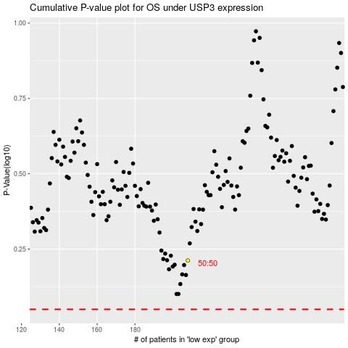

 |  |  |  |  |  | cases_OS | p_OS | rank | exp
 |  |  |  |  |  |  | cases_RFS | p_RFS | rank | exp

