USP31 _multivariate
Reported by Tex Li-Hsing Chi. tex@gate.sinica.edu.tw 2019-08-15

Table 2. The clinicopathological features of HNSCC cohort and USP31 expression. (Chi square test)
Cutoff at -0.048 (49.8%)
 |  | USP31 expression |  | USP31 expression |  | (Optimised)
 | Features | Low | (%) | High | (%) | Case no | P-value | Remark | Matthews
Gender | Female | 139 | 33.5 | 167 | 40.2 | 415 | 0.0034 | 1 | 0
2 | Male | 68 | 16.4 | 41 | 9.9
Age at diagnosis | <=65y | 129 | 31.1 | 145 | 34.9 | 415 | 0.1372 | 0 | 0
4 | >65y | 78 | 18.8 | 63 | 15.2
Clinical T Status | T1+T2 | 80 | 19.3 | 69 | 16.6 | 415 | 0.2891 | 0 | 0
6 | T3+T4 | 127 | 30.6 | 139 | 33.5
Clinical N Status | N0 | 107 | 25.8 | 109 | 26.3 | 415 | 0.9624 | 0 | 0
8 | N1-3 | 100 | 24.1 | 99 | 23.9
Clinical M Status | M0 | 207 | 49.9 | 205 | 49.4 | 415 | 0.2482 | 0 | 0
10 | M1 | 0 | 0 | 3 | 0.7
Clinical Stage | Stage I+II | 57 | 13.7 | 45 | 10.8 | 415 | 0.1998 | 0 | 0
12 | Stage III+IV | 150 | 36.1 | 163 | 39.3
Surgical Margin status | Negative | 152 | 36.6 | 166 | 40 | 415 | 0.1329 | 0 | 0
14 | Positive | 55 | 13.3 | 42 | 10.1
Tobacco Exposure | Low | 88 | 21.2 | 73 | 17.6 | 415 | 0.1314 | 0 | 0
16 | High | 119 | 28.7 | 135 | 32.5

Table 3. Univariate/Multivariate Cox's proportional hazards regression analyses on OS time of USP31 gene expression in HNSCC

 |  | Univariate |  |  |  | Multivariate
 | Features | HR | CI95%(L) | CI95%(H) | P-value | HR | CI95%(L) | CI95%(H) | P-value
1 | Female | 1 |  |  |  | 1
Gender | Male | 1.157 | 0.843 | 1.587 | 0.367 | 1.212 | 0.865 | 1.699 | 0.265
11 | <=65y | 1 |  |  |  | 1
Age at diagnosis | >65y | 1.329 | 0.99 | 1.784 | 0.058 | 1.395 | 1.026 | 1.897 | 0.034
12 | T1+T2 | 1 |  |  |  | 1
Clinical T Status | T3+T4 | 1.409 | 1.028 | 1.931 | 0.033 | 2.212 | 1.169 | 4.185 | 0.015
13 | N0 | 1 |  |  |  | 1
Clinical N Status | N1-3 | 1.185 | 0.89 | 1.577 | 0.246 | 1.246 | 0.872 | 1.778 | 0.227
14 | M0 | 1 |  |  |  | 1
Clinical M Status | M1 | 4.097 | 1.009 | 16.644 | 0.049 | 9.215 | 2.002 | 42.414 | 0.004
15 | Stage I+II | 1 |  |  |  | 1
Clinical Stage | Stage III+IV | 1.245 | 0.882 | 1.759 | 0.213 | 0.499 | 0.232 | 1.074 | 0.075
16 | Negative | 1 |  |  |  | 1
Surgical Margin status | Positive | 1.591 | 1.155 | 2.191 | 0.004 | 1.683 | 1.215 | 2.331 | 0.002
17 | Low | 1 |  |  |  | 1
Tobacco Exposure | High | 1.364 | 1.008 | 1.844 | 0.044 | 1.445 | 1.048 | 1.994 | 0.025
18 | Low | 1 |  |  |  | 1
RNAseq(z-score) | High | 1.029 | 0.771 | 1.374 | 0.845 | 1.056 | 0.781 | 1.428 | 0.722

Table 4. Univariate/Multivariate Cox's proportional hazards regression analyses on RFS time of USP31 gene expression in HNSCC

 |  | Univariate |  |  |  | Multivariate
 | Features | HR | CI95%(L) | CI95%(H) | P-value | HR | CI95%(L) | CI95%(H) | P-value
1 | Female | 1 |  |  |  | 1
Gender | Male | 1.157 | 0.843 | 1.587 | 0.367 | 1.212 | 0.865 | 1.699 | 0.265
11 | <=65y | 1 |  |  |  | 1
Age at diagnosis | >65y | 1.329 | 0.99 | 1.784 | 0.058 | 1.395 | 1.026 | 1.897 | 0.034
12 | T1+T2 | 1 |  |  |  | 1
Clinical T Status | T3+T4 | 1.409 | 1.028 | 1.931 | 0.033 | 2.212 | 1.169 | 4.185 | 0.015
13 | N0 | 1 |  |  |  | 1
Clinical N Status | N1-3 | 1.185 | 0.89 | 1.577 | 0.246 | 1.246 | 0.872 | 1.778 | 0.227
14 | M0 | 1 |  |  |  | 1
Clinical M Status | M1 | 4.097 | 1.009 | 16.644 | 0.049 | 9.215 | 2.002 | 42.414 | 0.004
15 | Stage I+II | 1 |  |  |  | 1
Clinical Stage | Stage III+IV | 1.245 | 0.882 | 1.759 | 0.213 | 0.499 | 0.232 | 1.074 | 0.075
16 | Negative | 1 |  |  |  | 1
Surgical Margin status | Positive | 1.591 | 1.155 | 2.191 | 0.004 | 1.683 | 1.215 | 2.331 | 0.002
17 | Low | 1 |  |  |  | 1
Tobacco Exposure | High | 1.364 | 1.008 | 1.844 | 0.044 | 1.445 | 1.048 | 1.994 | 0.025
18 | Low | 1 |  |  |  | 1
RNAseq(z-score) | High | 1.029 | 0.771 | 1.374 | 0.845 | 1.056 | 0.781 | 1.428 | 0.722

Kaplan-Meier survival estimate: Cutoff at -0.048 (49.8%)

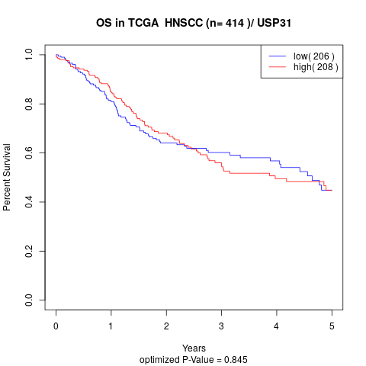

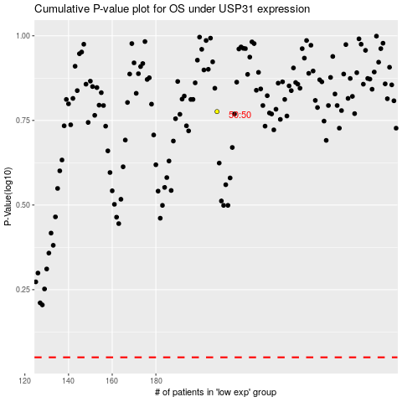

 |  |  |  |  |  | cases_OS | p_OS | rank | exp
 |  |  |  |  |  |  | cases_RFS | p_RFS | rank | exp

