USP33 _multivariate
Reported by Tex Li-Hsing Chi. tex@gate.sinica.edu.tw 2019-08-15

Table 2. The clinicopathological features of HNSCC cohort and USP33 expression. (Chi square test)
Cutoff at -0.142 (49.8%)
 |  | USP33 expression |  | USP33 expression |  | (Optimised)
 | Features | Low | (%) | High | (%) | Case no | P-value | Remark | Matthews
Gender | Female | 162 | 39 | 144 | 34.7 | 415 | 0.0479 | 1 | 0
2 | Male | 45 | 10.8 | 64 | 15.4
Age at diagnosis | <=65y | 134 | 32.3 | 140 | 33.7 | 415 | 0.6529 | 0 | 0
4 | >65y | 73 | 17.6 | 68 | 16.4
Clinical T Status | T1+T2 | 66 | 15.9 | 83 | 20 | 415 | 0.1095 | 0 | 0
6 | T3+T4 | 141 | 34 | 125 | 30.1
Clinical N Status | N0 | 112 | 27 | 104 | 25.1 | 415 | 0.4599 | 0 | 0
8 | N1-3 | 95 | 22.9 | 104 | 25.1
Clinical M Status | M0 | 204 | 49.2 | 208 | 50.1 | 415 | 0.1232 | 0 | 0
10 | M1 | 3 | 0.7 | 0 | 0
Clinical Stage | Stage I+II | 46 | 11.1 | 56 | 13.5 | 415 | 0.3182 | 0 | 0
12 | Stage III+IV | 161 | 38.8 | 152 | 36.6
Surgical Margin status | Negative | 163 | 39.3 | 155 | 37.3 | 415 | 0.3537 | 0 | 0
14 | Positive | 44 | 10.6 | 53 | 12.8
Tobacco Exposure | Low | 77 | 18.6 | 84 | 20.2 | 415 | 0.5459 | 0 | 0
16 | High | 130 | 31.3 | 124 | 29.9

Table 3. Univariate/Multivariate Cox's proportional hazards regression analyses on OS time of USP33 gene expression in HNSCC

 |  | Univariate |  |  |  | Multivariate
 | Features | HR | CI95%(L) | CI95%(H) | P-value | HR | CI95%(L) | CI95%(H) | P-value
1 | Female | 1 |  |  |  | 1
Gender | Male | 1.157 | 0.843 | 1.587 | 0.367 | 1.219 | 0.869 | 1.711 | 0.252
11 | <=65y | 1 |  |  |  | 1
Age at diagnosis | >65y | 1.329 | 0.99 | 1.784 | 0.058 | 1.387 | 1.021 | 1.886 | 0.037
12 | T1+T2 | 1 |  |  |  | 1
Clinical T Status | T3+T4 | 1.409 | 1.028 | 1.931 | 0.033 | 2.182 | 1.153 | 4.127 | 0.016
13 | N0 | 1 |  |  |  | 1
Clinical N Status | N1-3 | 1.185 | 0.89 | 1.577 | 0.246 | 1.253 | 0.877 | 1.791 | 0.215
14 | M0 | 1 |  |  |  | 1
Clinical M Status | M1 | 4.097 | 1.009 | 16.644 | 0.049 | 8.952 | 1.936 | 41.392 | 0.005
15 | Stage I+II | 1 |  |  |  | 1
Clinical Stage | Stage III+IV | 1.245 | 0.882 | 1.759 | 0.213 | 0.502 | 0.234 | 1.078 | 0.077
16 | Negative | 1 |  |  |  | 1
Surgical Margin status | Positive | 1.591 | 1.155 | 2.191 | 0.004 | 1.679 | 1.215 | 2.321 | 0.002
17 | Low | 1 |  |  |  | 1
Tobacco Exposure | High | 1.364 | 1.008 | 1.844 | 0.044 | 1.459 | 1.058 | 2.011 | 0.021
18 | Low | 1 |  |  |  | 1
RNAseq(z-score) | High | 0.913 | 0.684 | 1.217 | 0.534 | 0.916 | 0.681 | 1.231 | 0.559

Table 4. Univariate/Multivariate Cox's proportional hazards regression analyses on RFS time of USP33 gene expression in HNSCC

 |  | Univariate |  |  |  | Multivariate
 | Features | HR | CI95%(L) | CI95%(H) | P-value | HR | CI95%(L) | CI95%(H) | P-value
1 | Female | 1 |  |  |  | 1
Gender | Male | 1.157 | 0.843 | 1.587 | 0.367 | 1.219 | 0.869 | 1.711 | 0.252
11 | <=65y | 1 |  |  |  | 1
Age at diagnosis | >65y | 1.329 | 0.99 | 1.784 | 0.058 | 1.387 | 1.021 | 1.886 | 0.037
12 | T1+T2 | 1 |  |  |  | 1
Clinical T Status | T3+T4 | 1.409 | 1.028 | 1.931 | 0.033 | 2.182 | 1.153 | 4.127 | 0.016
13 | N0 | 1 |  |  |  | 1
Clinical N Status | N1-3 | 1.185 | 0.89 | 1.577 | 0.246 | 1.253 | 0.877 | 1.791 | 0.215
14 | M0 | 1 |  |  |  | 1
Clinical M Status | M1 | 4.097 | 1.009 | 16.644 | 0.049 | 8.952 | 1.936 | 41.392 | 0.005
15 | Stage I+II | 1 |  |  |  | 1
Clinical Stage | Stage III+IV | 1.245 | 0.882 | 1.759 | 0.213 | 0.502 | 0.234 | 1.078 | 0.077
16 | Negative | 1 |  |  |  | 1
Surgical Margin status | Positive | 1.591 | 1.155 | 2.191 | 0.004 | 1.679 | 1.215 | 2.321 | 0.002
17 | Low | 1 |  |  |  | 1
Tobacco Exposure | High | 1.364 | 1.008 | 1.844 | 0.044 | 1.459 | 1.058 | 2.011 | 0.021
18 | Low | 1 |  |  |  | 1
RNAseq(z-score) | High | 0.913 | 0.684 | 1.217 | 0.534 | 0.916 | 0.681 | 1.231 | 0.559

Kaplan-Meier survival estimate: Cutoff at -0.142 (49.8%)



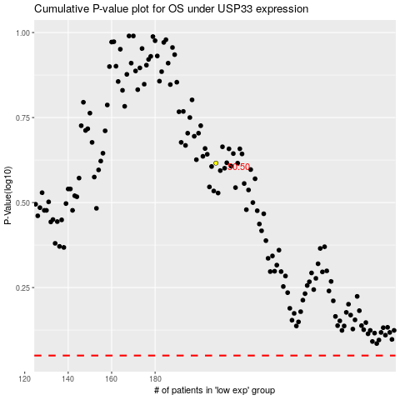

 |  |  |  |  |  | cases_OS | p_OS | rank | exp
 |  |  |  |  |  |  | cases_RFS | p_RFS | rank | exp

