USP34 _multivariate
Reported by Tex Li-Hsing Chi. tex@gate.sinica.edu.tw 2019-08-15

Table 2. The clinicopathological features of HNSCC cohort and USP34 expression. (Chi square test)
Cutoff at -0.047 (49.8%)
 |  | USP34 expression |  | USP34 expression |  | (Optimised)
 | Features | Low | (%) | High | (%) | Case no | P-value | Remark | Matthews
Gender | Female | 155 | 37.3 | 151 | 36.4 | 415 | 0.6768 | 0 | 0
2 | Male | 52 | 12.5 | 57 | 13.7
Age at diagnosis | <=65y | 135 | 32.5 | 139 | 33.5 | 415 | 0.8084 | 0 | 0
4 | >65y | 72 | 17.3 | 69 | 16.6
Clinical T Status | T1+T2 | 80 | 19.3 | 69 | 16.6 | 415 | 0.2891 | 0 | 0
6 | T3+T4 | 127 | 30.6 | 139 | 33.5
Clinical N Status | N0 | 101 | 24.3 | 115 | 27.7 | 415 | 0.2201 | 0 | 0
8 | N1-3 | 106 | 25.5 | 93 | 22.4
Clinical M Status | M0 | 204 | 49.2 | 208 | 50.1 | 415 | 0.1232 | 0 | 0
10 | M1 | 3 | 0.7 | 0 | 0
Clinical Stage | Stage I+II | 53 | 12.8 | 49 | 11.8 | 415 | 0.7113 | 0 | 0
12 | Stage III+IV | 154 | 37.1 | 159 | 38.3
Surgical Margin status | Negative | 155 | 37.3 | 163 | 39.3 | 415 | 0.4187 | 0 | 0
14 | Positive | 52 | 12.5 | 45 | 10.8
Tobacco Exposure | Low | 82 | 19.8 | 79 | 19 | 415 | 0.763 | 0 | 0
16 | High | 125 | 30.1 | 129 | 31.1

Table 3. Univariate/Multivariate Cox's proportional hazards regression analyses on OS time of USP34 gene expression in HNSCC

 |  | Univariate |  |  |  | Multivariate
 | Features | HR | CI95%(L) | CI95%(H) | P-value | HR | CI95%(L) | CI95%(H) | P-value
1 | Female | 1 |  |  |  | 1
Gender | Male | 1.157 | 0.843 | 1.587 | 0.367 | 1.201 | 0.859 | 1.679 | 0.285
11 | <=65y | 1 |  |  |  | 1
Age at diagnosis | >65y | 1.329 | 0.99 | 1.784 | 0.058 | 1.378 | 1.013 | 1.874 | 0.041
12 | T1+T2 | 1 |  |  |  | 1
Clinical T Status | T3+T4 | 1.409 | 1.028 | 1.931 | 0.033 | 2.195 | 1.161 | 4.151 | 0.016
13 | N0 | 1 |  |  |  | 1
Clinical N Status | N1-3 | 1.185 | 0.89 | 1.577 | 0.246 | 1.224 | 0.857 | 1.749 | 0.267
14 | M0 | 1 |  |  |  | 1
Clinical M Status | M1 | 4.097 | 1.009 | 16.644 | 0.049 | 8.795 | 1.906 | 40.583 | 0.005
15 | Stage I+II | 1 |  |  |  | 1
Clinical Stage | Stage III+IV | 1.245 | 0.882 | 1.759 | 0.213 | 0.512 | 0.238 | 1.1 | 0.086
16 | Negative | 1 |  |  |  | 1
Surgical Margin status | Positive | 1.591 | 1.155 | 2.191 | 0.004 | 1.663 | 1.204 | 2.298 | 0.002
17 | Low | 1 |  |  |  | 1
Tobacco Exposure | High | 1.364 | 1.008 | 1.844 | 0.044 | 1.444 | 1.047 | 1.99 | 0.025
18 | Low | 1 |  |  |  | 1
RNAseq(z-score) | High | 0.812 | 0.61 | 1.083 | 0.156 | 0.876 | 0.655 | 1.172 | 0.372

Table 4. Univariate/Multivariate Cox's proportional hazards regression analyses on RFS time of USP34 gene expression in HNSCC

 |  | Univariate |  |  |  | Multivariate
 | Features | HR | CI95%(L) | CI95%(H) | P-value | HR | CI95%(L) | CI95%(H) | P-value
1 | Female | 1 |  |  |  | 1
Gender | Male | 1.157 | 0.843 | 1.587 | 0.367 | 1.201 | 0.859 | 1.679 | 0.285
11 | <=65y | 1 |  |  |  | 1
Age at diagnosis | >65y | 1.329 | 0.99 | 1.784 | 0.058 | 1.378 | 1.013 | 1.874 | 0.041
12 | T1+T2 | 1 |  |  |  | 1
Clinical T Status | T3+T4 | 1.409 | 1.028 | 1.931 | 0.033 | 2.195 | 1.161 | 4.151 | 0.016
13 | N0 | 1 |  |  |  | 1
Clinical N Status | N1-3 | 1.185 | 0.89 | 1.577 | 0.246 | 1.224 | 0.857 | 1.749 | 0.267
14 | M0 | 1 |  |  |  | 1
Clinical M Status | M1 | 4.097 | 1.009 | 16.644 | 0.049 | 8.795 | 1.906 | 40.583 | 0.005
15 | Stage I+II | 1 |  |  |  | 1
Clinical Stage | Stage III+IV | 1.245 | 0.882 | 1.759 | 0.213 | 0.512 | 0.238 | 1.1 | 0.086
16 | Negative | 1 |  |  |  | 1
Surgical Margin status | Positive | 1.591 | 1.155 | 2.191 | 0.004 | 1.663 | 1.204 | 2.298 | 0.002
17 | Low | 1 |  |  |  | 1
Tobacco Exposure | High | 1.364 | 1.008 | 1.844 | 0.044 | 1.444 | 1.047 | 1.99 | 0.025
18 | Low | 1 |  |  |  | 1
RNAseq(z-score) | High | 0.812 | 0.61 | 1.083 | 0.156 | 0.876 | 0.655 | 1.172 | 0.372

Kaplan-Meier survival estimate: Cutoff at -0.047 (49.8%)



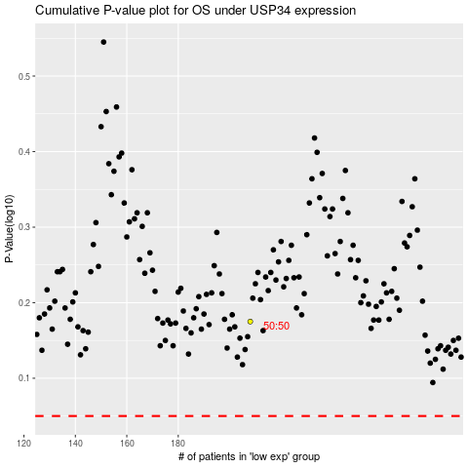

 |  |  |  |  |  | cases_OS | p_OS | rank | exp
 |  |  |  |  |  |  | cases_RFS | p_RFS | rank | exp

