USP36 _multivariate
Reported by Tex Li-Hsing Chi. tex@gate.sinica.edu.tw 2019-08-15

Table 2. The clinicopathological features of HNSCC cohort and USP36 expression. (Chi square test)
Cutoff at -0.024 (50.0%)
 |  | USP36 expression |  | USP36 expression |  | (Optimised)
 | Features | Low | (%) | High | (%) | Case no | P-value | Remark | Matthews
Gender | Female | 148 | 35.7 | 158 | 38.1 | 415 | 0.3567 | 0 | 0
2 | Male | 59 | 14.2 | 50 | 12
Age at diagnosis | <=65y | 132 | 31.8 | 142 | 34.2 | 415 | 0.3874 | 0 | 0
4 | >65y | 75 | 18.1 | 66 | 15.9
Clinical T Status | T1+T2 | 89 | 21.4 | 60 | 14.5 | 415 | 0.0037 | 1 | 0
6 | T3+T4 | 118 | 28.4 | 148 | 35.7
Clinical N Status | N0 | 114 | 27.5 | 102 | 24.6 | 415 | 0.2576 | 1 | 0
8 | N1-3 | 93 | 22.4 | 106 | 25.5
Clinical M Status | M0 | 206 | 49.6 | 206 | 49.6 | 415 | 1 | 0 | 0
10 | M1 | 1 | 0.2 | 2 | 0.5
Clinical Stage | Stage I+II | 60 | 14.5 | 42 | 10.1 | 415 | 0.0493 | 1 | 0
12 | Stage III+IV | 147 | 35.4 | 166 | 40
Surgical Margin status | Negative | 159 | 38.3 | 159 | 38.3 | 415 | 1 | 0 | 0
14 | Positive | 48 | 11.6 | 49 | 11.8
Tobacco Exposure | Low | 99 | 23.9 | 62 | 14.9 | 415 | 2e-04 | 1 | 0
16 | High | 108 | 26 | 146 | 35.2

Table 3. Univariate/Multivariate Cox's proportional hazards regression analyses on OS time of USP36 gene expression in HNSCC

 |  | Univariate |  |  |  | Multivariate
 | Features | HR | CI95%(L) | CI95%(H) | P-value | HR | CI95%(L) | CI95%(H) | P-value
1 | Female | 1 |  |  |  | 1
Gender | Male | 1.157 | 0.843 | 1.587 | 0.367 | 1.187 | 0.849 | 1.66 | 0.316
11 | <=65y | 1 |  |  |  | 1
Age at diagnosis | >65y | 1.329 | 0.99 | 1.784 | 0.058 | 1.396 | 1.027 | 1.897 | 0.033
12 | T1+T2 | 1 |  |  |  | 1
Clinical T Status | T3+T4 | 1.409 | 1.028 | 1.931 | 0.033 | 2.261 | 1.192 | 4.289 | 0.013
13 | N0 | 1 |  |  |  | 1
Clinical N Status | N1-3 | 1.185 | 0.89 | 1.577 | 0.246 | 1.255 | 0.879 | 1.791 | 0.211
14 | M0 | 1 |  |  |  | 1
Clinical M Status | M1 | 4.097 | 1.009 | 16.644 | 0.049 | 9.622 | 2.097 | 44.148 | 0.004
15 | Stage I+II | 1 |  |  |  | 1
Clinical Stage | Stage III+IV | 1.245 | 0.882 | 1.759 | 0.213 | 0.495 | 0.231 | 1.064 | 0.072
16 | Negative | 1 |  |  |  | 1
Surgical Margin status | Positive | 1.591 | 1.155 | 2.191 | 0.004 | 1.671 | 1.209 | 2.309 | 0.002
17 | Low | 1 |  |  |  | 1
Tobacco Exposure | High | 1.364 | 1.008 | 1.844 | 0.044 | 1.466 | 1.064 | 2.021 | 0.019
18 | Low | 1 |  |  |  | 1
RNAseq(z-score) | High | 0.954 | 0.716 | 1.271 | 0.746 | 0.878 | 0.655 | 1.178 | 0.386

Table 4. Univariate/Multivariate Cox's proportional hazards regression analyses on RFS time of USP36 gene expression in HNSCC

 |  | Univariate |  |  |  | Multivariate
 | Features | HR | CI95%(L) | CI95%(H) | P-value | HR | CI95%(L) | CI95%(H) | P-value
1 | Female | 1 |  |  |  | 1
Gender | Male | 1.157 | 0.843 | 1.587 | 0.367 | 1.187 | 0.849 | 1.66 | 0.316
11 | <=65y | 1 |  |  |  | 1
Age at diagnosis | >65y | 1.329 | 0.99 | 1.784 | 0.058 | 1.396 | 1.027 | 1.897 | 0.033
12 | T1+T2 | 1 |  |  |  | 1
Clinical T Status | T3+T4 | 1.409 | 1.028 | 1.931 | 0.033 | 2.261 | 1.192 | 4.289 | 0.013
13 | N0 | 1 |  |  |  | 1
Clinical N Status | N1-3 | 1.185 | 0.89 | 1.577 | 0.246 | 1.255 | 0.879 | 1.791 | 0.211
14 | M0 | 1 |  |  |  | 1
Clinical M Status | M1 | 4.097 | 1.009 | 16.644 | 0.049 | 9.622 | 2.097 | 44.148 | 0.004
15 | Stage I+II | 1 |  |  |  | 1
Clinical Stage | Stage III+IV | 1.245 | 0.882 | 1.759 | 0.213 | 0.495 | 0.231 | 1.064 | 0.072
16 | Negative | 1 |  |  |  | 1
Surgical Margin status | Positive | 1.591 | 1.155 | 2.191 | 0.004 | 1.671 | 1.209 | 2.309 | 0.002
17 | Low | 1 |  |  |  | 1
Tobacco Exposure | High | 1.364 | 1.008 | 1.844 | 0.044 | 1.466 | 1.064 | 2.021 | 0.019
18 | Low | 1 |  |  |  | 1
RNAseq(z-score) | High | 0.954 | 0.716 | 1.271 | 0.746 | 0.878 | 0.655 | 1.178 | 0.386

Kaplan-Meier survival estimate: Cutoff at -0.024 (50.0%)



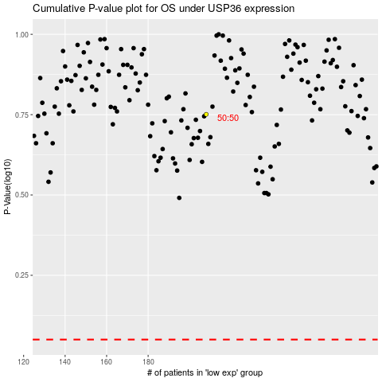

 |  |  |  |  |  | cases_OS | p_OS | rank | exp
 |  |  |  |  |  |  | cases_RFS | p_RFS | rank | exp

