USP39 _multivariate
Reported by Tex Li-Hsing Chi. tex@gate.sinica.edu.tw 2019-08-15

Table 2. The clinicopathological features of HNSCC cohort and USP39 expression. (Chi square test)
Cutoff at -0.236 (49.8%)
 |  | USP39 expression |  | USP39 expression |  | (Optimised)
 | Features | Low | (%) | High | (%) | Case no | P-value | Remark | Matthews
Gender | Female | 138 | 33.3 | 168 | 40.5 | 415 | 0.0016 | 1 | 0
2 | Male | 69 | 16.6 | 40 | 9.6
Age at diagnosis | <=65y | 132 | 31.8 | 142 | 34.2 | 415 | 0.3874 | 0 | 0
4 | >65y | 75 | 18.1 | 66 | 15.9
Clinical T Status | T1+T2 | 84 | 20.2 | 65 | 15.7 | 415 | 0.0603 | 0 | 0
6 | T3+T4 | 123 | 29.6 | 143 | 34.5
Clinical N Status | N0 | 115 | 27.7 | 101 | 24.3 | 415 | 0.184 | 1 | 0
8 | N1-3 | 92 | 22.2 | 107 | 25.8
Clinical M Status | M0 | 206 | 49.6 | 206 | 49.6 | 415 | 1 | 0 | 0
10 | M1 | 1 | 0.2 | 2 | 0.5
Clinical Stage | Stage I+II | 62 | 14.9 | 40 | 9.6 | 415 | 0.0154 | 1 | 0
12 | Stage III+IV | 145 | 34.9 | 168 | 40.5
Surgical Margin status | Negative | 161 | 38.8 | 157 | 37.8 | 415 | 0.6429 | 0 | 0
14 | Positive | 46 | 11.1 | 51 | 12.3
Tobacco Exposure | Low | 96 | 23.1 | 65 | 15.7 | 415 | 0.0018 | 1 | 0
16 | High | 111 | 26.7 | 143 | 34.5

Table 3. Univariate/Multivariate Cox's proportional hazards regression analyses on OS time of USP39 gene expression in HNSCC

 |  | Univariate |  |  |  | Multivariate
 | Features | HR | CI95%(L) | CI95%(H) | P-value | HR | CI95%(L) | CI95%(H) | P-value
1 | Female | 1 |  |  |  | 1
Gender | Male | 1.157 | 0.843 | 1.587 | 0.367 | 1.201 | 0.858 | 1.683 | 0.286
11 | <=65y | 1 |  |  |  | 1
Age at diagnosis | >65y | 1.329 | 0.99 | 1.784 | 0.058 | 1.392 | 1.024 | 1.892 | 0.035
12 | T1+T2 | 1 |  |  |  | 1
Clinical T Status | T3+T4 | 1.409 | 1.028 | 1.931 | 0.033 | 2.202 | 1.165 | 4.164 | 0.015
13 | N0 | 1 |  |  |  | 1
Clinical N Status | N1-3 | 1.185 | 0.89 | 1.577 | 0.246 | 1.241 | 0.87 | 1.771 | 0.234
14 | M0 | 1 |  |  |  | 1
Clinical M Status | M1 | 4.097 | 1.009 | 16.644 | 0.049 | 9.406 | 2.052 | 43.117 | 0.004
15 | Stage I+II | 1 |  |  |  | 1
Clinical Stage | Stage III+IV | 1.245 | 0.882 | 1.759 | 0.213 | 0.505 | 0.235 | 1.085 | 0.08
16 | Negative | 1 |  |  |  | 1
Surgical Margin status | Positive | 1.591 | 1.155 | 2.191 | 0.004 | 1.672 | 1.21 | 2.31 | 0.002
17 | Low | 1 |  |  |  | 1
Tobacco Exposure | High | 1.364 | 1.008 | 1.844 | 0.044 | 1.453 | 1.052 | 2.007 | 0.023
18 | Low | 1 |  |  |  | 1
RNAseq(z-score) | High | 1.027 | 0.771 | 1.368 | 0.855 | 0.998 | 0.74 | 1.347 | 0.991

Table 4. Univariate/Multivariate Cox's proportional hazards regression analyses on RFS time of USP39 gene expression in HNSCC

 |  | Univariate |  |  |  | Multivariate
 | Features | HR | CI95%(L) | CI95%(H) | P-value | HR | CI95%(L) | CI95%(H) | P-value
1 | Female | 1 |  |  |  | 1
Gender | Male | 1.157 | 0.843 | 1.587 | 0.367 | 1.201 | 0.858 | 1.683 | 0.286
11 | <=65y | 1 |  |  |  | 1
Age at diagnosis | >65y | 1.329 | 0.99 | 1.784 | 0.058 | 1.392 | 1.024 | 1.892 | 0.035
12 | T1+T2 | 1 |  |  |  | 1
Clinical T Status | T3+T4 | 1.409 | 1.028 | 1.931 | 0.033 | 2.202 | 1.165 | 4.164 | 0.015
13 | N0 | 1 |  |  |  | 1
Clinical N Status | N1-3 | 1.185 | 0.89 | 1.577 | 0.246 | 1.241 | 0.87 | 1.771 | 0.234
14 | M0 | 1 |  |  |  | 1
Clinical M Status | M1 | 4.097 | 1.009 | 16.644 | 0.049 | 9.406 | 2.052 | 43.117 | 0.004
15 | Stage I+II | 1 |  |  |  | 1
Clinical Stage | Stage III+IV | 1.245 | 0.882 | 1.759 | 0.213 | 0.505 | 0.235 | 1.085 | 0.08
16 | Negative | 1 |  |  |  | 1
Surgical Margin status | Positive | 1.591 | 1.155 | 2.191 | 0.004 | 1.672 | 1.21 | 2.31 | 0.002
17 | Low | 1 |  |  |  | 1
Tobacco Exposure | High | 1.364 | 1.008 | 1.844 | 0.044 | 1.453 | 1.052 | 2.007 | 0.023
18 | Low | 1 |  |  |  | 1
RNAseq(z-score) | High | 1.027 | 0.771 | 1.368 | 0.855 | 0.998 | 0.74 | 1.347 | 0.991

Kaplan-Meier survival estimate: Cutoff at -0.236 (49.8%)



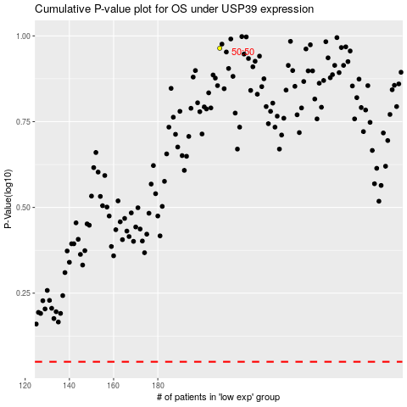

 |  |  |  |  |  | cases_OS | p_OS | rank | exp
 |  |  |  |  |  |  | cases_RFS | p_RFS | rank | exp

