USP40 _multivariate
Reported by Tex Li-Hsing Chi. tex@gate.sinica.edu.tw 2019-08-15

Table 2. The clinicopathological features of HNSCC cohort and USP40 expression. (Chi square test)
Cutoff at 0.027 (49.8%)
 |  | USP40 expression |  | USP40 expression |  | (Optimised)
 | Features | Low | (%) | High | (%) | Case no | P-value | Remark | Matthews
Gender | Female | 154 | 37.1 | 152 | 36.6 | 415 | 0.8463 | 0 | 0
2 | Male | 53 | 12.8 | 56 | 13.5
Age at diagnosis | <=65y | 140 | 33.7 | 134 | 32.3 | 415 | 0.5574 | 0 | 0
4 | >65y | 67 | 16.1 | 74 | 17.8
Clinical T Status | T1+T2 | 49 | 11.8 | 100 | 24.1 | 415 | 0 | 1 | 0
6 | T3+T4 | 158 | 38.1 | 108 | 26
Clinical N Status | N0 | 103 | 24.8 | 113 | 27.2 | 415 | 0.4047 | 0 | 0
8 | N1-3 | 104 | 25.1 | 95 | 22.9
Clinical M Status | M0 | 206 | 49.6 | 206 | 49.6 | 415 | 1 | 0 | 0
10 | M1 | 1 | 0.2 | 2 | 0.5
Clinical Stage | Stage I+II | 31 | 7.5 | 71 | 17.1 | 415 | 0 | 1 | 0
12 | Stage III+IV | 176 | 42.4 | 137 | 33
Surgical Margin status | Negative | 159 | 38.3 | 159 | 38.3 | 415 | 1 | 0 | 0
14 | Positive | 48 | 11.6 | 49 | 11.8
Tobacco Exposure | Low | 66 | 15.9 | 95 | 22.9 | 415 | 0.0048 | 1 | 0
16 | High | 141 | 34 | 113 | 27.2

Table 3. Univariate/Multivariate Cox's proportional hazards regression analyses on OS time of USP40 gene expression in HNSCC

 |  | Univariate |  |  |  | Multivariate
 | Features | HR | CI95%(L) | CI95%(H) | P-value | HR | CI95%(L) | CI95%(H) | P-value
1 | Female | 1 |  |  |  | 1
Gender | Male | 1.157 | 0.843 | 1.587 | 0.367 | 1.201 | 0.859 | 1.679 | 0.284
11 | <=65y | 1 |  |  |  | 1
Age at diagnosis | >65y | 1.329 | 0.99 | 1.784 | 0.058 | 1.387 | 1.021 | 1.886 | 0.037
12 | T1+T2 | 1 |  |  |  | 1
Clinical T Status | T3+T4 | 1.409 | 1.028 | 1.931 | 0.033 | 2.258 | 1.191 | 4.282 | 0.013
13 | N0 | 1 |  |  |  | 1
Clinical N Status | N1-3 | 1.185 | 0.89 | 1.577 | 0.246 | 1.231 | 0.862 | 1.757 | 0.252
14 | M0 | 1 |  |  |  | 1
Clinical M Status | M1 | 4.097 | 1.009 | 16.644 | 0.049 | 9.428 | 2.057 | 43.211 | 0.004
15 | Stage I+II | 1 |  |  |  | 1
Clinical Stage | Stage III+IV | 1.245 | 0.882 | 1.759 | 0.213 | 0.514 | 0.239 | 1.105 | 0.088
16 | Negative | 1 |  |  |  | 1
Surgical Margin status | Positive | 1.591 | 1.155 | 2.191 | 0.004 | 1.65 | 1.192 | 2.282 | 0.003
17 | Low | 1 |  |  |  | 1
Tobacco Exposure | High | 1.364 | 1.008 | 1.844 | 0.044 | 1.463 | 1.061 | 2.015 | 0.02
18 | Low | 1 |  |  |  | 1
RNAseq(z-score) | High | 1.059 | 0.794 | 1.413 | 0.695 | 1.145 | 0.848 | 1.546 | 0.378

Table 4. Univariate/Multivariate Cox's proportional hazards regression analyses on RFS time of USP40 gene expression in HNSCC

 |  | Univariate |  |  |  | Multivariate
 | Features | HR | CI95%(L) | CI95%(H) | P-value | HR | CI95%(L) | CI95%(H) | P-value
1 | Female | 1 |  |  |  | 1
Gender | Male | 1.157 | 0.843 | 1.587 | 0.367 | 1.201 | 0.859 | 1.679 | 0.284
11 | <=65y | 1 |  |  |  | 1
Age at diagnosis | >65y | 1.329 | 0.99 | 1.784 | 0.058 | 1.387 | 1.021 | 1.886 | 0.037
12 | T1+T2 | 1 |  |  |  | 1
Clinical T Status | T3+T4 | 1.409 | 1.028 | 1.931 | 0.033 | 2.258 | 1.191 | 4.282 | 0.013
13 | N0 | 1 |  |  |  | 1
Clinical N Status | N1-3 | 1.185 | 0.89 | 1.577 | 0.246 | 1.231 | 0.862 | 1.757 | 0.252
14 | M0 | 1 |  |  |  | 1
Clinical M Status | M1 | 4.097 | 1.009 | 16.644 | 0.049 | 9.428 | 2.057 | 43.211 | 0.004
15 | Stage I+II | 1 |  |  |  | 1
Clinical Stage | Stage III+IV | 1.245 | 0.882 | 1.759 | 0.213 | 0.514 | 0.239 | 1.105 | 0.088
16 | Negative | 1 |  |  |  | 1
Surgical Margin status | Positive | 1.591 | 1.155 | 2.191 | 0.004 | 1.65 | 1.192 | 2.282 | 0.003
17 | Low | 1 |  |  |  | 1
Tobacco Exposure | High | 1.364 | 1.008 | 1.844 | 0.044 | 1.463 | 1.061 | 2.015 | 0.02
18 | Low | 1 |  |  |  | 1
RNAseq(z-score) | High | 1.059 | 0.794 | 1.413 | 0.695 | 1.145 | 0.848 | 1.546 | 0.378

Kaplan-Meier survival estimate: Cutoff at 0.027 (49.8%)



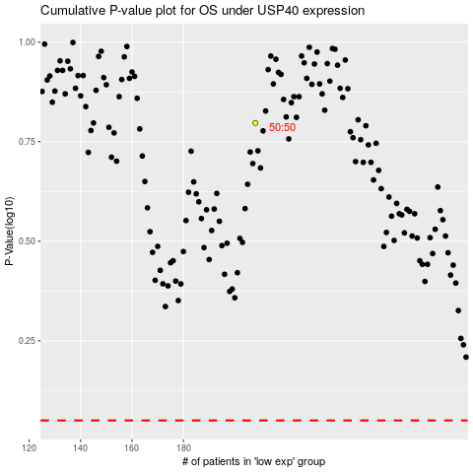

 |  |  |  |  |  | cases_OS | p_OS | rank | exp
 |  |  |  |  |  |  | cases_RFS | p_RFS | rank | exp

