USP43 _multivariate
Reported by Tex Li-Hsing Chi. tex@gate.sinica.edu.tw 2019-08-15

Table 2. The clinicopathological features of HNSCC cohort and USP43 expression. (Chi square test)
Cutoff at -0.134 (49.5%)
 |  | USP43 expression |  | USP43 expression |  | (Optimised)
 | Features | Low | (%) | High | (%) | Case no | P-value | Remark | Matthews
Gender | Female | 159 | 38.3 | 147 | 35.4 | 415 | 0.1013 | 0 | 0
2 | Male | 46 | 11.1 | 63 | 15.2
Age at diagnosis | <=65y | 141 | 34 | 133 | 32 | 415 | 0.2856 | 0 | 0
4 | >65y | 64 | 15.4 | 77 | 18.6
Clinical T Status | T1+T2 | 83 | 20 | 66 | 15.9 | 415 | 0.0686 | 0 | 0
6 | T3+T4 | 122 | 29.4 | 144 | 34.7
Clinical N Status | N0 | 101 | 24.3 | 115 | 27.7 | 415 | 0.3069 | 0 | 0
8 | N1-3 | 104 | 25.1 | 95 | 22.9
Clinical M Status | M0 | 204 | 49.2 | 208 | 50.1 | 415 | 1 | 0 | 0
10 | M1 | 1 | 0.2 | 2 | 0.5
Clinical Stage | Stage I+II | 52 | 12.5 | 50 | 12 | 415 | 0.7994 | 0 | 0
12 | Stage III+IV | 153 | 36.9 | 160 | 38.6
Surgical Margin status | Negative | 152 | 36.6 | 166 | 40 | 415 | 0.2481 | 0 | 0
14 | Positive | 53 | 12.8 | 44 | 10.6
Tobacco Exposure | Low | 69 | 16.6 | 92 | 22.2 | 415 | 0.035 | 1 | 0
16 | High | 136 | 32.8 | 118 | 28.4

Table 3. Univariate/Multivariate Cox's proportional hazards regression analyses on OS time of USP43 gene expression in HNSCC

 |  | Univariate |  |  |  | Multivariate
 | Features | HR | CI95%(L) | CI95%(H) | P-value | HR | CI95%(L) | CI95%(H) | P-value
1 | Female | 1 |  |  |  | 1
Gender | Male | 1.157 | 0.843 | 1.587 | 0.367 | 1.206 | 0.862 | 1.687 | 0.274
11 | <=65y | 1 |  |  |  | 1
Age at diagnosis | >65y | 1.329 | 0.99 | 1.784 | 0.058 | 1.394 | 1.026 | 1.895 | 0.034
12 | T1+T2 | 1 |  |  |  | 1
Clinical T Status | T3+T4 | 1.409 | 1.028 | 1.931 | 0.033 | 2.099 | 1.108 | 3.974 | 0.023
13 | N0 | 1 |  |  |  | 1
Clinical N Status | N1-3 | 1.185 | 0.89 | 1.577 | 0.246 | 1.302 | 0.911 | 1.861 | 0.148
14 | M0 | 1 |  |  |  | 1
Clinical M Status | M1 | 4.097 | 1.009 | 16.644 | 0.049 | 8.637 | 1.88 | 39.68 | 0.006
15 | Stage I+II | 1 |  |  |  | 1
Clinical Stage | Stage III+IV | 1.245 | 0.882 | 1.759 | 0.213 | 0.515 | 0.24 | 1.106 | 0.089
16 | Negative | 1 |  |  |  | 1
Surgical Margin status | Positive | 1.591 | 1.155 | 2.191 | 0.004 | 1.75 | 1.263 | 2.426 | 0.001
17 | Low | 1 |  |  |  | 1
Tobacco Exposure | High | 1.364 | 1.008 | 1.844 | 0.044 | 1.495 | 1.082 | 2.066 | 0.015
18 | Low | 1 |  |  |  | 1
RNAseq(z-score) | High | 1.334 | 0.999 | 1.782 | 0.051 | 1.416 | 1.053 | 1.903 | 0.021

Table 4. Univariate/Multivariate Cox's proportional hazards regression analyses on RFS time of USP43 gene expression in HNSCC

 |  | Univariate |  |  |  | Multivariate
 | Features | HR | CI95%(L) | CI95%(H) | P-value | HR | CI95%(L) | CI95%(H) | P-value
1 | Female | 1 |  |  |  | 1
Gender | Male | 1.157 | 0.843 | 1.587 | 0.367 | 1.206 | 0.862 | 1.687 | 0.274
11 | <=65y | 1 |  |  |  | 1
Age at diagnosis | >65y | 1.329 | 0.99 | 1.784 | 0.058 | 1.394 | 1.026 | 1.895 | 0.034
12 | T1+T2 | 1 |  |  |  | 1
Clinical T Status | T3+T4 | 1.409 | 1.028 | 1.931 | 0.033 | 2.099 | 1.108 | 3.974 | 0.023
13 | N0 | 1 |  |  |  | 1
Clinical N Status | N1-3 | 1.185 | 0.89 | 1.577 | 0.246 | 1.302 | 0.911 | 1.861 | 0.148
14 | M0 | 1 |  |  |  | 1
Clinical M Status | M1 | 4.097 | 1.009 | 16.644 | 0.049 | 8.637 | 1.88 | 39.68 | 0.006
15 | Stage I+II | 1 |  |  |  | 1
Clinical Stage | Stage III+IV | 1.245 | 0.882 | 1.759 | 0.213 | 0.515 | 0.24 | 1.106 | 0.089
16 | Negative | 1 |  |  |  | 1
Surgical Margin status | Positive | 1.591 | 1.155 | 2.191 | 0.004 | 1.75 | 1.263 | 2.426 | 0.001
17 | Low | 1 |  |  |  | 1
Tobacco Exposure | High | 1.364 | 1.008 | 1.844 | 0.044 | 1.495 | 1.082 | 2.066 | 0.015
18 | Low | 1 |  |  |  | 1
RNAseq(z-score) | High | 1.334 | 0.999 | 1.782 | 0.051 | 1.416 | 1.053 | 1.903 | 0.021

Kaplan-Meier survival estimate: Cutoff at -0.134 (49.5%)



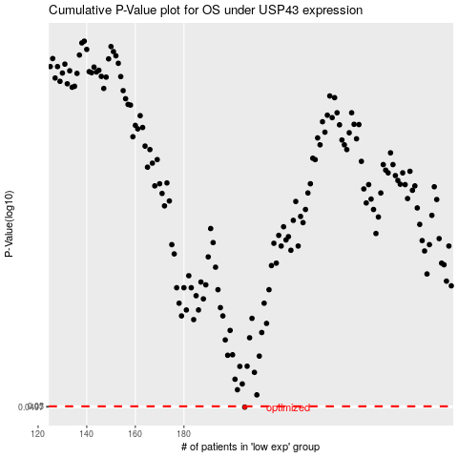

 |  |  |  |  |  | cases_OS | p_OS | rank | exp
 |  |  |  |  |  | 205 | 0.0497 | 241 | -0.13410266748
 |  |  |  |  |  |  | cases_RFS | p_RFS | rank | exp
 |  |  |  |  |  |  | 204 | 0.0497 | 174 | -0.13656054726

