USP51 _multivariate
Reported by Tex Li-Hsing Chi. tex@gate.sinica.edu.tw 2019-08-15

Table 2. The clinicopathological features of HNSCC cohort and USP51 expression. (Chi square test)
Cutoff at -0.289 (49.8%)
 |  | USP51 expression |  | USP51 expression |  | (Optimised)
 | Features | Low | (%) | High | (%) | Case no | P-value | Remark | Matthews
Gender | Female | 154 | 37.1 | 152 | 36.6 | 415 | 0.8463 | 0 | 0
2 | Male | 53 | 12.8 | 56 | 13.5
Age at diagnosis | <=65y | 140 | 33.7 | 134 | 32.3 | 415 | 0.5574 | 0 | 0
4 | >65y | 67 | 16.1 | 74 | 17.8
Clinical T Status | T1+T2 | 68 | 16.4 | 81 | 19.5 | 415 | 0.2336 | 0 | 0
6 | T3+T4 | 139 | 33.5 | 127 | 30.6
Clinical N Status | N0 | 108 | 26 | 108 | 26 | 415 | 1 | 0 | 0
8 | N1-3 | 99 | 23.9 | 100 | 24.1
Clinical M Status | M0 | 204 | 49.2 | 208 | 50.1 | 415 | 0.1232 | 0 | 0
10 | M1 | 3 | 0.7 | 0 | 0
Clinical Stage | Stage I+II | 47 | 11.3 | 55 | 13.3 | 415 | 0.4413 | 0 | 0
12 | Stage III+IV | 160 | 38.6 | 153 | 36.9
Surgical Margin status | Negative | 154 | 37.1 | 164 | 39.5 | 415 | 0.2984 | 0 | 0
14 | Positive | 53 | 12.8 | 44 | 10.6
Tobacco Exposure | Low | 86 | 20.7 | 75 | 18.1 | 415 | 0.2687 | 0 | 0
16 | High | 121 | 29.2 | 133 | 32

Table 3. Univariate/Multivariate Cox's proportional hazards regression analyses on OS time of USP51 gene expression in HNSCC

 |  | Univariate |  |  |  | Multivariate
 | Features | HR | CI95%(L) | CI95%(H) | P-value | HR | CI95%(L) | CI95%(H) | P-value
1 | Female | 1 |  |  |  | 1
Gender | Male | 1.157 | 0.843 | 1.587 | 0.367 | 1.206 | 0.864 | 1.685 | 0.271
11 | <=65y | 1 |  |  |  | 1
Age at diagnosis | >65y | 1.329 | 0.99 | 1.784 | 0.058 | 1.383 | 1.018 | 1.88 | 0.038
12 | T1+T2 | 1 |  |  |  | 1
Clinical T Status | T3+T4 | 1.409 | 1.028 | 1.931 | 0.033 | 2.233 | 1.18 | 4.226 | 0.014
13 | N0 | 1 |  |  |  | 1
Clinical N Status | N1-3 | 1.185 | 0.89 | 1.577 | 0.246 | 1.236 | 0.866 | 1.764 | 0.243
14 | M0 | 1 |  |  |  | 1
Clinical M Status | M1 | 4.097 | 1.009 | 16.644 | 0.049 | 10.24 | 2.209 | 47.477 | 0.003
15 | Stage I+II | 1 |  |  |  | 1
Clinical Stage | Stage III+IV | 1.245 | 0.882 | 1.759 | 0.213 | 0.505 | 0.235 | 1.084 | 0.08
16 | Negative | 1 |  |  |  | 1
Surgical Margin status | Positive | 1.591 | 1.155 | 2.191 | 0.004 | 1.696 | 1.225 | 2.347 | 0.001
17 | Low | 1 |  |  |  | 1
Tobacco Exposure | High | 1.364 | 1.008 | 1.844 | 0.044 | 1.438 | 1.044 | 1.981 | 0.026
18 | Low | 1 |  |  |  | 1
RNAseq(z-score) | High | 1.083 | 0.811 | 1.445 | 0.59 | 1.149 | 0.856 | 1.542 | 0.356

Table 4. Univariate/Multivariate Cox's proportional hazards regression analyses on RFS time of USP51 gene expression in HNSCC

 |  | Univariate |  |  |  | Multivariate
 | Features | HR | CI95%(L) | CI95%(H) | P-value | HR | CI95%(L) | CI95%(H) | P-value
1 | Female | 1 |  |  |  | 1
Gender | Male | 1.157 | 0.843 | 1.587 | 0.367 | 1.206 | 0.864 | 1.685 | 0.271
11 | <=65y | 1 |  |  |  | 1
Age at diagnosis | >65y | 1.329 | 0.99 | 1.784 | 0.058 | 1.383 | 1.018 | 1.88 | 0.038
12 | T1+T2 | 1 |  |  |  | 1
Clinical T Status | T3+T4 | 1.409 | 1.028 | 1.931 | 0.033 | 2.233 | 1.18 | 4.226 | 0.014
13 | N0 | 1 |  |  |  | 1
Clinical N Status | N1-3 | 1.185 | 0.89 | 1.577 | 0.246 | 1.236 | 0.866 | 1.764 | 0.243
14 | M0 | 1 |  |  |  | 1
Clinical M Status | M1 | 4.097 | 1.009 | 16.644 | 0.049 | 10.24 | 2.209 | 47.477 | 0.003
15 | Stage I+II | 1 |  |  |  | 1
Clinical Stage | Stage III+IV | 1.245 | 0.882 | 1.759 | 0.213 | 0.505 | 0.235 | 1.084 | 0.08
16 | Negative | 1 |  |  |  | 1
Surgical Margin status | Positive | 1.591 | 1.155 | 2.191 | 0.004 | 1.696 | 1.225 | 2.347 | 0.001
17 | Low | 1 |  |  |  | 1
Tobacco Exposure | High | 1.364 | 1.008 | 1.844 | 0.044 | 1.438 | 1.044 | 1.981 | 0.026
18 | Low | 1 |  |  |  | 1
RNAseq(z-score) | High | 1.083 | 0.811 | 1.445 | 0.59 | 1.149 | 0.856 | 1.542 | 0.356

Kaplan-Meier survival estimate: Cutoff at -0.289 (49.8%)



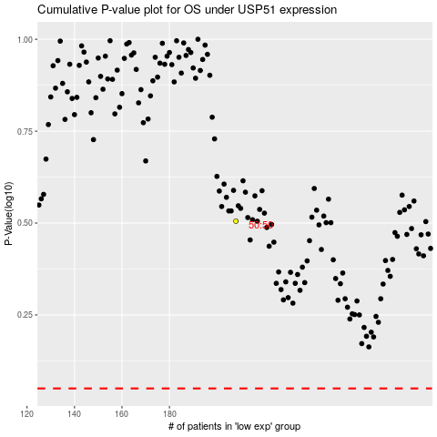

 |  |  |  |  |  | cases_OS | p_OS | rank | exp
 |  |  |  |  |  |  | cases_RFS | p_RFS | rank | exp

