USP6 _multivariate
Reported by Tex Li-Hsing Chi. tex@gate.sinica.edu.tw 2019-08-15

Table 2. The clinicopathological features of HNSCC cohort and USP6 expression. (Chi square test)
Cutoff at -0.205 (50.0%)
 |  | USP6 expression |  | USP6 expression |  | (Optimised)
 | Features | Low | (%) | High | (%) | Case no | P-value | Remark | Matthews
Gender | Female | 143 | 34.5 | 163 | 39.3 | 415 | 0.0416 | 1 | 0
2 | Male | 64 | 15.4 | 45 | 10.8
Age at diagnosis | <=65y | 137 | 33 | 137 | 33 | 415 | 1 | 0 | 0
4 | >65y | 70 | 16.9 | 71 | 17.1
Clinical T Status | T1+T2 | 80 | 19.3 | 69 | 16.6 | 415 | 0.2891 | 0 | 0
6 | T3+T4 | 127 | 30.6 | 139 | 33.5
Clinical N Status | N0 | 107 | 25.8 | 109 | 26.3 | 415 | 0.9624 | 0 | 0
8 | N1-3 | 100 | 24.1 | 99 | 23.9
Clinical M Status | M0 | 204 | 49.2 | 208 | 50.1 | 415 | 0.1232 | 0 | 0
10 | M1 | 3 | 0.7 | 0 | 0
Clinical Stage | Stage I+II | 54 | 13 | 48 | 11.6 | 415 | 0.5498 | 0 | 0
12 | Stage III+IV | 153 | 36.9 | 160 | 38.6
Surgical Margin status | Negative | 166 | 40 | 152 | 36.6 | 415 | 0.1042 | 0 | 0
14 | Positive | 41 | 9.9 | 56 | 13.5
Tobacco Exposure | Low | 84 | 20.2 | 77 | 18.6 | 415 | 0.4816 | 0 | 0
16 | High | 123 | 29.6 | 131 | 31.6

Table 3. Univariate/Multivariate Cox's proportional hazards regression analyses on OS time of USP6 gene expression in HNSCC

 |  | Univariate |  |  |  | Multivariate
 | Features | HR | CI95%(L) | CI95%(H) | P-value | HR | CI95%(L) | CI95%(H) | P-value
1 | Female | 1 |  |  |  | 1
Gender | Male | 1.157 | 0.843 | 1.587 | 0.367 | 1.195 | 0.855 | 1.672 | 0.297
11 | <=65y | 1 |  |  |  | 1
Age at diagnosis | >65y | 1.329 | 0.99 | 1.784 | 0.058 | 1.392 | 1.024 | 1.893 | 0.035
12 | T1+T2 | 1 |  |  |  | 1
Clinical T Status | T3+T4 | 1.409 | 1.028 | 1.931 | 0.033 | 2.187 | 1.156 | 4.138 | 0.016
13 | N0 | 1 |  |  |  | 1
Clinical N Status | N1-3 | 1.185 | 0.89 | 1.577 | 0.246 | 1.232 | 0.863 | 1.761 | 0.251
14 | M0 | 1 |  |  |  | 1
Clinical M Status | M1 | 4.097 | 1.009 | 16.644 | 0.049 | 9.05 | 1.954 | 41.905 | 0.005
15 | Stage I+II | 1 |  |  |  | 1
Clinical Stage | Stage III+IV | 1.245 | 0.882 | 1.759 | 0.213 | 0.514 | 0.238 | 1.11 | 0.09
16 | Negative | 1 |  |  |  | 1
Surgical Margin status | Positive | 1.591 | 1.155 | 2.191 | 0.004 | 1.668 | 1.208 | 2.305 | 0.002
17 | Low | 1 |  |  |  | 1
Tobacco Exposure | High | 1.364 | 1.008 | 1.844 | 0.044 | 1.457 | 1.057 | 2.009 | 0.022
18 | Low | 1 |  |  |  | 1
RNAseq(z-score) | High | 0.915 | 0.687 | 1.219 | 0.544 | 0.939 | 0.7 | 1.26 | 0.675

Table 4. Univariate/Multivariate Cox's proportional hazards regression analyses on RFS time of USP6 gene expression in HNSCC

 |  | Univariate |  |  |  | Multivariate
 | Features | HR | CI95%(L) | CI95%(H) | P-value | HR | CI95%(L) | CI95%(H) | P-value
1 | Female | 1 |  |  |  | 1
Gender | Male | 1.157 | 0.843 | 1.587 | 0.367 | 1.195 | 0.855 | 1.672 | 0.297
11 | <=65y | 1 |  |  |  | 1
Age at diagnosis | >65y | 1.329 | 0.99 | 1.784 | 0.058 | 1.392 | 1.024 | 1.893 | 0.035
12 | T1+T2 | 1 |  |  |  | 1
Clinical T Status | T3+T4 | 1.409 | 1.028 | 1.931 | 0.033 | 2.187 | 1.156 | 4.138 | 0.016
13 | N0 | 1 |  |  |  | 1
Clinical N Status | N1-3 | 1.185 | 0.89 | 1.577 | 0.246 | 1.232 | 0.863 | 1.761 | 0.251
14 | M0 | 1 |  |  |  | 1
Clinical M Status | M1 | 4.097 | 1.009 | 16.644 | 0.049 | 9.05 | 1.954 | 41.905 | 0.005
15 | Stage I+II | 1 |  |  |  | 1
Clinical Stage | Stage III+IV | 1.245 | 0.882 | 1.759 | 0.213 | 0.514 | 0.238 | 1.11 | 0.09
16 | Negative | 1 |  |  |  | 1
Surgical Margin status | Positive | 1.591 | 1.155 | 2.191 | 0.004 | 1.668 | 1.208 | 2.305 | 0.002
17 | Low | 1 |  |  |  | 1
Tobacco Exposure | High | 1.364 | 1.008 | 1.844 | 0.044 | 1.457 | 1.057 | 2.009 | 0.022
18 | Low | 1 |  |  |  | 1
RNAseq(z-score) | High | 0.915 | 0.687 | 1.219 | 0.544 | 0.939 | 0.7 | 1.26 | 0.675

Kaplan-Meier survival estimate: Cutoff at -0.205 (50.0%)



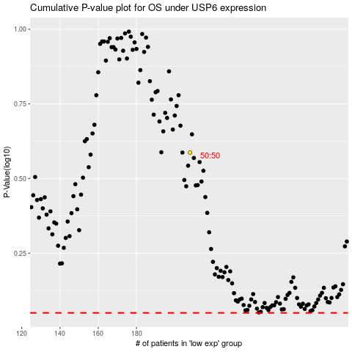

 |  |  |  |  |  | cases_OS | p_OS | rank | exp
 |  |  |  |  |  |  | cases_RFS | p_RFS | rank | exp

