USP7 _multivariate
Reported by Tex Li-Hsing Chi. tex@gate.sinica.edu.tw 2019-08-15

Table 2. The clinicopathological features of HNSCC cohort and USP7 expression. (Chi square test)
Cutoff at -0.09 (49.8%)
 |  | USP7 expression |  | USP7 expression |  | (Optimised)
 | Features | Low | (%) | High | (%) | Case no | P-value | Remark | Matthews
Gender | Female | 153 | 36.9 | 153 | 36.9 | 415 | 1 | 0 | 0
2 | Male | 54 | 13 | 55 | 13.3
Age at diagnosis | <=65y | 132 | 31.8 | 142 | 34.2 | 415 | 0.3874 | 0 | 0
4 | >65y | 75 | 18.1 | 66 | 15.9
Clinical T Status | T1+T2 | 84 | 20.2 | 65 | 15.7 | 415 | 0.0603 | 0 | 0
6 | T3+T4 | 123 | 29.6 | 143 | 34.5
Clinical N Status | N0 | 104 | 25.1 | 112 | 27 | 415 | 0.5243 | 0 | 0
8 | N1-3 | 103 | 24.8 | 96 | 23.1
Clinical M Status | M0 | 206 | 49.6 | 206 | 49.6 | 415 | 1 | 0 | 0
10 | M1 | 1 | 0.2 | 2 | 0.5
Clinical Stage | Stage I+II | 55 | 13.3 | 47 | 11.3 | 415 | 0.4087 | 0 | 0
12 | Stage III+IV | 152 | 36.6 | 161 | 38.8
Surgical Margin status | Negative | 152 | 36.6 | 166 | 40 | 415 | 0.1329 | 0 | 0
14 | Positive | 55 | 13.3 | 42 | 10.1
Tobacco Exposure | Low | 91 | 21.9 | 70 | 16.9 | 415 | 0.0346 | 1 | 0
16 | High | 116 | 28 | 138 | 33.3

Table 3. Univariate/Multivariate Cox's proportional hazards regression analyses on OS time of USP7 gene expression in HNSCC

 |  | Univariate |  |  |  | Multivariate
 | Features | HR | CI95%(L) | CI95%(H) | P-value | HR | CI95%(L) | CI95%(H) | P-value
1 | Female | 1 |  |  |  | 1
Gender | Male | 1.157 | 0.843 | 1.587 | 0.367 | 1.199 | 0.858 | 1.676 | 0.288
11 | <=65y | 1 |  |  |  | 1
Age at diagnosis | >65y | 1.329 | 0.99 | 1.784 | 0.058 | 1.395 | 1.025 | 1.897 | 0.034
12 | T1+T2 | 1 |  |  |  | 1
Clinical T Status | T3+T4 | 1.409 | 1.028 | 1.931 | 0.033 | 2.194 | 1.159 | 4.153 | 0.016
13 | N0 | 1 |  |  |  | 1
Clinical N Status | N1-3 | 1.185 | 0.89 | 1.577 | 0.246 | 1.246 | 0.871 | 1.784 | 0.228
14 | M0 | 1 |  |  |  | 1
Clinical M Status | M1 | 4.097 | 1.009 | 16.644 | 0.049 | 9.283 | 2.013 | 42.807 | 0.004
15 | Stage I+II | 1 |  |  |  | 1
Clinical Stage | Stage III+IV | 1.245 | 0.882 | 1.759 | 0.213 | 0.504 | 0.235 | 1.082 | 0.079
16 | Negative | 1 |  |  |  | 1
Surgical Margin status | Positive | 1.591 | 1.155 | 2.191 | 0.004 | 1.672 | 1.21 | 2.311 | 0.002
17 | Low | 1 |  |  |  | 1
Tobacco Exposure | High | 1.364 | 1.008 | 1.844 | 0.044 | 1.45 | 1.051 | 1.999 | 0.024
18 | Low | 1 |  |  |  | 1
RNAseq(z-score) | High | 1.078 | 0.808 | 1.439 | 0.609 | 1.029 | 0.766 | 1.383 | 0.849

Table 4. Univariate/Multivariate Cox's proportional hazards regression analyses on RFS time of USP7 gene expression in HNSCC

 |  | Univariate |  |  |  | Multivariate
 | Features | HR | CI95%(L) | CI95%(H) | P-value | HR | CI95%(L) | CI95%(H) | P-value
1 | Female | 1 |  |  |  | 1
Gender | Male | 1.157 | 0.843 | 1.587 | 0.367 | 1.199 | 0.858 | 1.676 | 0.288
11 | <=65y | 1 |  |  |  | 1
Age at diagnosis | >65y | 1.329 | 0.99 | 1.784 | 0.058 | 1.395 | 1.025 | 1.897 | 0.034
12 | T1+T2 | 1 |  |  |  | 1
Clinical T Status | T3+T4 | 1.409 | 1.028 | 1.931 | 0.033 | 2.194 | 1.159 | 4.153 | 0.016
13 | N0 | 1 |  |  |  | 1
Clinical N Status | N1-3 | 1.185 | 0.89 | 1.577 | 0.246 | 1.246 | 0.871 | 1.784 | 0.228
14 | M0 | 1 |  |  |  | 1
Clinical M Status | M1 | 4.097 | 1.009 | 16.644 | 0.049 | 9.283 | 2.013 | 42.807 | 0.004
15 | Stage I+II | 1 |  |  |  | 1
Clinical Stage | Stage III+IV | 1.245 | 0.882 | 1.759 | 0.213 | 0.504 | 0.235 | 1.082 | 0.079
16 | Negative | 1 |  |  |  | 1
Surgical Margin status | Positive | 1.591 | 1.155 | 2.191 | 0.004 | 1.672 | 1.21 | 2.311 | 0.002
17 | Low | 1 |  |  |  | 1
Tobacco Exposure | High | 1.364 | 1.008 | 1.844 | 0.044 | 1.45 | 1.051 | 1.999 | 0.024
18 | Low | 1 |  |  |  | 1
RNAseq(z-score) | High | 1.078 | 0.808 | 1.439 | 0.609 | 1.029 | 0.766 | 1.383 | 0.849

Kaplan-Meier survival estimate: Cutoff at -0.09 (49.8%)



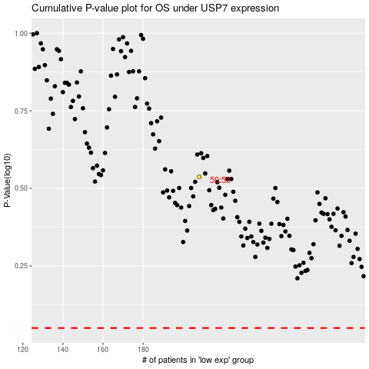

 |  |  |  |  |  | cases_OS | p_OS | rank | exp
 |  |  |  |  |  |  | cases_RFS | p_RFS | rank | exp

