USP8 _multivariate
Reported by Tex Li-Hsing Chi. tex@gate.sinica.edu.tw 2019-08-15

Table 2. The clinicopathological features of HNSCC cohort and USP8 expression. (Chi square test)
Cutoff at -0.067 (49.8%)
 |  | USP8 expression |  | USP8 expression |  | (Optimised)
 | Features | Low | (%) | High | (%) | Case no | P-value | Remark | Matthews
Gender | Female | 154 | 37.1 | 152 | 36.6 | 415 | 0.8463 | 0 | 0
2 | Male | 53 | 12.8 | 56 | 13.5
Age at diagnosis | <=65y | 146 | 35.2 | 128 | 30.8 | 415 | 0.0672 | 0 | 0
4 | >65y | 61 | 14.7 | 80 | 19.3
Clinical T Status | T1+T2 | 72 | 17.3 | 77 | 18.6 | 415 | 0.7095 | 0 | 0
6 | T3+T4 | 135 | 32.5 | 131 | 31.6
Clinical N Status | N0 | 104 | 25.1 | 112 | 27 | 415 | 0.5243 | 0 | 0
8 | N1-3 | 103 | 24.8 | 96 | 23.1
Clinical M Status | M0 | 205 | 49.4 | 207 | 49.9 | 415 | 0.6232 | 0 | 0
10 | M1 | 2 | 0.5 | 1 | 0.2
Clinical Stage | Stage I+II | 49 | 11.8 | 53 | 12.8 | 415 | 0.7535 | 0 | 0
12 | Stage III+IV | 158 | 38.1 | 155 | 37.3
Surgical Margin status | Negative | 160 | 38.6 | 158 | 38.1 | 415 | 0.8167 | 0 | 0
14 | Positive | 47 | 11.3 | 50 | 12
Tobacco Exposure | Low | 82 | 19.8 | 79 | 19 | 415 | 0.763 | 0 | 0
16 | High | 125 | 30.1 | 129 | 31.1

Table 3. Univariate/Multivariate Cox's proportional hazards regression analyses on OS time of USP8 gene expression in HNSCC

 |  | Univariate |  |  |  | Multivariate
 | Features | HR | CI95%(L) | CI95%(H) | P-value | HR | CI95%(L) | CI95%(H) | P-value
1 | Female | 1 |  |  |  | 1
Gender | Male | 1.157 | 0.843 | 1.587 | 0.367 | 1.211 | 0.868 | 1.689 | 0.26
11 | <=65y | 1 |  |  |  | 1
Age at diagnosis | >65y | 1.329 | 0.99 | 1.784 | 0.058 | 1.364 | 1.002 | 1.858 | 0.049
12 | T1+T2 | 1 |  |  |  | 1
Clinical T Status | T3+T4 | 1.409 | 1.028 | 1.931 | 0.033 | 2.23 | 1.179 | 4.219 | 0.014
13 | N0 | 1 |  |  |  | 1
Clinical N Status | N1-3 | 1.185 | 0.89 | 1.577 | 0.246 | 1.253 | 0.878 | 1.788 | 0.214
14 | M0 | 1 |  |  |  | 1
Clinical M Status | M1 | 4.097 | 1.009 | 16.644 | 0.049 | 9.983 | 2.17 | 45.918 | 0.003
15 | Stage I+II | 1 |  |  |  | 1
Clinical Stage | Stage III+IV | 1.245 | 0.882 | 1.759 | 0.213 | 0.5 | 0.233 | 1.073 | 0.075
16 | Negative | 1 |  |  |  | 1
Surgical Margin status | Positive | 1.591 | 1.155 | 2.191 | 0.004 | 1.659 | 1.2 | 2.293 | 0.002
17 | Low | 1 |  |  |  | 1
Tobacco Exposure | High | 1.364 | 1.008 | 1.844 | 0.044 | 1.459 | 1.06 | 2.01 | 0.021
18 | Low | 1 |  |  |  | 1
RNAseq(z-score) | High | 1.173 | 0.88 | 1.564 | 0.275 | 1.194 | 0.892 | 1.598 | 0.234

Table 4. Univariate/Multivariate Cox's proportional hazards regression analyses on RFS time of USP8 gene expression in HNSCC

 |  | Univariate |  |  |  | Multivariate
 | Features | HR | CI95%(L) | CI95%(H) | P-value | HR | CI95%(L) | CI95%(H) | P-value
1 | Female | 1 |  |  |  | 1
Gender | Male | 1.157 | 0.843 | 1.587 | 0.367 | 1.211 | 0.868 | 1.689 | 0.26
11 | <=65y | 1 |  |  |  | 1
Age at diagnosis | >65y | 1.329 | 0.99 | 1.784 | 0.058 | 1.364 | 1.002 | 1.858 | 0.049
12 | T1+T2 | 1 |  |  |  | 1
Clinical T Status | T3+T4 | 1.409 | 1.028 | 1.931 | 0.033 | 2.23 | 1.179 | 4.219 | 0.014
13 | N0 | 1 |  |  |  | 1
Clinical N Status | N1-3 | 1.185 | 0.89 | 1.577 | 0.246 | 1.253 | 0.878 | 1.788 | 0.214
14 | M0 | 1 |  |  |  | 1
Clinical M Status | M1 | 4.097 | 1.009 | 16.644 | 0.049 | 9.983 | 2.17 | 45.918 | 0.003
15 | Stage I+II | 1 |  |  |  | 1
Clinical Stage | Stage III+IV | 1.245 | 0.882 | 1.759 | 0.213 | 0.5 | 0.233 | 1.073 | 0.075
16 | Negative | 1 |  |  |  | 1
Surgical Margin status | Positive | 1.591 | 1.155 | 2.191 | 0.004 | 1.659 | 1.2 | 2.293 | 0.002
17 | Low | 1 |  |  |  | 1
Tobacco Exposure | High | 1.364 | 1.008 | 1.844 | 0.044 | 1.459 | 1.06 | 2.01 | 0.021
18 | Low | 1 |  |  |  | 1
RNAseq(z-score) | High | 1.173 | 0.88 | 1.564 | 0.275 | 1.194 | 0.892 | 1.598 | 0.234

Kaplan-Meier survival estimate: Cutoff at -0.067 (49.8%)



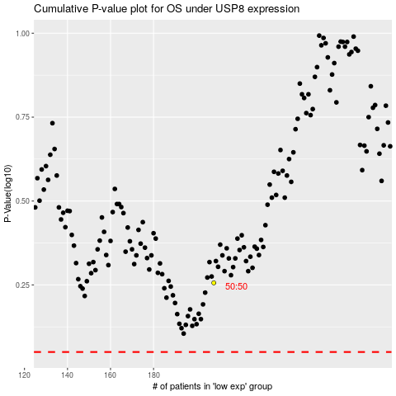

 |  |  |  |  |  | cases_OS | p_OS | rank | exp
 |  |  |  |  |  |  | cases_RFS | p_RFS | rank | exp

