USP9X _multivariate
Reported by Tex Li-Hsing Chi. tex@gate.sinica.edu.tw 2019-08-15

Table 2. The clinicopathological features of HNSCC cohort and USP9X expression. (Chi square test)
Cutoff at -0.148 (49.8%)
 |  | USP9X expression |  | USP9X expression |  | (Optimised)
 | Features | Low | (%) | High | (%) | Case no | P-value | Remark | Matthews
Gender | Female | 172 | 41.4 | 134 | 32.3 | 415 | 0 | 1 | 0
2 | Male | 35 | 8.4 | 74 | 17.8
Age at diagnosis | <=65y | 144 | 34.7 | 130 | 31.3 | 415 | 0.1568 | 0 | 0
4 | >65y | 63 | 15.2 | 78 | 18.8
Clinical T Status | T1+T2 | 70 | 16.9 | 79 | 19 | 415 | 0.4343 | 0 | 0
6 | T3+T4 | 137 | 33 | 129 | 31.1
Clinical N Status | N0 | 102 | 24.6 | 114 | 27.5 | 415 | 0.3031 | 0 | 0
8 | N1-3 | 105 | 25.3 | 94 | 22.7
Clinical M Status | M0 | 204 | 49.2 | 208 | 50.1 | 415 | 0.1232 | 0 | 0
10 | M1 | 3 | 0.7 | 0 | 0
Clinical Stage | Stage I+II | 43 | 10.4 | 59 | 14.2 | 415 | 0.0925 | 0 | 0
12 | Stage III+IV | 164 | 39.5 | 149 | 35.9
Surgical Margin status | Negative | 159 | 38.3 | 159 | 38.3 | 415 | 1 | 0 | 0
14 | Positive | 48 | 11.6 | 49 | 11.8
Tobacco Exposure | Low | 77 | 18.6 | 84 | 20.2 | 415 | 0.5459 | 0 | 0
16 | High | 130 | 31.3 | 124 | 29.9

Table 3. Univariate/Multivariate Cox's proportional hazards regression analyses on OS time of USP9X gene expression in HNSCC

 |  | Univariate |  |  |  | Multivariate
 | Features | HR | CI95%(L) | CI95%(H) | P-value | HR | CI95%(L) | CI95%(H) | P-value
1 | Female | 1 |  |  |  | 1
Gender | Male | 1.157 | 0.843 | 1.587 | 0.367 | 1.171 | 0.838 | 1.637 | 0.355
11 | <=65y | 1 |  |  |  | 1
Age at diagnosis | >65y | 1.329 | 0.99 | 1.784 | 0.058 | 1.375 | 1.011 | 1.871 | 0.043
12 | T1+T2 | 1 |  |  |  | 1
Clinical T Status | T3+T4 | 1.409 | 1.028 | 1.931 | 0.033 | 2.167 | 1.145 | 4.101 | 0.017
13 | N0 | 1 |  |  |  | 1
Clinical N Status | N1-3 | 1.185 | 0.89 | 1.577 | 0.246 | 1.243 | 0.872 | 1.773 | 0.23
14 | M0 | 1 |  |  |  | 1
Clinical M Status | M1 | 4.097 | 1.009 | 16.644 | 0.049 | 10.229 | 2.22 | 47.136 | 0.003
15 | Stage I+II | 1 |  |  |  | 1
Clinical Stage | Stage III+IV | 1.245 | 0.882 | 1.759 | 0.213 | 0.523 | 0.243 | 1.125 | 0.097
16 | Negative | 1 |  |  |  | 1
Surgical Margin status | Positive | 1.591 | 1.155 | 2.191 | 0.004 | 1.692 | 1.223 | 2.34 | 0.001
17 | Low | 1 |  |  |  | 1
Tobacco Exposure | High | 1.364 | 1.008 | 1.844 | 0.044 | 1.47 | 1.066 | 2.026 | 0.019
18 | Low | 1 |  |  |  | 1
RNAseq(z-score) | High | 1.174 | 0.88 | 1.566 | 0.274 | 1.23 | 0.914 | 1.656 | 0.172

Table 4. Univariate/Multivariate Cox's proportional hazards regression analyses on RFS time of USP9X gene expression in HNSCC

 |  | Univariate |  |  |  | Multivariate
 | Features | HR | CI95%(L) | CI95%(H) | P-value | HR | CI95%(L) | CI95%(H) | P-value
1 | Female | 1 |  |  |  | 1
Gender | Male | 1.157 | 0.843 | 1.587 | 0.367 | 1.171 | 0.838 | 1.637 | 0.355
11 | <=65y | 1 |  |  |  | 1
Age at diagnosis | >65y | 1.329 | 0.99 | 1.784 | 0.058 | 1.375 | 1.011 | 1.871 | 0.043
12 | T1+T2 | 1 |  |  |  | 1
Clinical T Status | T3+T4 | 1.409 | 1.028 | 1.931 | 0.033 | 2.167 | 1.145 | 4.101 | 0.017
13 | N0 | 1 |  |  |  | 1
Clinical N Status | N1-3 | 1.185 | 0.89 | 1.577 | 0.246 | 1.243 | 0.872 | 1.773 | 0.23
14 | M0 | 1 |  |  |  | 1
Clinical M Status | M1 | 4.097 | 1.009 | 16.644 | 0.049 | 10.229 | 2.22 | 47.136 | 0.003
15 | Stage I+II | 1 |  |  |  | 1
Clinical Stage | Stage III+IV | 1.245 | 0.882 | 1.759 | 0.213 | 0.523 | 0.243 | 1.125 | 0.097
16 | Negative | 1 |  |  |  | 1
Surgical Margin status | Positive | 1.591 | 1.155 | 2.191 | 0.004 | 1.692 | 1.223 | 2.34 | 0.001
17 | Low | 1 |  |  |  | 1
Tobacco Exposure | High | 1.364 | 1.008 | 1.844 | 0.044 | 1.47 | 1.066 | 2.026 | 0.019
18 | Low | 1 |  |  |  | 1
RNAseq(z-score) | High | 1.174 | 0.88 | 1.566 | 0.274 | 1.23 | 0.914 | 1.656 | 0.172

Kaplan-Meier survival estimate: Cutoff at -0.148 (49.8%)



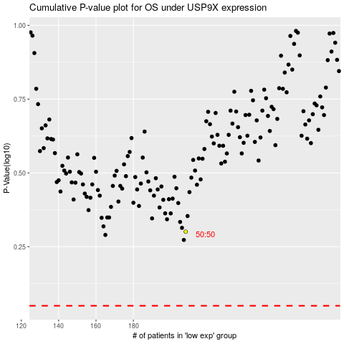

 |  |  |  |  |  | cases_OS | p_OS | rank | exp
 |  |  |  |  |  |  | cases_RFS | p_RFS | rank | exp

