UST _multivariate
Reported by Tex Li-Hsing Chi. tex@gate.sinica.edu.tw 2019-08-15

Table 2. The clinicopathological features of HNSCC cohort and UST expression. (Chi square test)
Cutoff at -0.202 (49.8%)
 |  | UST expression |  | UST expression |  | (Optimised)
 | Features | Low | (%) | High | (%) | Case no | P-value | Remark | Matthews
Gender | Female | 150 | 36.1 | 156 | 37.6 | 415 | 0.6344 | 0 | 0
2 | Male | 57 | 13.7 | 52 | 12.5
Age at diagnosis | <=65y | 135 | 32.5 | 139 | 33.5 | 415 | 0.8084 | 0 | 0
4 | >65y | 72 | 17.3 | 69 | 16.6
Clinical T Status | T1+T2 | 85 | 20.5 | 64 | 15.4 | 415 | 0.0372 | 1 | 0
6 | T3+T4 | 122 | 29.4 | 144 | 34.7
Clinical N Status | N0 | 90 | 21.7 | 126 | 30.4 | 415 | 7e-04 | 1 | 0
8 | N1-3 | 117 | 28.2 | 82 | 19.8
Clinical M Status | M0 | 205 | 49.4 | 207 | 49.9 | 415 | 0.6232 | 0 | 0
10 | M1 | 2 | 0.5 | 1 | 0.2
Clinical Stage | Stage I+II | 52 | 12.5 | 50 | 12 | 415 | 0.8871 | 0 | 0
12 | Stage III+IV | 155 | 37.3 | 158 | 38.1
Surgical Margin status | Negative | 152 | 36.6 | 166 | 40 | 415 | 0.1329 | 0 | 0
14 | Positive | 55 | 13.3 | 42 | 10.1
Tobacco Exposure | Low | 94 | 22.7 | 67 | 16.1 | 415 | 0.0065 | 1 | 0
16 | High | 113 | 27.2 | 141 | 34

Table 3. Univariate/Multivariate Cox's proportional hazards regression analyses on OS time of UST gene expression in HNSCC

 |  | Univariate |  |  |  | Multivariate
 | Features | HR | CI95%(L) | CI95%(H) | P-value | HR | CI95%(L) | CI95%(H) | P-value
1 | Female | 1 |  |  |  | 1
Gender | Male | 1.157 | 0.843 | 1.587 | 0.367 | 1.2 | 0.859 | 1.677 | 0.285
11 | <=65y | 1 |  |  |  | 1
Age at diagnosis | >65y | 1.329 | 0.99 | 1.784 | 0.058 | 1.387 | 1.018 | 1.889 | 0.038
12 | T1+T2 | 1 |  |  |  | 1
Clinical T Status | T3+T4 | 1.409 | 1.028 | 1.931 | 0.033 | 2.205 | 1.166 | 4.17 | 0.015
13 | N0 | 1 |  |  |  | 1
Clinical N Status | N1-3 | 1.185 | 0.89 | 1.577 | 0.246 | 1.234 | 0.861 | 1.768 | 0.252
14 | M0 | 1 |  |  |  | 1
Clinical M Status | M1 | 4.097 | 1.009 | 16.644 | 0.049 | 9.397 | 2.05 | 43.076 | 0.004
15 | Stage I+II | 1 |  |  |  | 1
Clinical Stage | Stage III+IV | 1.245 | 0.882 | 1.759 | 0.213 | 0.507 | 0.236 | 1.088 | 0.081
16 | Negative | 1 |  |  |  | 1
Surgical Margin status | Positive | 1.591 | 1.155 | 2.191 | 0.004 | 1.666 | 1.204 | 2.306 | 0.002
17 | Low | 1 |  |  |  | 1
Tobacco Exposure | High | 1.364 | 1.008 | 1.844 | 0.044 | 1.46 | 1.056 | 2.021 | 0.022
18 | Low | 1 |  |  |  | 1
RNAseq(z-score) | High | 0.973 | 0.73 | 1.296 | 0.852 | 0.971 | 0.718 | 1.311 | 0.846

Table 4. Univariate/Multivariate Cox's proportional hazards regression analyses on RFS time of UST gene expression in HNSCC

 |  | Univariate |  |  |  | Multivariate
 | Features | HR | CI95%(L) | CI95%(H) | P-value | HR | CI95%(L) | CI95%(H) | P-value
1 | Female | 1 |  |  |  | 1
Gender | Male | 1.157 | 0.843 | 1.587 | 0.367 | 1.2 | 0.859 | 1.677 | 0.285
11 | <=65y | 1 |  |  |  | 1
Age at diagnosis | >65y | 1.329 | 0.99 | 1.784 | 0.058 | 1.387 | 1.018 | 1.889 | 0.038
12 | T1+T2 | 1 |  |  |  | 1
Clinical T Status | T3+T4 | 1.409 | 1.028 | 1.931 | 0.033 | 2.205 | 1.166 | 4.17 | 0.015
13 | N0 | 1 |  |  |  | 1
Clinical N Status | N1-3 | 1.185 | 0.89 | 1.577 | 0.246 | 1.234 | 0.861 | 1.768 | 0.252
14 | M0 | 1 |  |  |  | 1
Clinical M Status | M1 | 4.097 | 1.009 | 16.644 | 0.049 | 9.397 | 2.05 | 43.076 | 0.004
15 | Stage I+II | 1 |  |  |  | 1
Clinical Stage | Stage III+IV | 1.245 | 0.882 | 1.759 | 0.213 | 0.507 | 0.236 | 1.088 | 0.081
16 | Negative | 1 |  |  |  | 1
Surgical Margin status | Positive | 1.591 | 1.155 | 2.191 | 0.004 | 1.666 | 1.204 | 2.306 | 0.002
17 | Low | 1 |  |  |  | 1
Tobacco Exposure | High | 1.364 | 1.008 | 1.844 | 0.044 | 1.46 | 1.056 | 2.021 | 0.022
18 | Low | 1 |  |  |  | 1
RNAseq(z-score) | High | 0.973 | 0.73 | 1.296 | 0.852 | 0.971 | 0.718 | 1.311 | 0.846

Kaplan-Meier survival estimate: Cutoff at -0.202 (49.8%)

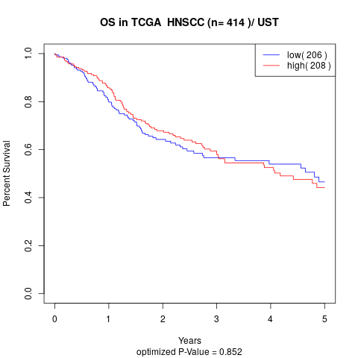

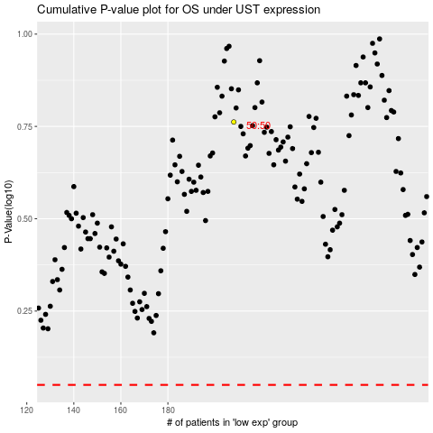

 |  |  |  |  |  | cases_OS | p_OS | rank | exp
 |  |  |  |  |  |  | cases_RFS | p_RFS | rank | exp

