UTP11L _multivariate
Reported by Tex Li-Hsing Chi. tex@gate.sinica.edu.tw 2019-08-15

Table 2. The clinicopathological features of HNSCC cohort and UTP11L expression. (Chi square test)
Cutoff at -0.155 (50.0%)
 |  | UTP11L expression |  | UTP11L expression |  | (Optimised)
 | Features | Low | (%) | High | (%) | Case no | P-value | Remark | Matthews
Gender | Female | 155 | 37.3 | 151 | 36.4 | 415 | 0.6768 | 0 | 0
2 | Male | 52 | 12.5 | 57 | 13.7
Age at diagnosis | <=65y | 137 | 33 | 137 | 33 | 415 | 1 | 0 | 0
4 | >65y | 70 | 16.9 | 71 | 17.1
Clinical T Status | T1+T2 | 72 | 17.3 | 77 | 18.6 | 415 | 0.7095 | 0 | 0
6 | T3+T4 | 135 | 32.5 | 131 | 31.6
Clinical N Status | N0 | 107 | 25.8 | 109 | 26.3 | 415 | 0.9624 | 0 | 0
8 | N1-3 | 100 | 24.1 | 99 | 23.9
Clinical M Status | M0 | 207 | 49.9 | 205 | 49.4 | 415 | 0.2482 | 0 | 0
10 | M1 | 0 | 0 | 3 | 0.7
Clinical Stage | Stage I+II | 49 | 11.8 | 53 | 12.8 | 415 | 0.7535 | 0 | 0
12 | Stage III+IV | 158 | 38.1 | 155 | 37.3
Surgical Margin status | Negative | 161 | 38.8 | 157 | 37.8 | 415 | 0.6429 | 0 | 0
14 | Positive | 46 | 11.1 | 51 | 12.3
Tobacco Exposure | Low | 79 | 19 | 82 | 19.8 | 415 | 0.8405 | 0 | 0
16 | High | 128 | 30.8 | 126 | 30.4

Table 3. Univariate/Multivariate Cox's proportional hazards regression analyses on OS time of UTP11L gene expression in HNSCC

 |  | Univariate |  |  |  | Multivariate
 | Features | HR | CI95%(L) | CI95%(H) | P-value | HR | CI95%(L) | CI95%(H) | P-value
1 | Female | 1 |  |  |  | 1
Gender | Male | 1.157 | 0.843 | 1.587 | 0.367 | 1.196 | 0.855 | 1.672 | 0.295
11 | <=65y | 1 |  |  |  | 1
Age at diagnosis | >65y | 1.329 | 0.99 | 1.784 | 0.058 | 1.386 | 1.019 | 1.884 | 0.037
12 | T1+T2 | 1 |  |  |  | 1
Clinical T Status | T3+T4 | 1.409 | 1.028 | 1.931 | 0.033 | 2.197 | 1.162 | 4.154 | 0.015
13 | N0 | 1 |  |  |  | 1
Clinical N Status | N1-3 | 1.185 | 0.89 | 1.577 | 0.246 | 1.234 | 0.865 | 1.761 | 0.246
14 | M0 | 1 |  |  |  | 1
Clinical M Status | M1 | 4.097 | 1.009 | 16.644 | 0.049 | 9.005 | 1.95 | 41.59 | 0.005
15 | Stage I+II | 1 |  |  |  | 1
Clinical Stage | Stage III+IV | 1.245 | 0.882 | 1.759 | 0.213 | 0.508 | 0.237 | 1.092 | 0.083
16 | Negative | 1 |  |  |  | 1
Surgical Margin status | Positive | 1.591 | 1.155 | 2.191 | 0.004 | 1.663 | 1.204 | 2.299 | 0.002
17 | Low | 1 |  |  |  | 1
Tobacco Exposure | High | 1.364 | 1.008 | 1.844 | 0.044 | 1.452 | 1.053 | 2 | 0.023
18 | Low | 1 |  |  |  | 1
RNAseq(z-score) | High | 1.151 | 0.863 | 1.534 | 0.338 | 1.085 | 0.811 | 1.451 | 0.582

Table 4. Univariate/Multivariate Cox's proportional hazards regression analyses on RFS time of UTP11L gene expression in HNSCC

 |  | Univariate |  |  |  | Multivariate
 | Features | HR | CI95%(L) | CI95%(H) | P-value | HR | CI95%(L) | CI95%(H) | P-value
1 | Female | 1 |  |  |  | 1
Gender | Male | 1.157 | 0.843 | 1.587 | 0.367 | 1.196 | 0.855 | 1.672 | 0.295
11 | <=65y | 1 |  |  |  | 1
Age at diagnosis | >65y | 1.329 | 0.99 | 1.784 | 0.058 | 1.386 | 1.019 | 1.884 | 0.037
12 | T1+T2 | 1 |  |  |  | 1
Clinical T Status | T3+T4 | 1.409 | 1.028 | 1.931 | 0.033 | 2.197 | 1.162 | 4.154 | 0.015
13 | N0 | 1 |  |  |  | 1
Clinical N Status | N1-3 | 1.185 | 0.89 | 1.577 | 0.246 | 1.234 | 0.865 | 1.761 | 0.246
14 | M0 | 1 |  |  |  | 1
Clinical M Status | M1 | 4.097 | 1.009 | 16.644 | 0.049 | 9.005 | 1.95 | 41.59 | 0.005
15 | Stage I+II | 1 |  |  |  | 1
Clinical Stage | Stage III+IV | 1.245 | 0.882 | 1.759 | 0.213 | 0.508 | 0.237 | 1.092 | 0.083
16 | Negative | 1 |  |  |  | 1
Surgical Margin status | Positive | 1.591 | 1.155 | 2.191 | 0.004 | 1.663 | 1.204 | 2.299 | 0.002
17 | Low | 1 |  |  |  | 1
Tobacco Exposure | High | 1.364 | 1.008 | 1.844 | 0.044 | 1.452 | 1.053 | 2 | 0.023
18 | Low | 1 |  |  |  | 1
RNAseq(z-score) | High | 1.151 | 0.863 | 1.534 | 0.338 | 1.085 | 0.811 | 1.451 | 0.582

Kaplan-Meier survival estimate: Cutoff at -0.155 (50.0%)



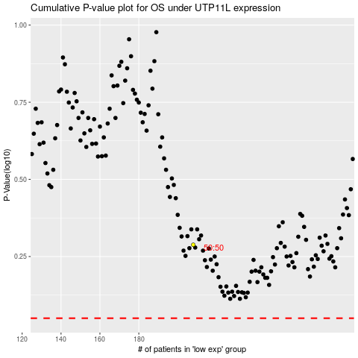

 |  |  |  |  |  | cases_OS | p_OS | rank | exp
 |  |  |  |  |  |  | cases_RFS | p_RFS | rank | exp

