UTP20 _multivariate
Reported by Tex Li-Hsing Chi. tex@gate.sinica.edu.tw 2019-08-15

Table 2. The clinicopathological features of HNSCC cohort and UTP20 expression. (Chi square test)
Cutoff at 0.132 (58.9%)
 |  | UTP20 expression |  | UTP20 expression |  | (Optimised)
 | Features | Low | (%) | High | (%) | Case no | P-value | Remark | Matthews
Gender | Female | 173 | 41.7 | 133 | 32 | 415 | 0.1048 | 0 | 0
2 | Male | 72 | 17.3 | 37 | 8.9
Age at diagnosis | <=65y | 161 | 38.8 | 113 | 27.2 | 415 | 0.9565 | 0 | 0
4 | >65y | 84 | 20.2 | 57 | 13.7
Clinical T Status | T1+T2 | 87 | 21 | 62 | 14.9 | 415 | 0.9231 | 0 | 0
6 | T3+T4 | 158 | 38.1 | 108 | 26
Clinical N Status | N0 | 134 | 32.3 | 82 | 19.8 | 415 | 0.232 | 0 | 0
8 | N1-3 | 111 | 26.7 | 88 | 21.2
Clinical M Status | M0 | 243 | 58.6 | 169 | 40.7 | 415 | 1 | 0 | 0
10 | M1 | 2 | 0.5 | 1 | 0.2
Clinical Stage | Stage I+II | 63 | 15.2 | 39 | 9.4 | 415 | 0.5966 | 0 | 0
12 | Stage III+IV | 182 | 43.9 | 131 | 31.6
Surgical Margin status | Negative | 185 | 44.6 | 133 | 32 | 415 | 0.5566 | 0 | 0
14 | Positive | 60 | 14.5 | 37 | 8.9
Tobacco Exposure | Low | 105 | 25.3 | 56 | 13.5 | 415 | 0.0515 | 0 | 0
16 | High | 140 | 33.7 | 114 | 27.5

Table 3. Univariate/Multivariate Cox's proportional hazards regression analyses on OS time of UTP20 gene expression in HNSCC

 |  | Univariate |  |  |  | Multivariate
 | Features | HR | CI95%(L) | CI95%(H) | P-value | HR | CI95%(L) | CI95%(H) | P-value
1 | Female | 1 |  |  |  | 1
Gender | Male | 1.157 | 0.843 | 1.587 | 0.367 | 1.249 | 0.892 | 1.749 | 0.196
11 | <=65y | 1 |  |  |  | 1
Age at diagnosis | >65y | 1.329 | 0.99 | 1.784 | 0.058 | 1.357 | 0.998 | 1.845 | 0.051
12 | T1+T2 | 1 |  |  |  | 1
Clinical T Status | T3+T4 | 1.409 | 1.028 | 1.931 | 0.033 | 2.282 | 1.206 | 4.318 | 0.011
13 | N0 | 1 |  |  |  | 1
Clinical N Status | N1-3 | 1.185 | 0.89 | 1.577 | 0.246 | 1.22 | 0.853 | 1.744 | 0.275
14 | M0 | 1 |  |  |  | 1
Clinical M Status | M1 | 4.097 | 1.009 | 16.644 | 0.049 | 10.621 | 2.309 | 48.858 | 0.002
15 | Stage I+II | 1 |  |  |  | 1
Clinical Stage | Stage III+IV | 1.245 | 0.882 | 1.759 | 0.213 | 0.485 | 0.225 | 1.042 | 0.064
16 | Negative | 1 |  |  |  | 1
Surgical Margin status | Positive | 1.591 | 1.155 | 2.191 | 0.004 | 1.721 | 1.244 | 2.381 | 0.001
17 | Low | 1 |  |  |  | 1
Tobacco Exposure | High | 1.364 | 1.008 | 1.844 | 0.044 | 1.442 | 1.046 | 1.986 | 0.025
18 | Low | 1 |  |  |  | 1
RNAseq(z-score) | High | 1.36 | 1.018 | 1.816 | 0.037 | 1.413 | 1.054 | 1.895 | 0.021

Table 4. Univariate/Multivariate Cox's proportional hazards regression analyses on RFS time of UTP20 gene expression in HNSCC

 |  | Univariate |  |  |  | Multivariate
 | Features | HR | CI95%(L) | CI95%(H) | P-value | HR | CI95%(L) | CI95%(H) | P-value
1 | Female | 1 |  |  |  | 1
Gender | Male | 1.157 | 0.843 | 1.587 | 0.367 | 1.249 | 0.892 | 1.749 | 0.196
11 | <=65y | 1 |  |  |  | 1
Age at diagnosis | >65y | 1.329 | 0.99 | 1.784 | 0.058 | 1.357 | 0.998 | 1.845 | 0.051
12 | T1+T2 | 1 |  |  |  | 1
Clinical T Status | T3+T4 | 1.409 | 1.028 | 1.931 | 0.033 | 2.282 | 1.206 | 4.318 | 0.011
13 | N0 | 1 |  |  |  | 1
Clinical N Status | N1-3 | 1.185 | 0.89 | 1.577 | 0.246 | 1.22 | 0.853 | 1.744 | 0.275
14 | M0 | 1 |  |  |  | 1
Clinical M Status | M1 | 4.097 | 1.009 | 16.644 | 0.049 | 10.621 | 2.309 | 48.858 | 0.002
15 | Stage I+II | 1 |  |  |  | 1
Clinical Stage | Stage III+IV | 1.245 | 0.882 | 1.759 | 0.213 | 0.485 | 0.225 | 1.042 | 0.064
16 | Negative | 1 |  |  |  | 1
Surgical Margin status | Positive | 1.591 | 1.155 | 2.191 | 0.004 | 1.721 | 1.244 | 2.381 | 0.001
17 | Low | 1 |  |  |  | 1
Tobacco Exposure | High | 1.364 | 1.008 | 1.844 | 0.044 | 1.442 | 1.046 | 1.986 | 0.025
18 | Low | 1 |  |  |  | 1
RNAseq(z-score) | High | 1.36 | 1.018 | 1.816 | 0.037 | 1.413 | 1.054 | 1.895 | 0.021

Kaplan-Meier survival estimate: Cutoff at 0.132 (58.9%)

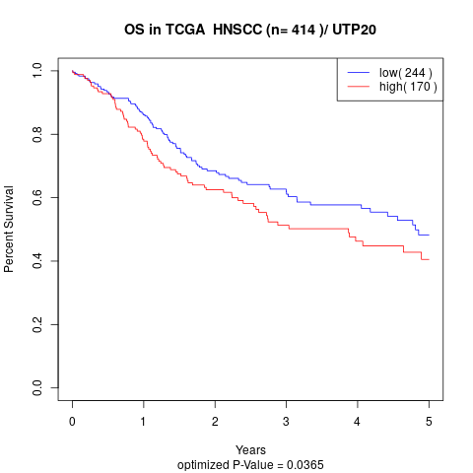

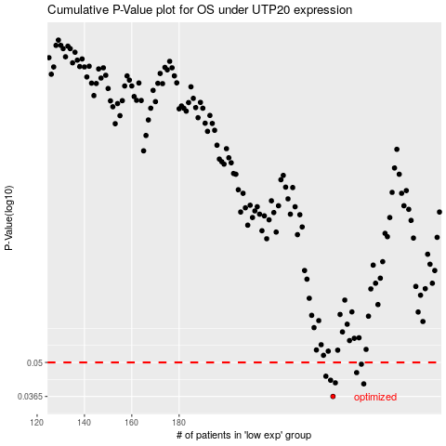

 |  |  |  |  |  | cases_OS | p_OS | rank | exp
 |  |  |  |  |  | 245 | 0.0365 | 366 | 0.13206942987
 |  |  |  |  |  | 258 | 0.041 | 222 | 0.21817372237
 |  |  |  |  |  | 246 | 0.0414 | 113 | 0.13678856226
 |  |  |  |  |  | 244 | 0.0424 | 292 | 0.12387263764
 |  |  |  |  |  | 242 | 0.044 | 404 | 0.11271888889
 |  |  |  |  |  | 255 | 0.0455 | 264 | 0.20621941444
 |  |  |  |  |  | 257 | 0.0492 | 136 | 0.21524956839
 |  |  |  |  |  |  | cases_RFS | p_RFS | rank | exp
 |  |  |  |  |  |  | 244 | 0.0365 | 292 | 0.12387263764
 |  |  |  |  |  |  | 257 | 0.041 | 136 | 0.21524956839
 |  |  |  |  |  |  | 245 | 0.0414 | 366 | 0.13206942987
 |  |  |  |  |  |  | 243 | 0.0424 | 122 | 0.1161380361
 |  |  |  |  |  |  | 241 | 0.044 | 168 | 0.1054071741
 |  |  |  |  |  |  | 254 | 0.0455 | 32 | 0.18792269186
 |  |  |  |  |  |  | 256 | 0.0492 | 399 | 0.2127217045

