UTS2D _multivariate
Reported by Tex Li-Hsing Chi. tex@gate.sinica.edu.tw 2019-08-15

Table 2. The clinicopathological features of HNSCC cohort and UTS2D expression. (Chi square test)
Cutoff at -0.045 (65.7%)
 |  | UTS2D expression |  | UTS2D expression |  | (Optimised)
 | Features | Low | (%) | High | (%) | Case no | P-value | Remark | Matthews
Gender | Female | 199 | 48 | 107 | 25.8 | 415 | 0.8037 | 0 | 0
2 | Male | 73 | 17.6 | 36 | 8.7
Age at diagnosis | <=65y | 180 | 43.4 | 94 | 22.7 | 415 | 1 | 0 | 0
4 | >65y | 92 | 22.2 | 49 | 11.8
Clinical T Status | T1+T2 | 87 | 21 | 62 | 14.9 | 415 | 0.0287 | 1 | 0
6 | T3+T4 | 185 | 44.6 | 81 | 19.5
Clinical N Status | N0 | 141 | 34 | 75 | 18.1 | 415 | 0.9883 | 0 | 0
8 | N1-3 | 131 | 31.6 | 68 | 16.4
Clinical M Status | M0 | 269 | 64.8 | 143 | 34.5 | 415 | 0.5543 | 0 | 0
10 | M1 | 3 | 0.7 | 0 | 0
Clinical Stage | Stage I+II | 61 | 14.7 | 41 | 9.9 | 415 | 0.1991 | 0 | 0
12 | Stage III+IV | 211 | 50.8 | 102 | 24.6
Surgical Margin status | Negative | 210 | 50.6 | 108 | 26 | 415 | 0.7154 | 0 | 0
14 | Positive | 62 | 14.9 | 35 | 8.4
Tobacco Exposure | Low | 98 | 23.6 | 63 | 15.2 | 415 | 0.1135 | 0 | 0
16 | High | 174 | 41.9 | 80 | 19.3

Table 3. Univariate/Multivariate Cox's proportional hazards regression analyses on OS time of UTS2D gene expression in HNSCC

 |  | Univariate |  |  |  | Multivariate
 | Features | HR | CI95%(L) | CI95%(H) | P-value | HR | CI95%(L) | CI95%(H) | P-value
1 | Female | 1 |  |  |  | 1
Gender | Male | 1.157 | 0.843 | 1.587 | 0.367 | 1.154 | 0.823 | 1.619 | 0.405
11 | <=65y | 1 |  |  |  | 1
Age at diagnosis | >65y | 1.329 | 0.99 | 1.784 | 0.058 | 1.427 | 1.048 | 1.943 | 0.024
12 | T1+T2 | 1 |  |  |  | 1
Clinical T Status | T3+T4 | 1.409 | 1.028 | 1.931 | 0.033 | 2.082 | 1.098 | 3.947 | 0.025
13 | N0 | 1 |  |  |  | 1
Clinical N Status | N1-3 | 1.185 | 0.89 | 1.577 | 0.246 | 1.255 | 0.879 | 1.792 | 0.212
14 | M0 | 1 |  |  |  | 1
Clinical M Status | M1 | 4.097 | 1.009 | 16.644 | 0.049 | 8.167 | 1.768 | 37.722 | 0.007
15 | Stage I+II | 1 |  |  |  | 1
Clinical Stage | Stage III+IV | 1.245 | 0.882 | 1.759 | 0.213 | 0.519 | 0.242 | 1.115 | 0.093
16 | Negative | 1 |  |  |  | 1
Surgical Margin status | Positive | 1.591 | 1.155 | 2.191 | 0.004 | 1.688 | 1.222 | 2.331 | 0.001
17 | Low | 1 |  |  |  | 1
Tobacco Exposure | High | 1.364 | 1.008 | 1.844 | 0.044 | 1.434 | 1.041 | 1.976 | 0.027
18 | Low | 1 |  |  |  | 1
RNAseq(z-score) | High | 0.716 | 0.521 | 0.985 | 0.04 | 0.762 | 0.55 | 1.056 | 0.103

Table 4. Univariate/Multivariate Cox's proportional hazards regression analyses on RFS time of UTS2D gene expression in HNSCC

 |  | Univariate |  |  |  | Multivariate
 | Features | HR | CI95%(L) | CI95%(H) | P-value | HR | CI95%(L) | CI95%(H) | P-value
1 | Female | 1 |  |  |  | 1
Gender | Male | 1.157 | 0.843 | 1.587 | 0.367 | 1.154 | 0.823 | 1.619 | 0.405
11 | <=65y | 1 |  |  |  | 1
Age at diagnosis | >65y | 1.329 | 0.99 | 1.784 | 0.058 | 1.427 | 1.048 | 1.943 | 0.024
12 | T1+T2 | 1 |  |  |  | 1
Clinical T Status | T3+T4 | 1.409 | 1.028 | 1.931 | 0.033 | 2.082 | 1.098 | 3.947 | 0.025
13 | N0 | 1 |  |  |  | 1
Clinical N Status | N1-3 | 1.185 | 0.89 | 1.577 | 0.246 | 1.255 | 0.879 | 1.792 | 0.212
14 | M0 | 1 |  |  |  | 1
Clinical M Status | M1 | 4.097 | 1.009 | 16.644 | 0.049 | 8.167 | 1.768 | 37.722 | 0.007
15 | Stage I+II | 1 |  |  |  | 1
Clinical Stage | Stage III+IV | 1.245 | 0.882 | 1.759 | 0.213 | 0.519 | 0.242 | 1.115 | 0.093
16 | Negative | 1 |  |  |  | 1
Surgical Margin status | Positive | 1.591 | 1.155 | 2.191 | 0.004 | 1.688 | 1.222 | 2.331 | 0.001
17 | Low | 1 |  |  |  | 1
Tobacco Exposure | High | 1.364 | 1.008 | 1.844 | 0.044 | 1.434 | 1.041 | 1.976 | 0.027
18 | Low | 1 |  |  |  | 1
RNAseq(z-score) | High | 0.716 | 0.521 | 0.985 | 0.04 | 0.762 | 0.55 | 1.056 | 0.103

Kaplan-Meier survival estimate: Cutoff at -0.045 (65.7%)



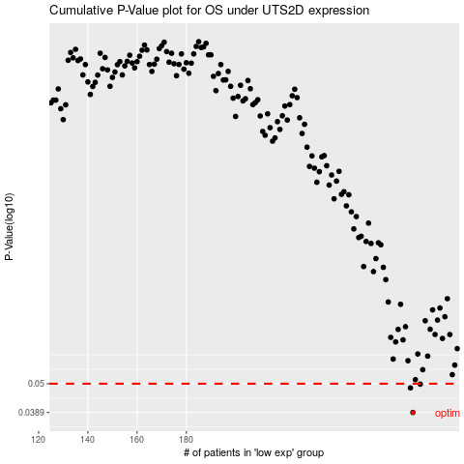

 |  |  |  |  |  | cases_OS | p_OS | rank | exp
 |  |  |  |  |  | 272 | 0.0389 | 190 | -0.044711516163
 |  |  |  |  |  | 271 | 0.0482 | 90 | -0.046535040454
 |  |  |  |  |  | 275 | 0.0498 | 294 | -0.0060629318872
 |  |  |  |  |  |  | cases_RFS | p_RFS | rank | exp
 |  |  |  |  |  |  | 271 | 0.0389 | 90 | -0.046535040454
 |  |  |  |  |  |  | 270 | 0.0482 | 325 | -0.047750723314
 |  |  |  |  |  |  | 274 | 0.0498 | 385 | -0.0092540993962

