UVRAG _multivariate
Reported by Tex Li-Hsing Chi. tex@gate.sinica.edu.tw 2019-08-15

Table 2. The clinicopathological features of HNSCC cohort and UVRAG expression. (Chi square test)
Cutoff at -0.162 (49.8%)
 |  | UVRAG expression |  | UVRAG expression |  | (Optimised)
 | Features | Low | (%) | High | (%) | Case no | P-value | Remark | Matthews
Gender | Female | 148 | 35.7 | 158 | 38.1 | 415 | 0.3567 | 0 | 0
2 | Male | 59 | 14.2 | 50 | 12
Age at diagnosis | <=65y | 130 | 31.3 | 144 | 34.7 | 415 | 0.2009 | 0 | 0
4 | >65y | 77 | 18.6 | 64 | 15.4
Clinical T Status | T1+T2 | 74 | 17.8 | 75 | 18.1 | 415 | 1 | 0 | 0
6 | T3+T4 | 133 | 32 | 133 | 32
Clinical N Status | N0 | 109 | 26.3 | 107 | 25.8 | 415 | 0.8812 | 0 | 0
8 | N1-3 | 98 | 23.6 | 101 | 24.3
Clinical M Status | M0 | 204 | 49.2 | 208 | 50.1 | 415 | 0.1232 | 0 | 0
10 | M1 | 3 | 0.7 | 0 | 0
Clinical Stage | Stage I+II | 52 | 12.5 | 50 | 12 | 415 | 0.8871 | 0 | 0
12 | Stage III+IV | 155 | 37.3 | 158 | 38.1
Surgical Margin status | Negative | 160 | 38.6 | 158 | 38.1 | 415 | 0.8167 | 0 | 0
14 | Positive | 47 | 11.3 | 50 | 12
Tobacco Exposure | Low | 78 | 18.8 | 83 | 20 | 415 | 0.6873 | 0 | 0
16 | High | 129 | 31.1 | 125 | 30.1

Table 3. Univariate/Multivariate Cox's proportional hazards regression analyses on OS time of UVRAG gene expression in HNSCC

 |  | Univariate |  |  |  | Multivariate
 | Features | HR | CI95%(L) | CI95%(H) | P-value | HR | CI95%(L) | CI95%(H) | P-value
1 | Female | 1 |  |  |  | 1
Gender | Male | 1.157 | 0.843 | 1.587 | 0.367 | 1.224 | 0.875 | 1.712 | 0.237
11 | <=65y | 1 |  |  |  | 1
Age at diagnosis | >65y | 1.329 | 0.99 | 1.784 | 0.058 | 1.439 | 1.053 | 1.965 | 0.022
12 | T1+T2 | 1 |  |  |  | 1
Clinical T Status | T3+T4 | 1.409 | 1.028 | 1.931 | 0.033 | 2.24 | 1.184 | 4.235 | 0.013
13 | N0 | 1 |  |  |  | 1
Clinical N Status | N1-3 | 1.185 | 0.89 | 1.577 | 0.246 | 1.246 | 0.873 | 1.777 | 0.226
14 | M0 | 1 |  |  |  | 1
Clinical M Status | M1 | 4.097 | 1.009 | 16.644 | 0.049 | 10.57 | 2.276 | 49.095 | 0.003
15 | Stage I+II | 1 |  |  |  | 1
Clinical Stage | Stage III+IV | 1.245 | 0.882 | 1.759 | 0.213 | 0.497 | 0.231 | 1.067 | 0.073
16 | Negative | 1 |  |  |  | 1
Surgical Margin status | Positive | 1.591 | 1.155 | 2.191 | 0.004 | 1.664 | 1.204 | 2.298 | 0.002
17 | Low | 1 |  |  |  | 1
Tobacco Exposure | High | 1.364 | 1.008 | 1.844 | 0.044 | 1.487 | 1.077 | 2.052 | 0.016
18 | Low | 1 |  |  |  | 1
RNAseq(z-score) | High | 1.041 | 0.782 | 1.387 | 0.781 | 1.192 | 0.887 | 1.603 | 0.245

Table 4. Univariate/Multivariate Cox's proportional hazards regression analyses on RFS time of UVRAG gene expression in HNSCC

 |  | Univariate |  |  |  | Multivariate
 | Features | HR | CI95%(L) | CI95%(H) | P-value | HR | CI95%(L) | CI95%(H) | P-value
1 | Female | 1 |  |  |  | 1
Gender | Male | 1.157 | 0.843 | 1.587 | 0.367 | 1.224 | 0.875 | 1.712 | 0.237
11 | <=65y | 1 |  |  |  | 1
Age at diagnosis | >65y | 1.329 | 0.99 | 1.784 | 0.058 | 1.439 | 1.053 | 1.965 | 0.022
12 | T1+T2 | 1 |  |  |  | 1
Clinical T Status | T3+T4 | 1.409 | 1.028 | 1.931 | 0.033 | 2.24 | 1.184 | 4.235 | 0.013
13 | N0 | 1 |  |  |  | 1
Clinical N Status | N1-3 | 1.185 | 0.89 | 1.577 | 0.246 | 1.246 | 0.873 | 1.777 | 0.226
14 | M0 | 1 |  |  |  | 1
Clinical M Status | M1 | 4.097 | 1.009 | 16.644 | 0.049 | 10.57 | 2.276 | 49.095 | 0.003
15 | Stage I+II | 1 |  |  |  | 1
Clinical Stage | Stage III+IV | 1.245 | 0.882 | 1.759 | 0.213 | 0.497 | 0.231 | 1.067 | 0.073
16 | Negative | 1 |  |  |  | 1
Surgical Margin status | Positive | 1.591 | 1.155 | 2.191 | 0.004 | 1.664 | 1.204 | 2.298 | 0.002
17 | Low | 1 |  |  |  | 1
Tobacco Exposure | High | 1.364 | 1.008 | 1.844 | 0.044 | 1.487 | 1.077 | 2.052 | 0.016
18 | Low | 1 |  |  |  | 1
RNAseq(z-score) | High | 1.041 | 0.782 | 1.387 | 0.781 | 1.192 | 0.887 | 1.603 | 0.245

Kaplan-Meier survival estimate: Cutoff at -0.162 (49.8%)

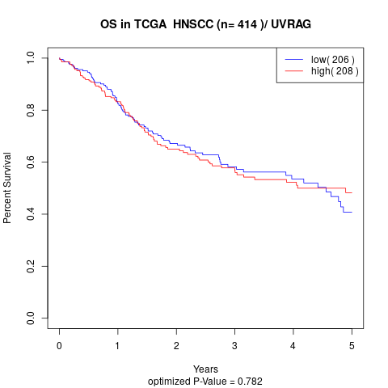

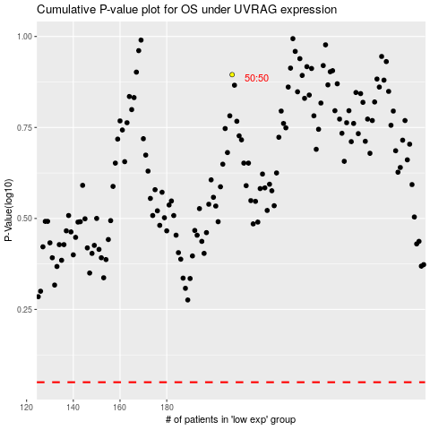

 |  |  |  |  |  | cases_OS | p_OS | rank | exp
 |  |  |  |  |  |  | cases_RFS | p_RFS | rank | exp

