UXS1 _multivariate
Reported by Tex Li-Hsing Chi. tex@gate.sinica.edu.tw 2019-08-15

Table 2. The clinicopathological features of HNSCC cohort and UXS1 expression. (Chi square test)
Cutoff at -0.169 (50.0%)
 |  | UXS1 expression |  | UXS1 expression |  | (Optimised)
 | Features | Low | (%) | High | (%) | Case no | P-value | Remark | Matthews
Gender | Female | 145 | 34.9 | 161 | 38.8 | 415 | 0.1116 | 0 | 0
2 | Male | 62 | 14.9 | 47 | 11.3
Age at diagnosis | <=65y | 129 | 31.1 | 145 | 34.9 | 415 | 0.1372 | 0 | 0
4 | >65y | 78 | 18.8 | 63 | 15.2
Clinical T Status | T1+T2 | 80 | 19.3 | 69 | 16.6 | 415 | 0.2891 | 0 | 0
6 | T3+T4 | 127 | 30.6 | 139 | 33.5
Clinical N Status | N0 | 105 | 25.3 | 111 | 26.7 | 415 | 0.6598 | 0 | 0
8 | N1-3 | 102 | 24.6 | 97 | 23.4
Clinical M Status | M0 | 205 | 49.4 | 207 | 49.9 | 415 | 0.6232 | 0 | 0
10 | M1 | 2 | 0.5 | 1 | 0.2
Clinical Stage | Stage I+II | 54 | 13 | 48 | 11.6 | 415 | 0.5498 | 0 | 0
12 | Stage III+IV | 153 | 36.9 | 160 | 38.6
Surgical Margin status | Negative | 155 | 37.3 | 163 | 39.3 | 415 | 0.4187 | 0 | 0
14 | Positive | 52 | 12.5 | 45 | 10.8
Tobacco Exposure | Low | 101 | 24.3 | 60 | 14.5 | 415 | 0 | 1 | 0
16 | High | 106 | 25.5 | 148 | 35.7

Table 3. Univariate/Multivariate Cox's proportional hazards regression analyses on OS time of UXS1 gene expression in HNSCC

 |  | Univariate |  |  |  | Multivariate
 | Features | HR | CI95%(L) | CI95%(H) | P-value | HR | CI95%(L) | CI95%(H) | P-value
1 | Female | 1 |  |  |  | 1
Gender | Male | 1.157 | 0.843 | 1.587 | 0.367 | 1.219 | 0.872 | 1.705 | 0.246
11 | <=65y | 1 |  |  |  | 1
Age at diagnosis | >65y | 1.329 | 0.99 | 1.784 | 0.058 | 1.401 | 1.031 | 1.904 | 0.031
12 | T1+T2 | 1 |  |  |  | 1
Clinical T Status | T3+T4 | 1.409 | 1.028 | 1.931 | 0.033 | 2.212 | 1.17 | 4.184 | 0.015
13 | N0 | 1 |  |  |  | 1
Clinical N Status | N1-3 | 1.185 | 0.89 | 1.577 | 0.246 | 1.248 | 0.874 | 1.781 | 0.222
14 | M0 | 1 |  |  |  | 1
Clinical M Status | M1 | 4.097 | 1.009 | 16.644 | 0.049 | 9.98 | 2.168 | 45.936 | 0.003
15 | Stage I+II | 1 |  |  |  | 1
Clinical Stage | Stage III+IV | 1.245 | 0.882 | 1.759 | 0.213 | 0.493 | 0.229 | 1.06 | 0.07
16 | Negative | 1 |  |  |  | 1
Surgical Margin status | Positive | 1.591 | 1.155 | 2.191 | 0.004 | 1.699 | 1.228 | 2.352 | 0.001
17 | Low | 1 |  |  |  | 1
Tobacco Exposure | High | 1.364 | 1.008 | 1.844 | 0.044 | 1.404 | 1.013 | 1.945 | 0.042
18 | Low | 1 |  |  |  | 1
RNAseq(z-score) | High | 1.14 | 0.854 | 1.523 | 0.374 | 1.175 | 0.868 | 1.592 | 0.297

Table 4. Univariate/Multivariate Cox's proportional hazards regression analyses on RFS time of UXS1 gene expression in HNSCC

 |  | Univariate |  |  |  | Multivariate
 | Features | HR | CI95%(L) | CI95%(H) | P-value | HR | CI95%(L) | CI95%(H) | P-value
1 | Female | 1 |  |  |  | 1
Gender | Male | 1.157 | 0.843 | 1.587 | 0.367 | 1.219 | 0.872 | 1.705 | 0.246
11 | <=65y | 1 |  |  |  | 1
Age at diagnosis | >65y | 1.329 | 0.99 | 1.784 | 0.058 | 1.401 | 1.031 | 1.904 | 0.031
12 | T1+T2 | 1 |  |  |  | 1
Clinical T Status | T3+T4 | 1.409 | 1.028 | 1.931 | 0.033 | 2.212 | 1.17 | 4.184 | 0.015
13 | N0 | 1 |  |  |  | 1
Clinical N Status | N1-3 | 1.185 | 0.89 | 1.577 | 0.246 | 1.248 | 0.874 | 1.781 | 0.222
14 | M0 | 1 |  |  |  | 1
Clinical M Status | M1 | 4.097 | 1.009 | 16.644 | 0.049 | 9.98 | 2.168 | 45.936 | 0.003
15 | Stage I+II | 1 |  |  |  | 1
Clinical Stage | Stage III+IV | 1.245 | 0.882 | 1.759 | 0.213 | 0.493 | 0.229 | 1.06 | 0.07
16 | Negative | 1 |  |  |  | 1
Surgical Margin status | Positive | 1.591 | 1.155 | 2.191 | 0.004 | 1.699 | 1.228 | 2.352 | 0.001
17 | Low | 1 |  |  |  | 1
Tobacco Exposure | High | 1.364 | 1.008 | 1.844 | 0.044 | 1.404 | 1.013 | 1.945 | 0.042
18 | Low | 1 |  |  |  | 1
RNAseq(z-score) | High | 1.14 | 0.854 | 1.523 | 0.374 | 1.175 | 0.868 | 1.592 | 0.297

Kaplan-Meier survival estimate: Cutoff at -0.169 (50.0%)



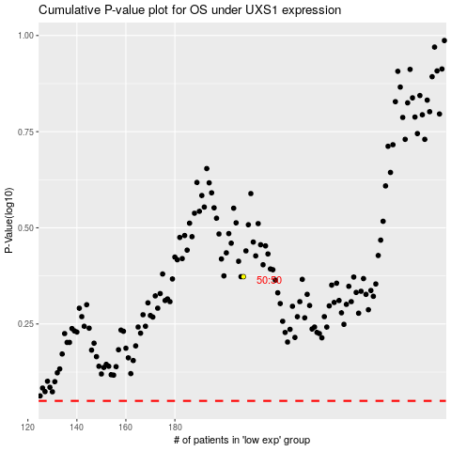

 |  |  |  |  |  | cases_OS | p_OS | rank | exp
 |  |  |  |  |  |  | cases_RFS | p_RFS | rank | exp

