VAC14 _multivariate
Reported by Tex Li-Hsing Chi. tex@gate.sinica.edu.tw 2019-08-15

Table 2. The clinicopathological features of HNSCC cohort and VAC14 expression. (Chi square test)
Cutoff at -0.031 (49.8%)
 |  | VAC14 expression |  | VAC14 expression |  | (Optimised)
 | Features | Low | (%) | High | (%) | Case no | P-value | Remark | Matthews
Gender | Female | 142 | 34.2 | 164 | 39.5 | 415 | 0.0238 | 1 | 0
2 | Male | 65 | 15.7 | 44 | 10.6
Age at diagnosis | <=65y | 127 | 30.6 | 147 | 35.4 | 415 | 0.0573 | 0 | 0
4 | >65y | 80 | 19.3 | 61 | 14.7
Clinical T Status | T1+T2 | 75 | 18.1 | 74 | 17.8 | 415 | 0.9707 | 0 | 0
6 | T3+T4 | 132 | 31.8 | 134 | 32.3
Clinical N Status | N0 | 109 | 26.3 | 107 | 25.8 | 415 | 0.8812 | 0 | 0
8 | N1-3 | 98 | 23.6 | 101 | 24.3
Clinical M Status | M0 | 206 | 49.6 | 206 | 49.6 | 415 | 1 | 0 | 0
10 | M1 | 1 | 0.2 | 2 | 0.5
Clinical Stage | Stage I+II | 53 | 12.8 | 49 | 11.8 | 415 | 0.7113 | 0 | 0
12 | Stage III+IV | 154 | 37.1 | 159 | 38.3
Surgical Margin status | Negative | 147 | 35.4 | 171 | 41.2 | 415 | 0.0077 | 1 | 0
14 | Positive | 60 | 14.5 | 37 | 8.9
Tobacco Exposure | Low | 80 | 19.3 | 81 | 19.5 | 415 | 1 | 0 | 0
16 | High | 127 | 30.6 | 127 | 30.6

Table 3. Univariate/Multivariate Cox's proportional hazards regression analyses on OS time of VAC14 gene expression in HNSCC

 |  | Univariate |  |  |  | Multivariate
 | Features | HR | CI95%(L) | CI95%(H) | P-value | HR | CI95%(L) | CI95%(H) | P-value
1 | Female | 1 |  |  |  | 1
Gender | Male | 1.157 | 0.843 | 1.587 | 0.367 | 1.197 | 0.856 | 1.673 | 0.293
11 | <=65y | 1 |  |  |  | 1
Age at diagnosis | >65y | 1.329 | 0.99 | 1.784 | 0.058 | 1.389 | 1.021 | 1.889 | 0.036
12 | T1+T2 | 1 |  |  |  | 1
Clinical T Status | T3+T4 | 1.409 | 1.028 | 1.931 | 0.033 | 2.211 | 1.169 | 4.183 | 0.015
13 | N0 | 1 |  |  |  | 1
Clinical N Status | N1-3 | 1.185 | 0.89 | 1.577 | 0.246 | 1.242 | 0.87 | 1.772 | 0.232
14 | M0 | 1 |  |  |  | 1
Clinical M Status | M1 | 4.097 | 1.009 | 16.644 | 0.049 | 9.555 | 2.078 | 43.941 | 0.004
15 | Stage I+II | 1 |  |  |  | 1
Clinical Stage | Stage III+IV | 1.245 | 0.882 | 1.759 | 0.213 | 0.503 | 0.234 | 1.079 | 0.078
16 | Negative | 1 |  |  |  | 1
Surgical Margin status | Positive | 1.591 | 1.155 | 2.191 | 0.004 | 1.663 | 1.201 | 2.302 | 0.002
17 | Low | 1 |  |  |  | 1
Tobacco Exposure | High | 1.364 | 1.008 | 1.844 | 0.044 | 1.454 | 1.055 | 2.003 | 0.022
18 | Low | 1 |  |  |  | 1
RNAseq(z-score) | High | 0.93 | 0.698 | 1.238 | 0.617 | 0.954 | 0.713 | 1.277 | 0.751

Table 4. Univariate/Multivariate Cox's proportional hazards regression analyses on RFS time of VAC14 gene expression in HNSCC

 |  | Univariate |  |  |  | Multivariate
 | Features | HR | CI95%(L) | CI95%(H) | P-value | HR | CI95%(L) | CI95%(H) | P-value
1 | Female | 1 |  |  |  | 1
Gender | Male | 1.157 | 0.843 | 1.587 | 0.367 | 1.197 | 0.856 | 1.673 | 0.293
11 | <=65y | 1 |  |  |  | 1
Age at diagnosis | >65y | 1.329 | 0.99 | 1.784 | 0.058 | 1.389 | 1.021 | 1.889 | 0.036
12 | T1+T2 | 1 |  |  |  | 1
Clinical T Status | T3+T4 | 1.409 | 1.028 | 1.931 | 0.033 | 2.211 | 1.169 | 4.183 | 0.015
13 | N0 | 1 |  |  |  | 1
Clinical N Status | N1-3 | 1.185 | 0.89 | 1.577 | 0.246 | 1.242 | 0.87 | 1.772 | 0.232
14 | M0 | 1 |  |  |  | 1
Clinical M Status | M1 | 4.097 | 1.009 | 16.644 | 0.049 | 9.555 | 2.078 | 43.941 | 0.004
15 | Stage I+II | 1 |  |  |  | 1
Clinical Stage | Stage III+IV | 1.245 | 0.882 | 1.759 | 0.213 | 0.503 | 0.234 | 1.079 | 0.078
16 | Negative | 1 |  |  |  | 1
Surgical Margin status | Positive | 1.591 | 1.155 | 2.191 | 0.004 | 1.663 | 1.201 | 2.302 | 0.002
17 | Low | 1 |  |  |  | 1
Tobacco Exposure | High | 1.364 | 1.008 | 1.844 | 0.044 | 1.454 | 1.055 | 2.003 | 0.022
18 | Low | 1 |  |  |  | 1
RNAseq(z-score) | High | 0.93 | 0.698 | 1.238 | 0.617 | 0.954 | 0.713 | 1.277 | 0.751

Kaplan-Meier survival estimate: Cutoff at -0.031 (49.8%)



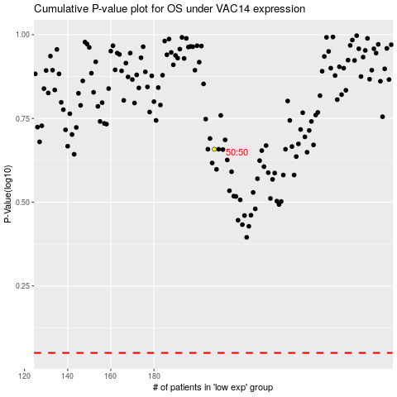

 |  |  |  |  |  | cases_OS | p_OS | rank | exp
 |  |  |  |  |  |  | cases_RFS | p_RFS | rank | exp

