VAMP3 _multivariate
Reported by Tex Li-Hsing Chi. tex@gate.sinica.edu.tw 2019-08-15

Table 2. The clinicopathological features of HNSCC cohort and VAMP3 expression. (Chi square test)
Cutoff at 0.191 (58.9%)
 |  | VAMP3 expression |  | VAMP3 expression |  | (Optimised)
 | Features | Low | (%) | High | (%) | Case no | P-value | Remark | Matthews
Gender | Female | 191 | 46 | 115 | 27.7 | 415 | 0.0164 | 1 | 0
2 | Male | 53 | 12.8 | 56 | 13.5
Age at diagnosis | <=65y | 168 | 40.5 | 106 | 25.5 | 415 | 0.1777 | 0 | 0
4 | >65y | 76 | 18.3 | 65 | 15.7
Clinical T Status | T1+T2 | 92 | 22.2 | 57 | 13.7 | 415 | 0.4181 | 0 | 0
6 | T3+T4 | 152 | 36.6 | 114 | 27.5
Clinical N Status | N0 | 125 | 30.1 | 91 | 21.9 | 415 | 0.765 | 0 | 0
8 | N1-3 | 119 | 28.7 | 80 | 19.3
Clinical M Status | M0 | 242 | 58.3 | 170 | 41 | 415 | 1 | 0 | 0
10 | M1 | 2 | 0.5 | 1 | 0.2
Clinical Stage | Stage I+II | 57 | 13.7 | 45 | 10.8 | 415 | 0.5671 | 0 | 0
12 | Stage III+IV | 187 | 45.1 | 126 | 30.4
Surgical Margin status | Negative | 185 | 44.6 | 133 | 32 | 415 | 0.7239 | 0 | 0
14 | Positive | 59 | 14.2 | 38 | 9.2
Tobacco Exposure | Low | 89 | 21.4 | 72 | 17.3 | 415 | 0.2613 | 0 | 0
16 | High | 155 | 37.3 | 99 | 23.9

Table 3. Univariate/Multivariate Cox's proportional hazards regression analyses on OS time of VAMP3 gene expression in HNSCC

 |  | Univariate |  |  |  | Multivariate
 | Features | HR | CI95%(L) | CI95%(H) | P-value | HR | CI95%(L) | CI95%(H) | P-value
1 | Female | 1 |  |  |  | 1
Gender | Male | 1.157 | 0.843 | 1.587 | 0.367 | 1.171 | 0.838 | 1.637 | 0.354
11 | <=65y | 1 |  |  |  | 1
Age at diagnosis | >65y | 1.329 | 0.99 | 1.784 | 0.058 | 1.381 | 1.016 | 1.877 | 0.039
12 | T1+T2 | 1 |  |  |  | 1
Clinical T Status | T3+T4 | 1.409 | 1.028 | 1.931 | 0.033 | 2.089 | 1.102 | 3.961 | 0.024
13 | N0 | 1 |  |  |  | 1
Clinical N Status | N1-3 | 1.185 | 0.89 | 1.577 | 0.246 | 1.205 | 0.843 | 1.721 | 0.306
14 | M0 | 1 |  |  |  | 1
Clinical M Status | M1 | 4.097 | 1.009 | 16.644 | 0.049 | 9.583 | 2.09 | 43.941 | 0.004
15 | Stage I+II | 1 |  |  |  | 1
Clinical Stage | Stage III+IV | 1.245 | 0.882 | 1.759 | 0.213 | 0.545 | 0.253 | 1.174 | 0.121
16 | Negative | 1 |  |  |  | 1
Surgical Margin status | Positive | 1.591 | 1.155 | 2.191 | 0.004 | 1.688 | 1.221 | 2.333 | 0.002
17 | Low | 1 |  |  |  | 1
Tobacco Exposure | High | 1.364 | 1.008 | 1.844 | 0.044 | 1.484 | 1.075 | 2.049 | 0.016
18 | Low | 1 |  |  |  | 1
RNAseq(z-score) | High | 1.334 | 1.001 | 1.779 | 0.049 | 1.33 | 0.992 | 1.784 | 0.057

Table 4. Univariate/Multivariate Cox's proportional hazards regression analyses on RFS time of VAMP3 gene expression in HNSCC

 |  | Univariate |  |  |  | Multivariate
 | Features | HR | CI95%(L) | CI95%(H) | P-value | HR | CI95%(L) | CI95%(H) | P-value
1 | Female | 1 |  |  |  | 1
Gender | Male | 1.157 | 0.843 | 1.587 | 0.367 | 1.171 | 0.838 | 1.637 | 0.354
11 | <=65y | 1 |  |  |  | 1
Age at diagnosis | >65y | 1.329 | 0.99 | 1.784 | 0.058 | 1.381 | 1.016 | 1.877 | 0.039
12 | T1+T2 | 1 |  |  |  | 1
Clinical T Status | T3+T4 | 1.409 | 1.028 | 1.931 | 0.033 | 2.089 | 1.102 | 3.961 | 0.024
13 | N0 | 1 |  |  |  | 1
Clinical N Status | N1-3 | 1.185 | 0.89 | 1.577 | 0.246 | 1.205 | 0.843 | 1.721 | 0.306
14 | M0 | 1 |  |  |  | 1
Clinical M Status | M1 | 4.097 | 1.009 | 16.644 | 0.049 | 9.583 | 2.09 | 43.941 | 0.004
15 | Stage I+II | 1 |  |  |  | 1
Clinical Stage | Stage III+IV | 1.245 | 0.882 | 1.759 | 0.213 | 0.545 | 0.253 | 1.174 | 0.121
16 | Negative | 1 |  |  |  | 1
Surgical Margin status | Positive | 1.591 | 1.155 | 2.191 | 0.004 | 1.688 | 1.221 | 2.333 | 0.002
17 | Low | 1 |  |  |  | 1
Tobacco Exposure | High | 1.364 | 1.008 | 1.844 | 0.044 | 1.484 | 1.075 | 2.049 | 0.016
18 | Low | 1 |  |  |  | 1
RNAseq(z-score) | High | 1.334 | 1.001 | 1.779 | 0.049 | 1.33 | 0.992 | 1.784 | 0.057

Kaplan-Meier survival estimate: Cutoff at 0.191 (58.9%)



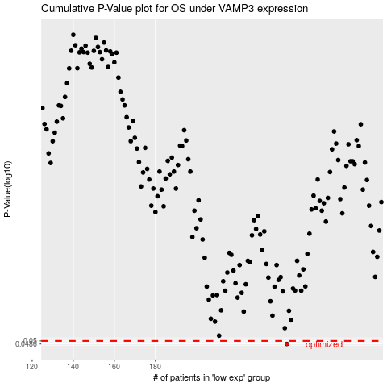

 |  |  |  |  |  | cases_OS | p_OS | rank | exp
 |  |  |  |  |  | 244 | 0.0486 | 213 | 0.19089542048
 |  |  |  |  |  |  | cases_RFS | p_RFS | rank | exp
 |  |  |  |  |  |  | 243 | 0.0486 | 305 | 0.18530128265

