VAMP7 _multivariate
Reported by Tex Li-Hsing Chi. tex@gate.sinica.edu.tw 2019-08-15

Table 2. The clinicopathological features of HNSCC cohort and VAMP7 expression. (Chi square test)
Cutoff at -0.173 (50.0%)
 |  | VAMP7 expression |  | VAMP7 expression |  | (Optimised)
 | Features | Low | (%) | High | (%) | Case no | P-value | Remark | Matthews
Gender | Female | 157 | 37.8 | 149 | 35.9 | 415 | 0.3881 | 0 | 0
2 | Male | 50 | 12 | 59 | 14.2
Age at diagnosis | <=65y | 136 | 32.8 | 138 | 33.3 | 415 | 0.9719 | 0 | 0
4 | >65y | 71 | 17.1 | 70 | 16.9
Clinical T Status | T1+T2 | 69 | 16.6 | 80 | 19.3 | 415 | 0.3239 | 0 | 0
6 | T3+T4 | 138 | 33.3 | 128 | 30.8
Clinical N Status | N0 | 104 | 25.1 | 112 | 27 | 415 | 0.5243 | 0 | 0
8 | N1-3 | 103 | 24.8 | 96 | 23.1
Clinical M Status | M0 | 205 | 49.4 | 207 | 49.9 | 415 | 0.6232 | 0 | 0
10 | M1 | 2 | 0.5 | 1 | 0.2
Clinical Stage | Stage I+II | 43 | 10.4 | 59 | 14.2 | 415 | 0.0925 | 0 | 0
12 | Stage III+IV | 164 | 39.5 | 149 | 35.9
Surgical Margin status | Negative | 154 | 37.1 | 164 | 39.5 | 415 | 0.2984 | 0 | 0
14 | Positive | 53 | 12.8 | 44 | 10.6
Tobacco Exposure | Low | 69 | 16.6 | 92 | 22.2 | 415 | 0.0266 | 1 | 0
16 | High | 138 | 33.3 | 116 | 28

Table 3. Univariate/Multivariate Cox's proportional hazards regression analyses on OS time of VAMP7 gene expression in HNSCC

 |  | Univariate |  |  |  | Multivariate
 | Features | HR | CI95%(L) | CI95%(H) | P-value | HR | CI95%(L) | CI95%(H) | P-value
1 | Female | 1 |  |  |  | 1
Gender | Male | 1.157 | 0.843 | 1.587 | 0.367 | 1.195 | 0.857 | 1.665 | 0.293
11 | <=65y | 1 |  |  |  | 1
Age at diagnosis | >65y | 1.329 | 0.99 | 1.784 | 0.058 | 1.4 | 1.03 | 1.904 | 0.032
12 | T1+T2 | 1 |  |  |  | 1
Clinical T Status | T3+T4 | 1.409 | 1.028 | 1.931 | 0.033 | 2.193 | 1.16 | 4.148 | 0.016
13 | N0 | 1 |  |  |  | 1
Clinical N Status | N1-3 | 1.185 | 0.89 | 1.577 | 0.246 | 1.242 | 0.871 | 1.771 | 0.232
14 | M0 | 1 |  |  |  | 1
Clinical M Status | M1 | 4.097 | 1.009 | 16.644 | 0.049 | 9.47 | 2.066 | 43.411 | 0.004
15 | Stage I+II | 1 |  |  |  | 1
Clinical Stage | Stage III+IV | 1.245 | 0.882 | 1.759 | 0.213 | 0.517 | 0.241 | 1.111 | 0.091
16 | Negative | 1 |  |  |  | 1
Surgical Margin status | Positive | 1.591 | 1.155 | 2.191 | 0.004 | 1.664 | 1.205 | 2.3 | 0.002
17 | Low | 1 |  |  |  | 1
Tobacco Exposure | High | 1.364 | 1.008 | 1.844 | 0.044 | 1.489 | 1.08 | 2.051 | 0.015
18 | Low | 1 |  |  |  | 1
RNAseq(z-score) | High | 1.163 | 0.873 | 1.551 | 0.302 | 1.23 | 0.92 | 1.645 | 0.163

Table 4. Univariate/Multivariate Cox's proportional hazards regression analyses on RFS time of VAMP7 gene expression in HNSCC

 |  | Univariate |  |  |  | Multivariate
 | Features | HR | CI95%(L) | CI95%(H) | P-value | HR | CI95%(L) | CI95%(H) | P-value
1 | Female | 1 |  |  |  | 1
Gender | Male | 1.157 | 0.843 | 1.587 | 0.367 | 1.195 | 0.857 | 1.665 | 0.293
11 | <=65y | 1 |  |  |  | 1
Age at diagnosis | >65y | 1.329 | 0.99 | 1.784 | 0.058 | 1.4 | 1.03 | 1.904 | 0.032
12 | T1+T2 | 1 |  |  |  | 1
Clinical T Status | T3+T4 | 1.409 | 1.028 | 1.931 | 0.033 | 2.193 | 1.16 | 4.148 | 0.016
13 | N0 | 1 |  |  |  | 1
Clinical N Status | N1-3 | 1.185 | 0.89 | 1.577 | 0.246 | 1.242 | 0.871 | 1.771 | 0.232
14 | M0 | 1 |  |  |  | 1
Clinical M Status | M1 | 4.097 | 1.009 | 16.644 | 0.049 | 9.47 | 2.066 | 43.411 | 0.004
15 | Stage I+II | 1 |  |  |  | 1
Clinical Stage | Stage III+IV | 1.245 | 0.882 | 1.759 | 0.213 | 0.517 | 0.241 | 1.111 | 0.091
16 | Negative | 1 |  |  |  | 1
Surgical Margin status | Positive | 1.591 | 1.155 | 2.191 | 0.004 | 1.664 | 1.205 | 2.3 | 0.002
17 | Low | 1 |  |  |  | 1
Tobacco Exposure | High | 1.364 | 1.008 | 1.844 | 0.044 | 1.489 | 1.08 | 2.051 | 0.015
18 | Low | 1 |  |  |  | 1
RNAseq(z-score) | High | 1.163 | 0.873 | 1.551 | 0.302 | 1.23 | 0.92 | 1.645 | 0.163

Kaplan-Meier survival estimate: Cutoff at -0.173 (50.0%)



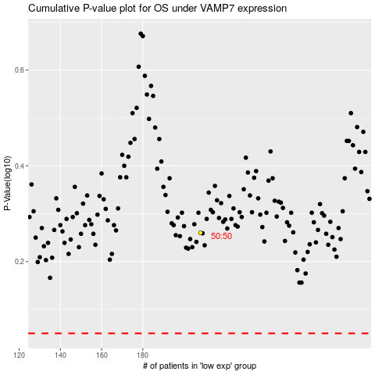

 |  |  |  |  |  | cases_OS | p_OS | rank | exp
 |  |  |  |  |  |  | cases_RFS | p_RFS | rank | exp

