VANGL2 _multivariate
Reported by Tex Li-Hsing Chi. tex@gate.sinica.edu.tw 2019-08-15

Table 2. The clinicopathological features of HNSCC cohort and VANGL2 expression. (Chi square test)
Cutoff at -0.192 (49.8%)
 |  | VANGL2 expression |  | VANGL2 expression |  | (Optimised)
 | Features | Low | (%) | High | (%) | Case no | P-value | Remark | Matthews
Gender | Female | 151 | 36.4 | 155 | 37.3 | 415 | 0.8007 | 0 | 0
2 | Male | 56 | 13.5 | 53 | 12.8
Age at diagnosis | <=65y | 136 | 32.8 | 138 | 33.3 | 415 | 0.9719 | 0 | 0
4 | >65y | 71 | 17.1 | 70 | 16.9
Clinical T Status | T1+T2 | 72 | 17.3 | 77 | 18.6 | 415 | 0.7095 | 0 | 0
6 | T3+T4 | 135 | 32.5 | 131 | 31.6
Clinical N Status | N0 | 100 | 24.1 | 116 | 28 | 415 | 0.1548 | 0 | 0
8 | N1-3 | 107 | 25.8 | 92 | 22.2
Clinical M Status | M0 | 204 | 49.2 | 208 | 50.1 | 415 | 0.1232 | 0 | 0
10 | M1 | 3 | 0.7 | 0 | 0
Clinical Stage | Stage I+II | 48 | 11.6 | 54 | 13 | 415 | 0.5878 | 0 | 0
12 | Stage III+IV | 159 | 38.3 | 154 | 37.1
Surgical Margin status | Negative | 161 | 38.8 | 157 | 37.8 | 415 | 0.6429 | 0 | 0
14 | Positive | 46 | 11.1 | 51 | 12.3
Tobacco Exposure | Low | 83 | 20 | 78 | 18.8 | 415 | 0.6152 | 0 | 0
16 | High | 124 | 29.9 | 130 | 31.3

Table 3. Univariate/Multivariate Cox's proportional hazards regression analyses on OS time of VANGL2 gene expression in HNSCC

 |  | Univariate |  |  |  | Multivariate
 | Features | HR | CI95%(L) | CI95%(H) | P-value | HR | CI95%(L) | CI95%(H) | P-value
1 | Female | 1 |  |  |  | 1
Gender | Male | 1.157 | 0.843 | 1.587 | 0.367 | 1.208 | 0.864 | 1.687 | 0.269
11 | <=65y | 1 |  |  |  | 1
Age at diagnosis | >65y | 1.329 | 0.99 | 1.784 | 0.058 | 1.397 | 1.027 | 1.9 | 0.033
12 | T1+T2 | 1 |  |  |  | 1
Clinical T Status | T3+T4 | 1.409 | 1.028 | 1.931 | 0.033 | 2.216 | 1.172 | 4.193 | 0.014
13 | N0 | 1 |  |  |  | 1
Clinical N Status | N1-3 | 1.185 | 0.89 | 1.577 | 0.246 | 1.246 | 0.873 | 1.778 | 0.226
14 | M0 | 1 |  |  |  | 1
Clinical M Status | M1 | 4.097 | 1.009 | 16.644 | 0.049 | 9.835 | 2.124 | 45.546 | 0.003
15 | Stage I+II | 1 |  |  |  | 1
Clinical Stage | Stage III+IV | 1.245 | 0.882 | 1.759 | 0.213 | 0.5 | 0.233 | 1.075 | 0.076
16 | Negative | 1 |  |  |  | 1
Surgical Margin status | Positive | 1.591 | 1.155 | 2.191 | 0.004 | 1.662 | 1.202 | 2.298 | 0.002
17 | Low | 1 |  |  |  | 1
Tobacco Exposure | High | 1.364 | 1.008 | 1.844 | 0.044 | 1.454 | 1.056 | 2.003 | 0.022
18 | Low | 1 |  |  |  | 1
RNAseq(z-score) | High | 1.052 | 0.789 | 1.404 | 0.728 | 1.078 | 0.805 | 1.444 | 0.614

Table 4. Univariate/Multivariate Cox's proportional hazards regression analyses on RFS time of VANGL2 gene expression in HNSCC

 |  | Univariate |  |  |  | Multivariate
 | Features | HR | CI95%(L) | CI95%(H) | P-value | HR | CI95%(L) | CI95%(H) | P-value
1 | Female | 1 |  |  |  | 1
Gender | Male | 1.157 | 0.843 | 1.587 | 0.367 | 1.208 | 0.864 | 1.687 | 0.269
11 | <=65y | 1 |  |  |  | 1
Age at diagnosis | >65y | 1.329 | 0.99 | 1.784 | 0.058 | 1.397 | 1.027 | 1.9 | 0.033
12 | T1+T2 | 1 |  |  |  | 1
Clinical T Status | T3+T4 | 1.409 | 1.028 | 1.931 | 0.033 | 2.216 | 1.172 | 4.193 | 0.014
13 | N0 | 1 |  |  |  | 1
Clinical N Status | N1-3 | 1.185 | 0.89 | 1.577 | 0.246 | 1.246 | 0.873 | 1.778 | 0.226
14 | M0 | 1 |  |  |  | 1
Clinical M Status | M1 | 4.097 | 1.009 | 16.644 | 0.049 | 9.835 | 2.124 | 45.546 | 0.003
15 | Stage I+II | 1 |  |  |  | 1
Clinical Stage | Stage III+IV | 1.245 | 0.882 | 1.759 | 0.213 | 0.5 | 0.233 | 1.075 | 0.076
16 | Negative | 1 |  |  |  | 1
Surgical Margin status | Positive | 1.591 | 1.155 | 2.191 | 0.004 | 1.662 | 1.202 | 2.298 | 0.002
17 | Low | 1 |  |  |  | 1
Tobacco Exposure | High | 1.364 | 1.008 | 1.844 | 0.044 | 1.454 | 1.056 | 2.003 | 0.022
18 | Low | 1 |  |  |  | 1
RNAseq(z-score) | High | 1.052 | 0.789 | 1.404 | 0.728 | 1.078 | 0.805 | 1.444 | 0.614

Kaplan-Meier survival estimate: Cutoff at -0.192 (49.8%)



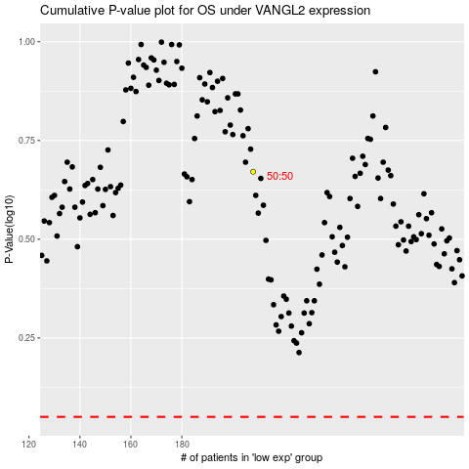

 |  |  |  |  |  | cases_OS | p_OS | rank | exp
 |  |  |  |  |  |  | cases_RFS | p_RFS | rank | exp

