VASH2 _multivariate
Reported by Tex Li-Hsing Chi. tex@gate.sinica.edu.tw 2019-08-15

Table 2. The clinicopathological features of HNSCC cohort and VASH2 expression. (Chi square test)
Cutoff at -0.446 (31.6%)
 |  | VASH2 expression |  | VASH2 expression |  | (Optimised)
 | Features | Low | (%) | High | (%) | Case no | P-value | Remark | Matthews
Gender | Female | 94 | 22.7 | 212 | 51.1 | 415 | 0.6155 | 0 | 0
2 | Male | 37 | 8.9 | 72 | 17.3
Age at diagnosis | <=65y | 80 | 19.3 | 194 | 46.7 | 415 | 0.1815 | 0 | 0
4 | >65y | 51 | 12.3 | 90 | 21.7
Clinical T Status | T1+T2 | 37 | 8.9 | 112 | 27 | 415 | 0.0358 | 1 | 0
6 | T3+T4 | 94 | 22.7 | 172 | 41.4
Clinical N Status | N0 | 73 | 17.6 | 143 | 34.5 | 415 | 0.3614 | 0 | 0
8 | N1-3 | 58 | 14 | 141 | 34
Clinical M Status | M0 | 128 | 30.8 | 284 | 68.4 | 415 | 0.031 | 1 | 0
10 | M1 | 3 | 0.7 | 0 | 0
Clinical Stage | Stage I+II | 26 | 6.3 | 76 | 18.3 | 415 | 0.1622 | 0 | 0
12 | Stage III+IV | 105 | 25.3 | 208 | 50.1
Surgical Margin status | Negative | 101 | 24.3 | 217 | 52.3 | 415 | 0.9014 | 0 | 0
14 | Positive | 30 | 7.2 | 67 | 16.1
Tobacco Exposure | Low | 60 | 14.5 | 101 | 24.3 | 415 | 0.0514 | 0 | 0
16 | High | 71 | 17.1 | 183 | 44.1

Table 3. Univariate/Multivariate Cox's proportional hazards regression analyses on OS time of VASH2 gene expression in HNSCC

 |  | Univariate |  |  |  | Multivariate
 | Features | HR | CI95%(L) | CI95%(H) | P-value | HR | CI95%(L) | CI95%(H) | P-value
1 | Female | 1 |  |  |  | 1
Gender | Male | 1.157 | 0.843 | 1.587 | 0.367 | 1.189 | 0.85 | 1.662 | 0.312
11 | <=65y | 1 |  |  |  | 1
Age at diagnosis | >65y | 1.329 | 0.99 | 1.784 | 0.058 | 1.355 | 0.995 | 1.844 | 0.054
12 | T1+T2 | 1 |  |  |  | 1
Clinical T Status | T3+T4 | 1.409 | 1.028 | 1.931 | 0.033 | 2.153 | 1.138 | 4.074 | 0.018
13 | N0 | 1 |  |  |  | 1
Clinical N Status | N1-3 | 1.185 | 0.89 | 1.577 | 0.246 | 1.264 | 0.886 | 1.804 | 0.197
14 | M0 | 1 |  |  |  | 1
Clinical M Status | M1 | 4.097 | 1.009 | 16.644 | 0.049 | 7.721 | 1.656 | 35.991 | 0.009
15 | Stage I+II | 1 |  |  |  | 1
Clinical Stage | Stage III+IV | 1.245 | 0.882 | 1.759 | 0.213 | 0.493 | 0.23 | 1.059 | 0.07
16 | Negative | 1 |  |  |  | 1
Surgical Margin status | Positive | 1.591 | 1.155 | 2.191 | 0.004 | 1.678 | 1.214 | 2.32 | 0.002
17 | Low | 1 |  |  |  | 1
Tobacco Exposure | High | 1.364 | 1.008 | 1.844 | 0.044 | 1.494 | 1.08 | 2.065 | 0.015
18 | Low | 1 |  |  |  | 1
RNAseq(z-score) | High | 0.732 | 0.543 | 0.986 | 0.04 | 0.77 | 0.565 | 1.048 | 0.097

Table 4. Univariate/Multivariate Cox's proportional hazards regression analyses on RFS time of VASH2 gene expression in HNSCC

 |  | Univariate |  |  |  | Multivariate
 | Features | HR | CI95%(L) | CI95%(H) | P-value | HR | CI95%(L) | CI95%(H) | P-value
1 | Female | 1 |  |  |  | 1
Gender | Male | 1.157 | 0.843 | 1.587 | 0.367 | 1.189 | 0.85 | 1.662 | 0.312
11 | <=65y | 1 |  |  |  | 1
Age at diagnosis | >65y | 1.329 | 0.99 | 1.784 | 0.058 | 1.355 | 0.995 | 1.844 | 0.054
12 | T1+T2 | 1 |  |  |  | 1
Clinical T Status | T3+T4 | 1.409 | 1.028 | 1.931 | 0.033 | 2.153 | 1.138 | 4.074 | 0.018
13 | N0 | 1 |  |  |  | 1
Clinical N Status | N1-3 | 1.185 | 0.89 | 1.577 | 0.246 | 1.264 | 0.886 | 1.804 | 0.197
14 | M0 | 1 |  |  |  | 1
Clinical M Status | M1 | 4.097 | 1.009 | 16.644 | 0.049 | 7.721 | 1.656 | 35.991 | 0.009
15 | Stage I+II | 1 |  |  |  | 1
Clinical Stage | Stage III+IV | 1.245 | 0.882 | 1.759 | 0.213 | 0.493 | 0.23 | 1.059 | 0.07
16 | Negative | 1 |  |  |  | 1
Surgical Margin status | Positive | 1.591 | 1.155 | 2.191 | 0.004 | 1.678 | 1.214 | 2.32 | 0.002
17 | Low | 1 |  |  |  | 1
Tobacco Exposure | High | 1.364 | 1.008 | 1.844 | 0.044 | 1.494 | 1.08 | 2.065 | 0.015
18 | Low | 1 |  |  |  | 1
RNAseq(z-score) | High | 0.732 | 0.543 | 0.986 | 0.04 | 0.77 | 0.565 | 1.048 | 0.097

Kaplan-Meier survival estimate: Cutoff at -0.446 (31.6%)



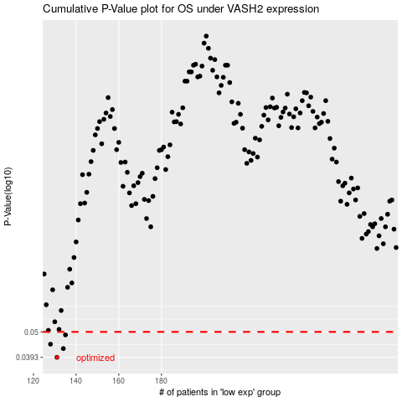

 |  |  |  |  |  | cases_OS | p_OS | rank | exp
 |  |  |  |  |  | 131 | 0.0393 | 400 | -0.44630815612
 |  |  |  |  |  | 134 | 0.0427 | 312 | -0.43888828584
 |  |  |  |  |  | 128 | 0.0445 | 182 | -0.45036300855
 |  |  |  |  |  | 135 | 0.0486 | 183 | -0.43515583033
 |  |  |  |  |  |  | cases_RFS | p_RFS | rank | exp
 |  |  |  |  |  |  | 130 | 0.0393 | 64 | -0.44706910767
 |  |  |  |  |  |  | 133 | 0.0427 | 99 | -0.44230308556
 |  |  |  |  |  |  | 127 | 0.0445 | 55 | -0.45147835965
 |  |  |  |  |  |  | 134 | 0.0486 | 312 | -0.43888828584

