VAV1 _multivariate
Reported by Tex Li-Hsing Chi. tex@gate.sinica.edu.tw 2019-08-15

Table 2. The clinicopathological features of HNSCC cohort and VAV1 expression. (Chi square test)
Cutoff at -0.359 (49.8%)
 |  | VAV1 expression |  | VAV1 expression |  | (Optimised)
 | Features | Low | (%) | High | (%) | Case no | P-value | Remark | Matthews
Gender | Female | 157 | 37.8 | 149 | 35.9 | 415 | 0.3881 | 0 | 0
2 | Male | 50 | 12 | 59 | 14.2
Age at diagnosis | <=65y | 145 | 34.9 | 129 | 31.1 | 415 | 0.1046 | 0 | 0
4 | >65y | 62 | 14.9 | 79 | 19
Clinical T Status | T1+T2 | 72 | 17.3 | 77 | 18.6 | 415 | 0.7095 | 0 | 0
6 | T3+T4 | 135 | 32.5 | 131 | 31.6
Clinical N Status | N0 | 118 | 28.4 | 98 | 23.6 | 415 | 0.0551 | 1 | 0
8 | N1-3 | 89 | 21.4 | 110 | 26.5
Clinical M Status | M0 | 206 | 49.6 | 206 | 49.6 | 415 | 1 | 0 | 0
10 | M1 | 1 | 0.2 | 2 | 0.5
Clinical Stage | Stage I+II | 54 | 13 | 48 | 11.6 | 415 | 0.5498 | 0 | 0
12 | Stage III+IV | 153 | 36.9 | 160 | 38.6
Surgical Margin status | Negative | 158 | 38.1 | 160 | 38.6 | 415 | 0.9081 | 0 | 0
14 | Positive | 49 | 11.8 | 48 | 11.6
Tobacco Exposure | Low | 81 | 19.5 | 80 | 19.3 | 415 | 0.9199 | 0 | 0
16 | High | 126 | 30.4 | 128 | 30.8

Table 3. Univariate/Multivariate Cox's proportional hazards regression analyses on OS time of VAV1 gene expression in HNSCC

 |  | Univariate |  |  |  | Multivariate
 | Features | HR | CI95%(L) | CI95%(H) | P-value | HR | CI95%(L) | CI95%(H) | P-value
1 | Female | 1 |  |  |  | 1
Gender | Male | 1.157 | 0.843 | 1.587 | 0.367 | 1.191 | 0.852 | 1.665 | 0.306
11 | <=65y | 1 |  |  |  | 1
Age at diagnosis | >65y | 1.329 | 0.99 | 1.784 | 0.058 | 1.443 | 1.06 | 1.964 | 0.02
12 | T1+T2 | 1 |  |  |  | 1
Clinical T Status | T3+T4 | 1.409 | 1.028 | 1.931 | 0.033 | 2.164 | 1.144 | 4.093 | 0.018
13 | N0 | 1 |  |  |  | 1
Clinical N Status | N1-3 | 1.185 | 0.89 | 1.577 | 0.246 | 1.285 | 0.899 | 1.837 | 0.168
14 | M0 | 1 |  |  |  | 1
Clinical M Status | M1 | 4.097 | 1.009 | 16.644 | 0.049 | 10.045 | 2.188 | 46.107 | 0.003
15 | Stage I+II | 1 |  |  |  | 1
Clinical Stage | Stage III+IV | 1.245 | 0.882 | 1.759 | 0.213 | 0.503 | 0.234 | 1.08 | 0.078
16 | Negative | 1 |  |  |  | 1
Surgical Margin status | Positive | 1.591 | 1.155 | 2.191 | 0.004 | 1.696 | 1.227 | 2.346 | 0.001
17 | Low | 1 |  |  |  | 1
Tobacco Exposure | High | 1.364 | 1.008 | 1.844 | 0.044 | 1.46 | 1.059 | 2.014 | 0.021
18 | Low | 1 |  |  |  | 1
RNAseq(z-score) | High | 0.782 | 0.587 | 1.043 | 0.095 | 0.734 | 0.549 | 0.982 | 0.037

Table 4. Univariate/Multivariate Cox's proportional hazards regression analyses on RFS time of VAV1 gene expression in HNSCC

 |  | Univariate |  |  |  | Multivariate
 | Features | HR | CI95%(L) | CI95%(H) | P-value | HR | CI95%(L) | CI95%(H) | P-value
1 | Female | 1 |  |  |  | 1
Gender | Male | 1.157 | 0.843 | 1.587 | 0.367 | 1.191 | 0.852 | 1.665 | 0.306
11 | <=65y | 1 |  |  |  | 1
Age at diagnosis | >65y | 1.329 | 0.99 | 1.784 | 0.058 | 1.443 | 1.06 | 1.964 | 0.02
12 | T1+T2 | 1 |  |  |  | 1
Clinical T Status | T3+T4 | 1.409 | 1.028 | 1.931 | 0.033 | 2.164 | 1.144 | 4.093 | 0.018
13 | N0 | 1 |  |  |  | 1
Clinical N Status | N1-3 | 1.185 | 0.89 | 1.577 | 0.246 | 1.285 | 0.899 | 1.837 | 0.168
14 | M0 | 1 |  |  |  | 1
Clinical M Status | M1 | 4.097 | 1.009 | 16.644 | 0.049 | 10.045 | 2.188 | 46.107 | 0.003
15 | Stage I+II | 1 |  |  |  | 1
Clinical Stage | Stage III+IV | 1.245 | 0.882 | 1.759 | 0.213 | 0.503 | 0.234 | 1.08 | 0.078
16 | Negative | 1 |  |  |  | 1
Surgical Margin status | Positive | 1.591 | 1.155 | 2.191 | 0.004 | 1.696 | 1.227 | 2.346 | 0.001
17 | Low | 1 |  |  |  | 1
Tobacco Exposure | High | 1.364 | 1.008 | 1.844 | 0.044 | 1.46 | 1.059 | 2.014 | 0.021
18 | Low | 1 |  |  |  | 1
RNAseq(z-score) | High | 0.782 | 0.587 | 1.043 | 0.095 | 0.734 | 0.549 | 0.982 | 0.037

Kaplan-Meier survival estimate: Cutoff at -0.359 (49.8%)



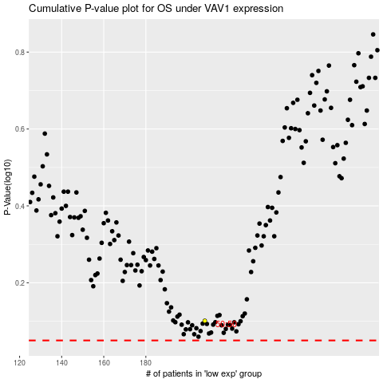

 |  |  |  |  |  | cases_OS | p_OS | rank | exp
 |  |  |  |  |  |  | cases_RFS | p_RFS | rank | exp

