VAV2 _multivariate
Reported by Tex Li-Hsing Chi. tex@gate.sinica.edu.tw 2019-08-15

Table 2. The clinicopathological features of HNSCC cohort and VAV2 expression. (Chi square test)
Cutoff at 0.367 (69.8%)
 |  | VAV2 expression |  | VAV2 expression |  | (Optimised)
 | Features | Low | (%) | High | (%) | Case no | P-value | Remark | Matthews
Gender | Female | 214 | 51.6 | 92 | 22.2 | 415 | 1 | 0 | 0
2 | Male | 76 | 18.3 | 33 | 8
Age at diagnosis | <=65y | 188 | 45.3 | 86 | 20.7 | 415 | 0.5023 | 0 | 0
4 | >65y | 102 | 24.6 | 39 | 9.4
Clinical T Status | T1+T2 | 104 | 25.1 | 45 | 10.8 | 415 | 1 | 0 | 0
6 | T3+T4 | 186 | 44.8 | 80 | 19.3
Clinical N Status | N0 | 153 | 36.9 | 63 | 15.2 | 415 | 0.7383 | 0 | 0
8 | N1-3 | 137 | 33 | 62 | 14.9
Clinical M Status | M0 | 288 | 69.4 | 124 | 29.9 | 415 | 1 | 0 | 0
10 | M1 | 2 | 0.5 | 1 | 0.2
Clinical Stage | Stage I+II | 68 | 16.4 | 34 | 8.2 | 415 | 0.4901 | 0 | 0
12 | Stage III+IV | 222 | 53.5 | 91 | 21.9
Surgical Margin status | Negative | 227 | 54.7 | 91 | 21.9 | 415 | 0.2554 | 0 | 0
14 | Positive | 63 | 15.2 | 34 | 8.2
Tobacco Exposure | Low | 114 | 27.5 | 47 | 11.3 | 415 | 0.8263 | 0 | 0
16 | High | 176 | 42.4 | 78 | 18.8

Table 3. Univariate/Multivariate Cox's proportional hazards regression analyses on OS time of VAV2 gene expression in HNSCC

 |  | Univariate |  |  |  | Multivariate
 | Features | HR | CI95%(L) | CI95%(H) | P-value | HR | CI95%(L) | CI95%(H) | P-value
1 | Female | 1 |  |  |  | 1
Gender | Male | 1.157 | 0.843 | 1.587 | 0.367 | 1.225 | 0.875 | 1.715 | 0.236
11 | <=65y | 1 |  |  |  | 1
Age at diagnosis | >65y | 1.329 | 0.99 | 1.784 | 0.058 | 1.373 | 1.009 | 1.868 | 0.044
12 | T1+T2 | 1 |  |  |  | 1
Clinical T Status | T3+T4 | 1.409 | 1.028 | 1.931 | 0.033 | 2.13 | 1.125 | 4.035 | 0.02
13 | N0 | 1 |  |  |  | 1
Clinical N Status | N1-3 | 1.185 | 0.89 | 1.577 | 0.246 | 1.21 | 0.847 | 1.728 | 0.296
14 | M0 | 1 |  |  |  | 1
Clinical M Status | M1 | 4.097 | 1.009 | 16.644 | 0.049 | 9.472 | 2.066 | 43.422 | 0.004
15 | Stage I+II | 1 |  |  |  | 1
Clinical Stage | Stage III+IV | 1.245 | 0.882 | 1.759 | 0.213 | 0.534 | 0.248 | 1.151 | 0.109
16 | Negative | 1 |  |  |  | 1
Surgical Margin status | Positive | 1.591 | 1.155 | 2.191 | 0.004 | 1.619 | 1.169 | 2.243 | 0.004
17 | Low | 1 |  |  |  | 1
Tobacco Exposure | High | 1.364 | 1.008 | 1.844 | 0.044 | 1.471 | 1.065 | 2.03 | 0.019
18 | Low | 1 |  |  |  | 1
RNAseq(z-score) | High | 1.361 | 1.001 | 1.85 | 0.049 | 1.294 | 0.947 | 1.769 | 0.106

Table 4. Univariate/Multivariate Cox's proportional hazards regression analyses on RFS time of VAV2 gene expression in HNSCC

 |  | Univariate |  |  |  | Multivariate
 | Features | HR | CI95%(L) | CI95%(H) | P-value | HR | CI95%(L) | CI95%(H) | P-value
1 | Female | 1 |  |  |  | 1
Gender | Male | 1.157 | 0.843 | 1.587 | 0.367 | 1.225 | 0.875 | 1.715 | 0.236
11 | <=65y | 1 |  |  |  | 1
Age at diagnosis | >65y | 1.329 | 0.99 | 1.784 | 0.058 | 1.373 | 1.009 | 1.868 | 0.044
12 | T1+T2 | 1 |  |  |  | 1
Clinical T Status | T3+T4 | 1.409 | 1.028 | 1.931 | 0.033 | 2.13 | 1.125 | 4.035 | 0.02
13 | N0 | 1 |  |  |  | 1
Clinical N Status | N1-3 | 1.185 | 0.89 | 1.577 | 0.246 | 1.21 | 0.847 | 1.728 | 0.296
14 | M0 | 1 |  |  |  | 1
Clinical M Status | M1 | 4.097 | 1.009 | 16.644 | 0.049 | 9.472 | 2.066 | 43.422 | 0.004
15 | Stage I+II | 1 |  |  |  | 1
Clinical Stage | Stage III+IV | 1.245 | 0.882 | 1.759 | 0.213 | 0.534 | 0.248 | 1.151 | 0.109
16 | Negative | 1 |  |  |  | 1
Surgical Margin status | Positive | 1.591 | 1.155 | 2.191 | 0.004 | 1.619 | 1.169 | 2.243 | 0.004
17 | Low | 1 |  |  |  | 1
Tobacco Exposure | High | 1.364 | 1.008 | 1.844 | 0.044 | 1.471 | 1.065 | 2.03 | 0.019
18 | Low | 1 |  |  |  | 1
RNAseq(z-score) | High | 1.361 | 1.001 | 1.85 | 0.049 | 1.294 | 0.947 | 1.769 | 0.106

Kaplan-Meier survival estimate: Cutoff at 0.367 (69.8%)

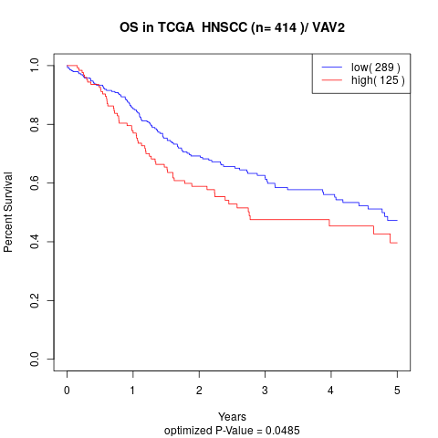

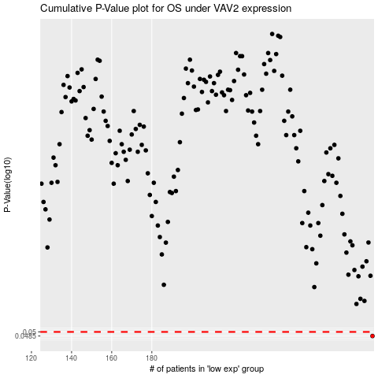

 |  |  |  |  |  | cases_OS | p_OS | rank | exp
 |  |  |  |  |  | 290 | 0.0485 | 21 | 0.36664008448
 |  |  |  |  |  |  | cases_RFS | p_RFS | rank | exp
 |  |  |  |  |  |  | 289 | 0.0485 | 272 | 0.36621421056

