VAV3 _multivariate
Reported by Tex Li-Hsing Chi. tex@gate.sinica.edu.tw 2019-08-15

Table 2. The clinicopathological features of HNSCC cohort and VAV3 expression. (Chi square test)
Cutoff at -0.27 (49.8%)
 |  | VAV3 expression |  | VAV3 expression |  | (Optimised)
 | Features | Low | (%) | High | (%) | Case no | P-value | Remark | Matthews
Gender | Female | 155 | 37.3 | 151 | 36.4 | 415 | 0.6768 | 0 | 0
2 | Male | 52 | 12.5 | 57 | 13.7
Age at diagnosis | <=65y | 141 | 34 | 133 | 32 | 415 | 0.4272 | 0 | 0
4 | >65y | 66 | 15.9 | 75 | 18.1
Clinical T Status | T1+T2 | 59 | 14.2 | 90 | 21.7 | 415 | 0.0024 | 1 | 0
6 | T3+T4 | 148 | 35.7 | 118 | 28.4
Clinical N Status | N0 | 99 | 23.9 | 117 | 28.2 | 415 | 0.1054 | 0 | 0
8 | N1-3 | 108 | 26 | 91 | 21.9
Clinical M Status | M0 | 205 | 49.4 | 207 | 49.9 | 415 | 0.6232 | 0 | 0
10 | M1 | 2 | 0.5 | 1 | 0.2
Clinical Stage | Stage I+II | 34 | 8.2 | 68 | 16.4 | 415 | 2e-04 | 1 | 0
12 | Stage III+IV | 173 | 41.7 | 140 | 33.7
Surgical Margin status | Negative | 152 | 36.6 | 166 | 40 | 415 | 0.1329 | 0 | 0
14 | Positive | 55 | 13.3 | 42 | 10.1
Tobacco Exposure | Low | 67 | 16.1 | 94 | 22.7 | 415 | 0.0088 | 1 | 0
16 | High | 140 | 33.7 | 114 | 27.5

Table 3. Univariate/Multivariate Cox's proportional hazards regression analyses on OS time of VAV3 gene expression in HNSCC

 |  | Univariate |  |  |  | Multivariate
 | Features | HR | CI95%(L) | CI95%(H) | P-value | HR | CI95%(L) | CI95%(H) | P-value
1 | Female | 1 |  |  |  | 1
Gender | Male | 1.157 | 0.843 | 1.587 | 0.367 | 1.21 | 0.865 | 1.691 | 0.266
11 | <=65y | 1 |  |  |  | 1
Age at diagnosis | >65y | 1.329 | 0.99 | 1.784 | 0.058 | 1.405 | 1.033 | 1.912 | 0.03
12 | T1+T2 | 1 |  |  |  | 1
Clinical T Status | T3+T4 | 1.409 | 1.028 | 1.931 | 0.033 | 2.196 | 1.161 | 4.152 | 0.016
13 | N0 | 1 |  |  |  | 1
Clinical N Status | N1-3 | 1.185 | 0.89 | 1.577 | 0.246 | 1.248 | 0.875 | 1.782 | 0.222
14 | M0 | 1 |  |  |  | 1
Clinical M Status | M1 | 4.097 | 1.009 | 16.644 | 0.049 | 9.296 | 2.028 | 42.616 | 0.004
15 | Stage I+II | 1 |  |  |  | 1
Clinical Stage | Stage III+IV | 1.245 | 0.882 | 1.759 | 0.213 | 0.489 | 0.227 | 1.052 | 0.067
16 | Negative | 1 |  |  |  | 1
Surgical Margin status | Positive | 1.591 | 1.155 | 2.191 | 0.004 | 1.662 | 1.202 | 2.297 | 0.002
17 | Low | 1 |  |  |  | 1
Tobacco Exposure | High | 1.364 | 1.008 | 1.844 | 0.044 | 1.445 | 1.048 | 1.993 | 0.025
18 | Low | 1 |  |  |  | 1
RNAseq(z-score) | High | 0.832 | 0.624 | 1.108 | 0.208 | 0.87 | 0.648 | 1.168 | 0.353

Table 4. Univariate/Multivariate Cox's proportional hazards regression analyses on RFS time of VAV3 gene expression in HNSCC

 |  | Univariate |  |  |  | Multivariate
 | Features | HR | CI95%(L) | CI95%(H) | P-value | HR | CI95%(L) | CI95%(H) | P-value
1 | Female | 1 |  |  |  | 1
Gender | Male | 1.157 | 0.843 | 1.587 | 0.367 | 1.21 | 0.865 | 1.691 | 0.266
11 | <=65y | 1 |  |  |  | 1
Age at diagnosis | >65y | 1.329 | 0.99 | 1.784 | 0.058 | 1.405 | 1.033 | 1.912 | 0.03
12 | T1+T2 | 1 |  |  |  | 1
Clinical T Status | T3+T4 | 1.409 | 1.028 | 1.931 | 0.033 | 2.196 | 1.161 | 4.152 | 0.016
13 | N0 | 1 |  |  |  | 1
Clinical N Status | N1-3 | 1.185 | 0.89 | 1.577 | 0.246 | 1.248 | 0.875 | 1.782 | 0.222
14 | M0 | 1 |  |  |  | 1
Clinical M Status | M1 | 4.097 | 1.009 | 16.644 | 0.049 | 9.296 | 2.028 | 42.616 | 0.004
15 | Stage I+II | 1 |  |  |  | 1
Clinical Stage | Stage III+IV | 1.245 | 0.882 | 1.759 | 0.213 | 0.489 | 0.227 | 1.052 | 0.067
16 | Negative | 1 |  |  |  | 1
Surgical Margin status | Positive | 1.591 | 1.155 | 2.191 | 0.004 | 1.662 | 1.202 | 2.297 | 0.002
17 | Low | 1 |  |  |  | 1
Tobacco Exposure | High | 1.364 | 1.008 | 1.844 | 0.044 | 1.445 | 1.048 | 1.993 | 0.025
18 | Low | 1 |  |  |  | 1
RNAseq(z-score) | High | 0.832 | 0.624 | 1.108 | 0.208 | 0.87 | 0.648 | 1.168 | 0.353

Kaplan-Meier survival estimate: Cutoff at -0.27 (49.8%)



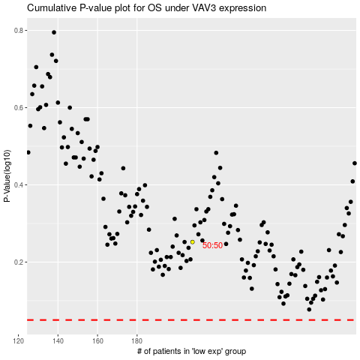

 |  |  |  |  |  | cases_OS | p_OS | rank | exp
 |  |  |  |  |  |  | cases_RFS | p_RFS | rank | exp

