VAX1 _multivariate
Reported by Tex Li-Hsing Chi. tex@gate.sinica.edu.tw 2019-08-15

Table 2. The clinicopathological features of HNSCC cohort and VAX1 expression. (Chi square test)
Cutoff at -0.444 (30.2%)
 |  | VAX1 expression |  | VAX1 expression |  | (Optimised)
 | Features | Low | (%) | High | (%) | Case no | P-value | Remark | Matthews
Gender | Female | 95 | 22.9 | 211 | 50.8 | 415 | 0.5708 | 0 | 0
2 | Male | 30 | 7.2 | 79 | 19
Age at diagnosis | <=65y | 83 | 20 | 191 | 46 | 415 | 1 | 0 | 0
4 | >65y | 42 | 10.1 | 99 | 23.9
Clinical T Status | T1+T2 | 57 | 13.7 | 92 | 22.2 | 415 | 0.0095 | 1 | 0
6 | T3+T4 | 68 | 16.4 | 198 | 47.7
Clinical N Status | N0 | 74 | 17.8 | 142 | 34.2 | 415 | 0.0707 | 0 | 0
8 | N1-3 | 51 | 12.3 | 148 | 35.7
Clinical M Status | M0 | 125 | 30.1 | 287 | 69.2 | 415 | 0.5571 | 0 | 0
10 | M1 | 0 | 0 | 3 | 0.7
Clinical Stage | Stage I+II | 39 | 9.4 | 63 | 15.2 | 415 | 0.0533 | 0 | 0
12 | Stage III+IV | 86 | 20.7 | 227 | 54.7
Surgical Margin status | Negative | 98 | 23.6 | 220 | 53 | 415 | 0.6148 | 0 | 0
14 | Positive | 27 | 6.5 | 70 | 16.9
Tobacco Exposure | Low | 55 | 13.3 | 106 | 25.5 | 415 | 0.1556 | 0 | 0
16 | High | 70 | 16.9 | 184 | 44.3

Table 3. Univariate/Multivariate Cox's proportional hazards regression analyses on OS time of VAX1 gene expression in HNSCC

 |  | Univariate |  |  |  | Multivariate
 | Features | HR | CI95%(L) | CI95%(H) | P-value | HR | CI95%(L) | CI95%(H) | P-value
1 | Female | 1 |  |  |  | 1
Gender | Male | 1.157 | 0.843 | 1.587 | 0.367 | 1.209 | 0.866 | 1.688 | 0.265
11 | <=65y | 1 |  |  |  | 1
Age at diagnosis | >65y | 1.329 | 0.99 | 1.784 | 0.058 | 1.379 | 1.014 | 1.875 | 0.04
12 | T1+T2 | 1 |  |  |  | 1
Clinical T Status | T3+T4 | 1.409 | 1.028 | 1.931 | 0.033 | 2.019 | 1.063 | 3.833 | 0.032
13 | N0 | 1 |  |  |  | 1
Clinical N Status | N1-3 | 1.185 | 0.89 | 1.577 | 0.246 | 1.183 | 0.825 | 1.695 | 0.36
14 | M0 | 1 |  |  |  | 1
Clinical M Status | M1 | 4.097 | 1.009 | 16.644 | 0.049 | 8.134 | 1.766 | 37.463 | 0.007
15 | Stage I+II | 1 |  |  |  | 1
Clinical Stage | Stage III+IV | 1.245 | 0.882 | 1.759 | 0.213 | 0.532 | 0.248 | 1.143 | 0.106
16 | Negative | 1 |  |  |  | 1
Surgical Margin status | Positive | 1.591 | 1.155 | 2.191 | 0.004 | 1.642 | 1.188 | 2.27 | 0.003
17 | Low | 1 |  |  |  | 1
Tobacco Exposure | High | 1.364 | 1.008 | 1.844 | 0.044 | 1.455 | 1.056 | 2.004 | 0.022
18 | Low | 1 |  |  |  | 1
RNAseq(z-score) | High | 1.609 | 1.15 | 2.253 | 0.006 | 1.451 | 1.028 | 2.048 | 0.034

Table 4. Univariate/Multivariate Cox's proportional hazards regression analyses on RFS time of VAX1 gene expression in HNSCC

 |  | Univariate |  |  |  | Multivariate
 | Features | HR | CI95%(L) | CI95%(H) | P-value | HR | CI95%(L) | CI95%(H) | P-value
1 | Female | 1 |  |  |  | 1
Gender | Male | 1.157 | 0.843 | 1.587 | 0.367 | 1.209 | 0.866 | 1.688 | 0.265
11 | <=65y | 1 |  |  |  | 1
Age at diagnosis | >65y | 1.329 | 0.99 | 1.784 | 0.058 | 1.379 | 1.014 | 1.875 | 0.04
12 | T1+T2 | 1 |  |  |  | 1
Clinical T Status | T3+T4 | 1.409 | 1.028 | 1.931 | 0.033 | 2.019 | 1.063 | 3.833 | 0.032
13 | N0 | 1 |  |  |  | 1
Clinical N Status | N1-3 | 1.185 | 0.89 | 1.577 | 0.246 | 1.183 | 0.825 | 1.695 | 0.36
14 | M0 | 1 |  |  |  | 1
Clinical M Status | M1 | 4.097 | 1.009 | 16.644 | 0.049 | 8.134 | 1.766 | 37.463 | 0.007
15 | Stage I+II | 1 |  |  |  | 1
Clinical Stage | Stage III+IV | 1.245 | 0.882 | 1.759 | 0.213 | 0.532 | 0.248 | 1.143 | 0.106
16 | Negative | 1 |  |  |  | 1
Surgical Margin status | Positive | 1.591 | 1.155 | 2.191 | 0.004 | 1.642 | 1.188 | 2.27 | 0.003
17 | Low | 1 |  |  |  | 1
Tobacco Exposure | High | 1.364 | 1.008 | 1.844 | 0.044 | 1.455 | 1.056 | 2.004 | 0.022
18 | Low | 1 |  |  |  | 1
RNAseq(z-score) | High | 1.609 | 1.15 | 2.253 | 0.006 | 1.451 | 1.028 | 2.048 | 0.034

Kaplan-Meier survival estimate: Cutoff at -0.444 (30.2%)

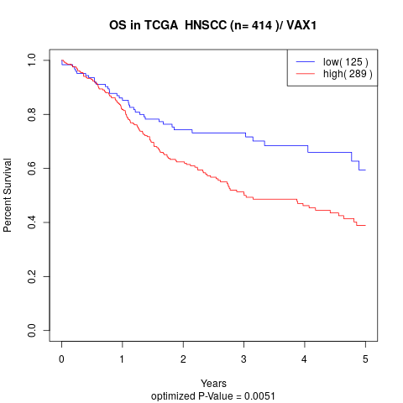

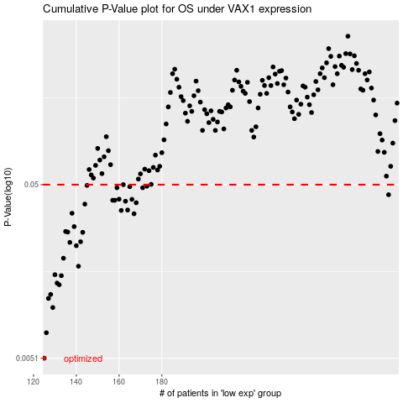

 |  |  |  |  |  | cases_OS | p_OS | rank | exp
 |  |  |  |  |  | 125 | 0.0051 | 176 | -0.44356827289
 |  |  |  |  |  | 126 | 0.00713 | 281 | -0.44248619935
 |  |  |  |  |  | 129 | 0.00993 | 274 | -0.44151637409
 |  |  |  |  |  | 127 | 0.0112 | 10 | -0.44210904508
 |  |  |  |  |  | 128 | 0.0118 | 171 | -0.44201924645
 |  |  |  |  |  | 132 | 0.0134 | 243 | -0.43769544219
 |  |  |  |  |  | 131 | 0.0137 | 13 | -0.43886282444
 |  |  |  |  |  | 133 | 0.0151 | 215 | -0.43616437546
 |  |  |  |  |  | 130 | 0.0153 | 331 | -0.43922650891
 |  |  |  |  |  | 141 | 0.0171 | 387 | -0.43158015516
 |  |  |  |  |  | 134 | 0.019 | 159 | -0.43606559697
 |  |  |  |  |  | 140 | 0.0224 | 193 | -0.43167444373
 |  |  |  |  |  | 137 | 0.0234 | 247 | -0.43512720123
 |  |  |  |  |  | 142 | 0.0236 | 256 | -0.43156668537
 |  |  |  |  |  | 143 | 0.0267 | 225 | -0.43153974578
 |  |  |  |  |  | 136 | 0.0268 | 104 | -0.43591293929
 |  |  |  |  |  | 135 | 0.027 | 306 | -0.43604314731
 |  |  |  |  |  | 139 | 0.0288 | 166 | -0.43314714134
 |  |  |  |  |  | 167 | 0.0341 | 55 | -0.40377400793
 |  |  |  |  |  | 138 | 0.0343 | 157 | -0.43400022837
 |  |  |  |  |  | 161 | 0.0356 | 85 | -0.41167628779
 |  |  |  |  |  | 164 | 0.0358 | 196 | -0.40895538916
 |  |  |  |  |  | 144 | 0.0387 | 181 | -0.4285719009
 |  |  |  |  |  | 168 | 0.0394 | 64 | -0.40266948473
 |  |  |  |  |  | 163 | 0.0402 | 360 | -0.40948969103
 |  |  |  |  |  | 157 | 0.0407 | 296 | -0.41439718642
 |  |  |  |  |  | 158 | 0.0407 | 330 | -0.41439718642
 |  |  |  |  |  | 166 | 0.0412 | 350 | -0.40525568541
 |  |  |  |  |  | 160 | 0.0413 | 317 | -0.4123722272
 |  |  |  |  |  | 286 | 0.0438 | 297 | -0.067936094082
 |  |  |  |  |  | 159 | 0.048 | 235 | -0.41434330724
 |  |  |  |  |  | 171 | 0.048 | 361 | -0.40101269992
 |  |  |  |  |  | 165 | 0.0487 | 17 | -0.4074198325
 |  |  |  |  |  | 173 | 0.049 | 265 | -0.39791464702
 |  |  |  |  |  | 145 | 0.0495 | 74 | -0.42648408264
 |  |  |  |  |  | 162 | 0.05 | 149 | -0.41014073113
 |  |  |  |  |  |  | cases_RFS | p_RFS | rank | exp
 |  |  |  |  |  |  |  | 0.0051 | 340 | -0.44357725276
 |  |  |  |  |  |  | 125 | 0.00713 | 176 | -0.44356827289
 |  |  |  |  |  |  | 128 | 0.00993 | 171 | -0.44201924645
 |  |  |  |  |  |  | 126 | 0.0112 | 281 | -0.44248619935
 |  |  |  |  |  |  | 127 | 0.0118 | 10 | -0.44210904508
 |  |  |  |  |  |  | 131 | 0.0134 | 13 | -0.43886282444
 |  |  |  |  |  |  | 130 | 0.0137 | 331 | -0.43922650891
 |  |  |  |  |  |  | 132 | 0.0151 | 243 | -0.43769544219
 |  |  |  |  |  |  | 129 | 0.0153 | 274 | -0.44151637409
 |  |  |  |  |  |  | 140 | 0.0171 | 193 | -0.43167444373
 |  |  |  |  |  |  | 133 | 0.019 | 215 | -0.43616437546
 |  |  |  |  |  |  | 139 | 0.0224 | 166 | -0.43314714134
 |  |  |  |  |  |  | 136 | 0.0234 | 104 | -0.43591293929
 |  |  |  |  |  |  | 141 | 0.0236 | 387 | -0.43158015516
 |  |  |  |  |  |  | 142 | 0.0267 | 256 | -0.43156668537
 |  |  |  |  |  |  | 135 | 0.0268 | 306 | -0.43604314731
 |  |  |  |  |  |  | 134 | 0.027 | 159 | -0.43606559697
 |  |  |  |  |  |  | 138 | 0.0288 | 157 | -0.43400022837
 |  |  |  |  |  |  | 166 | 0.0341 | 350 | -0.40525568541
 |  |  |  |  |  |  | 137 | 0.0343 | 247 | -0.43512720123
 |  |  |  |  |  |  | 160 | 0.0356 | 317 | -0.4123722272
 |  |  |  |  |  |  | 163 | 0.0358 | 360 | -0.40948969103
 |  |  |  |  |  |  | 143 | 0.0387 | 225 | -0.43153974578
 |  |  |  |  |  |  | 167 | 0.0394 | 55 | -0.40377400793
 |  |  |  |  |  |  | 162 | 0.0402 | 149 | -0.41014073113
 |  |  |  |  |  |  | 156 | 0.0407 | 219 | -0.41608989068
 |  |  |  |  |  |  | 157 | 0.0407 | 296 | -0.41439718642
 |  |  |  |  |  |  | 165 | 0.0412 | 17 | -0.4074198325
 |  |  |  |  |  |  | 159 | 0.0413 | 235 | -0.41434330724
 |  |  |  |  |  |  | 285 | 0.0438 | 6 | -0.073526059091
 |  |  |  |  |  |  | 170 | 0.048 | 174 | -0.40138087432
 |  |  |  |  |  |  | 158 | 0.048 | 330 | -0.41439718642
 |  |  |  |  |  |  | 164 | 0.0487 | 196 | -0.40895538916
 |  |  |  |  |  |  | 172 | 0.049 | 49 | -0.40098127039
 |  |  |  |  |  |  | 144 | 0.0495 | 181 | -0.4285719009
 |  |  |  |  |  |  | 161 | 0.05 | 85 | -0.41167628779

