VAX2 _multivariate
Reported by Tex Li-Hsing Chi. tex@gate.sinica.edu.tw 2019-08-15

Table 2. The clinicopathological features of HNSCC cohort and VAX2 expression. (Chi square test)
Cutoff at -0.253 (49.8%)
 |  | VAX2 expression |  | VAX2 expression |  | (Optimised)
 | Features | Low | (%) | High | (%) | Case no | P-value | Remark | Matthews
Gender | Female | 153 | 36.9 | 153 | 36.9 | 415 | 1 | 0 | 0
2 | Male | 54 | 13 | 55 | 13.3
Age at diagnosis | <=65y | 134 | 32.3 | 140 | 33.7 | 415 | 0.6529 | 0 | 0
4 | >65y | 73 | 17.6 | 68 | 16.4
Clinical T Status | T1+T2 | 79 | 19 | 70 | 16.9 | 415 | 0.3924 | 0 | 0
6 | T3+T4 | 128 | 30.8 | 138 | 33.3
Clinical N Status | N0 | 101 | 24.3 | 115 | 27.7 | 415 | 0.2201 | 0 | 0
8 | N1-3 | 106 | 25.5 | 93 | 22.4
Clinical M Status | M0 | 204 | 49.2 | 208 | 50.1 | 415 | 0.1232 | 0 | 0
10 | M1 | 3 | 0.7 | 0 | 0
Clinical Stage | Stage I+II | 51 | 12.3 | 51 | 12.3 | 415 | 1 | 0 | 0
12 | Stage III+IV | 156 | 37.6 | 157 | 37.8
Surgical Margin status | Negative | 164 | 39.5 | 154 | 37.1 | 415 | 0.2462 | 0 | 0
14 | Positive | 43 | 10.4 | 54 | 13
Tobacco Exposure | Low | 85 | 20.5 | 76 | 18.3 | 415 | 0.3655 | 0 | 0
16 | High | 122 | 29.4 | 132 | 31.8

Table 3. Univariate/Multivariate Cox's proportional hazards regression analyses on OS time of VAX2 gene expression in HNSCC

 |  | Univariate |  |  |  | Multivariate
 | Features | HR | CI95%(L) | CI95%(H) | P-value | HR | CI95%(L) | CI95%(H) | P-value
1 | Female | 1 |  |  |  | 1
Gender | Male | 1.157 | 0.843 | 1.587 | 0.367 | 1.202 | 0.86 | 1.679 | 0.281
11 | <=65y | 1 |  |  |  | 1
Age at diagnosis | >65y | 1.329 | 0.99 | 1.784 | 0.058 | 1.38 | 1.014 | 1.877 | 0.04
12 | T1+T2 | 1 |  |  |  | 1
Clinical T Status | T3+T4 | 1.409 | 1.028 | 1.931 | 0.033 | 2.242 | 1.184 | 4.245 | 0.013
13 | N0 | 1 |  |  |  | 1
Clinical N Status | N1-3 | 1.185 | 0.89 | 1.577 | 0.246 | 1.24 | 0.869 | 1.768 | 0.235
14 | M0 | 1 |  |  |  | 1
Clinical M Status | M1 | 4.097 | 1.009 | 16.644 | 0.049 | 8.986 | 1.953 | 41.336 | 0.005
15 | Stage I+II | 1 |  |  |  | 1
Clinical Stage | Stage III+IV | 1.245 | 0.882 | 1.759 | 0.213 | 0.495 | 0.23 | 1.063 | 0.071
16 | Negative | 1 |  |  |  | 1
Surgical Margin status | Positive | 1.591 | 1.155 | 2.191 | 0.004 | 1.699 | 1.227 | 2.353 | 0.001
17 | Low | 1 |  |  |  | 1
Tobacco Exposure | High | 1.364 | 1.008 | 1.844 | 0.044 | 1.477 | 1.069 | 2.041 | 0.018
18 | Low | 1 |  |  |  | 1
RNAseq(z-score) | High | 0.922 | 0.692 | 1.228 | 0.58 | 0.88 | 0.656 | 1.18 | 0.392

Table 4. Univariate/Multivariate Cox's proportional hazards regression analyses on RFS time of VAX2 gene expression in HNSCC

 |  | Univariate |  |  |  | Multivariate
 | Features | HR | CI95%(L) | CI95%(H) | P-value | HR | CI95%(L) | CI95%(H) | P-value
1 | Female | 1 |  |  |  | 1
Gender | Male | 1.157 | 0.843 | 1.587 | 0.367 | 1.202 | 0.86 | 1.679 | 0.281
11 | <=65y | 1 |  |  |  | 1
Age at diagnosis | >65y | 1.329 | 0.99 | 1.784 | 0.058 | 1.38 | 1.014 | 1.877 | 0.04
12 | T1+T2 | 1 |  |  |  | 1
Clinical T Status | T3+T4 | 1.409 | 1.028 | 1.931 | 0.033 | 2.242 | 1.184 | 4.245 | 0.013
13 | N0 | 1 |  |  |  | 1
Clinical N Status | N1-3 | 1.185 | 0.89 | 1.577 | 0.246 | 1.24 | 0.869 | 1.768 | 0.235
14 | M0 | 1 |  |  |  | 1
Clinical M Status | M1 | 4.097 | 1.009 | 16.644 | 0.049 | 8.986 | 1.953 | 41.336 | 0.005
15 | Stage I+II | 1 |  |  |  | 1
Clinical Stage | Stage III+IV | 1.245 | 0.882 | 1.759 | 0.213 | 0.495 | 0.23 | 1.063 | 0.071
16 | Negative | 1 |  |  |  | 1
Surgical Margin status | Positive | 1.591 | 1.155 | 2.191 | 0.004 | 1.699 | 1.227 | 2.353 | 0.001
17 | Low | 1 |  |  |  | 1
Tobacco Exposure | High | 1.364 | 1.008 | 1.844 | 0.044 | 1.477 | 1.069 | 2.041 | 0.018
18 | Low | 1 |  |  |  | 1
RNAseq(z-score) | High | 0.922 | 0.692 | 1.228 | 0.58 | 0.88 | 0.656 | 1.18 | 0.392

Kaplan-Meier survival estimate: Cutoff at -0.253 (49.8%)



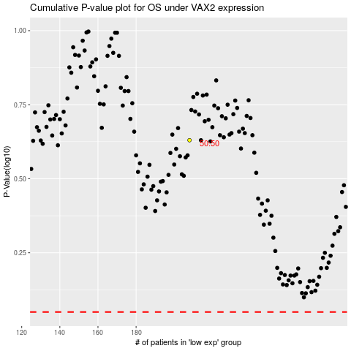

 |  |  |  |  |  | cases_OS | p_OS | rank | exp
 |  |  |  |  |  |  | cases_RFS | p_RFS | rank | exp

