VCAM1 _multivariate
Reported by Tex Li-Hsing Chi. tex@gate.sinica.edu.tw 2019-08-15

Table 2. The clinicopathological features of HNSCC cohort and VCAM1 expression. (Chi square test)
Cutoff at -0.279 (30.7%)
 |  | VCAM1 expression |  | VCAM1 expression |  | (Optimised)
 | Features | Low | (%) | High | (%) | Case no | P-value | Remark | Matthews
Gender | Female | 100 | 24.1 | 206 | 49.6 | 415 | 0.2163 | 0 | 0
2 | Male | 28 | 6.7 | 81 | 19.5
Age at diagnosis | <=65y | 89 | 21.4 | 185 | 44.6 | 415 | 0.3707 | 0 | 0
4 | >65y | 39 | 9.4 | 102 | 24.6
Clinical T Status | T1+T2 | 41 | 9.9 | 108 | 26 | 415 | 0.3234 | 0 | 0
6 | T3+T4 | 87 | 21 | 179 | 43.1
Clinical N Status | N0 | 67 | 16.1 | 149 | 35.9 | 415 | 1 | 0 | 0
8 | N1-3 | 61 | 14.7 | 138 | 33.3
Clinical M Status | M0 | 125 | 30.1 | 287 | 69.2 | 415 | 0.0289 | 1 | 0
10 | M1 | 3 | 0.7 | 0 | 0
Clinical Stage | Stage I+II | 28 | 6.7 | 74 | 17.8 | 415 | 0.4649 | 0 | 0
12 | Stage III+IV | 100 | 24.1 | 213 | 51.3
Surgical Margin status | Negative | 93 | 22.4 | 225 | 54.2 | 415 | 0.2109 | 0 | 0
14 | Positive | 35 | 8.4 | 62 | 14.9
Tobacco Exposure | Low | 47 | 11.3 | 114 | 27.5 | 415 | 0.5869 | 0 | 0
16 | High | 81 | 19.5 | 173 | 41.7

Table 3. Univariate/Multivariate Cox's proportional hazards regression analyses on OS time of VCAM1 gene expression in HNSCC

 |  | Univariate |  |  |  | Multivariate
 | Features | HR | CI95%(L) | CI95%(H) | P-value | HR | CI95%(L) | CI95%(H) | P-value
1 | Female | 1 |  |  |  | 1
Gender | Male | 1.157 | 0.843 | 1.587 | 0.367 | 1.242 | 0.886 | 1.741 | 0.208
11 | <=65y | 1 |  |  |  | 1
Age at diagnosis | >65y | 1.329 | 0.99 | 1.784 | 0.058 | 1.39 | 1.024 | 1.885 | 0.034
12 | T1+T2 | 1 |  |  |  | 1
Clinical T Status | T3+T4 | 1.409 | 1.028 | 1.931 | 0.033 | 2.129 | 1.126 | 4.025 | 0.02
13 | N0 | 1 |  |  |  | 1
Clinical N Status | N1-3 | 1.185 | 0.89 | 1.577 | 0.246 | 1.263 | 0.885 | 1.801 | 0.198
14 | M0 | 1 |  |  |  | 1
Clinical M Status | M1 | 4.097 | 1.009 | 16.644 | 0.049 | 6.778 | 1.46 | 31.46 | 0.015
15 | Stage I+II | 1 |  |  |  | 1
Clinical Stage | Stage III+IV | 1.245 | 0.882 | 1.759 | 0.213 | 0.508 | 0.237 | 1.088 | 0.081
16 | Negative | 1 |  |  |  | 1
Surgical Margin status | Positive | 1.591 | 1.155 | 2.191 | 0.004 | 1.645 | 1.19 | 2.274 | 0.003
17 | Low | 1 |  |  |  | 1
Tobacco Exposure | High | 1.364 | 1.008 | 1.844 | 0.044 | 1.467 | 1.063 | 2.024 | 0.02
18 | Low | 1 |  |  |  | 1
RNAseq(z-score) | High | 0.615 | 0.457 | 0.828 | 0.001 | 0.627 | 0.464 | 0.848 | 0.002

Table 4. Univariate/Multivariate Cox's proportional hazards regression analyses on RFS time of VCAM1 gene expression in HNSCC

 |  | Univariate |  |  |  | Multivariate
 | Features | HR | CI95%(L) | CI95%(H) | P-value | HR | CI95%(L) | CI95%(H) | P-value
1 | Female | 1 |  |  |  | 1
Gender | Male | 1.157 | 0.843 | 1.587 | 0.367 | 1.242 | 0.886 | 1.741 | 0.208
11 | <=65y | 1 |  |  |  | 1
Age at diagnosis | >65y | 1.329 | 0.99 | 1.784 | 0.058 | 1.39 | 1.024 | 1.885 | 0.034
12 | T1+T2 | 1 |  |  |  | 1
Clinical T Status | T3+T4 | 1.409 | 1.028 | 1.931 | 0.033 | 2.129 | 1.126 | 4.025 | 0.02
13 | N0 | 1 |  |  |  | 1
Clinical N Status | N1-3 | 1.185 | 0.89 | 1.577 | 0.246 | 1.263 | 0.885 | 1.801 | 0.198
14 | M0 | 1 |  |  |  | 1
Clinical M Status | M1 | 4.097 | 1.009 | 16.644 | 0.049 | 6.778 | 1.46 | 31.46 | 0.015
15 | Stage I+II | 1 |  |  |  | 1
Clinical Stage | Stage III+IV | 1.245 | 0.882 | 1.759 | 0.213 | 0.508 | 0.237 | 1.088 | 0.081
16 | Negative | 1 |  |  |  | 1
Surgical Margin status | Positive | 1.591 | 1.155 | 2.191 | 0.004 | 1.645 | 1.19 | 2.274 | 0.003
17 | Low | 1 |  |  |  | 1
Tobacco Exposure | High | 1.364 | 1.008 | 1.844 | 0.044 | 1.467 | 1.063 | 2.024 | 0.02
18 | Low | 1 |  |  |  | 1
RNAseq(z-score) | High | 0.615 | 0.457 | 0.828 | 0.001 | 0.627 | 0.464 | 0.848 | 0.002

Kaplan-Meier survival estimate: Cutoff at -0.279 (30.7%)

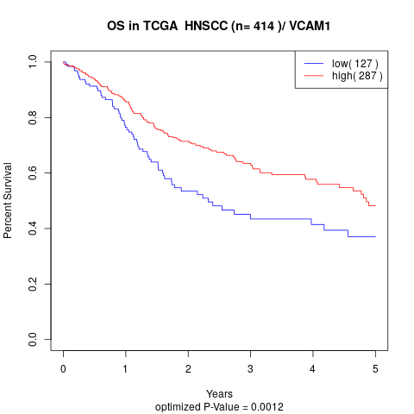

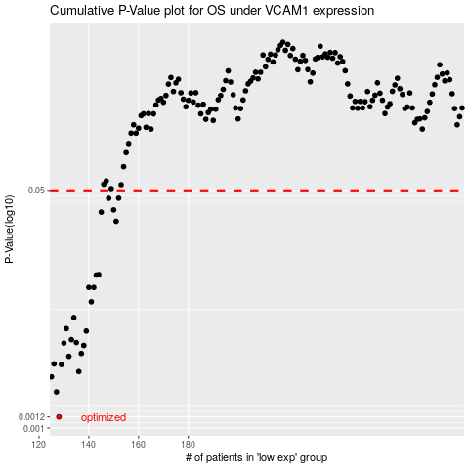

 |  |  |  |  |  | cases_OS | p_OS | rank | exp
 |  |  |  |  |  | 128 | 0.0012 | 177 | -0.27872503198
 |  |  |  |  |  | 127 | 0.00181 | 54 | -0.27874784746
 |  |  |  |  |  | 125 | 0.00232 | 299 | -0.27927997976
 |  |  |  |  |  | 136 | 0.00253 | 392 | -0.27648940382
 |  |  |  |  |  | 129 | 0.00284 | 129 | -0.27868609018
 |  |  |  |  |  | 126 | 0.00287 | 296 | -0.27883480664
 |  |  |  |  |  | 132 | 0.00325 | 157 | -0.27835593458
 |  |  |  |  |  | 137 | 0.00341 | 343 | -0.27636068255
 |  |  |  |  |  | 138 | 0.00389 | 311 | -0.27506479199
 |  |  |  |  |  | 130 | 0.00404 | 102 | -0.27847912373
 |  |  |  |  |  | 135 | 0.00408 | 210 | -0.27701021876
 |  |  |  |  |  | 133 | 0.00428 | 189 | -0.27830480765
 |  |  |  |  |  | 139 | 0.00493 | 219 | -0.27417827846
 |  |  |  |  |  | 131 | 0.00513 | 261 | -0.27842264546
 |  |  |  |  |  | 134 | 0.00616 | 114 | -0.27739537016
 |  |  |  |  |  | 141 | 0.00798 | 334 | -0.27225212372
 |  |  |  |  |  | 140 | 0.0101 | 4 | -0.27363482882
 |  |  |  |  |  | 142 | 0.0101 | 317 | -0.2719809051
 |  |  |  |  |  | 143 | 0.0124 | 342 | -0.27164872467
 |  |  |  |  |  | 144 | 0.0125 | 271 | -0.27016600748
 |  |  |  |  |  | 151 | 0.03 | 403 | -0.26804709625
 |  |  |  |  |  | 145 | 0.0349 | 183 | -0.26915865505
 |  |  |  |  |  | 150 | 0.0362 | 371 | -0.26825279718
 |  |  |  |  |  | 148 | 0.0438 | 5 | -0.26892399184
 |  |  |  |  |  | 152 | 0.0439 | 365 | -0.26761627772
 |  |  |  |  |  |  | cases_RFS | p_RFS | rank | exp
 |  |  |  |  |  |  | 127 | 0.0012 | 54 | -0.27874784746
 |  |  |  |  |  |  | 126 | 0.00181 | 296 | -0.27883480664
 |  |  |  |  |  |  |  | 0.00232 | 39 | -0.27945353653
 |  |  |  |  |  |  | 135 | 0.00253 | 210 | -0.27701021876
 |  |  |  |  |  |  | 128 | 0.00284 | 177 | -0.27872503198
 |  |  |  |  |  |  | 125 | 0.00287 | 299 | -0.27927997976
 |  |  |  |  |  |  | 131 | 0.00325 | 261 | -0.27842264546
 |  |  |  |  |  |  | 136 | 0.00341 | 392 | -0.27648940382
 |  |  |  |  |  |  | 137 | 0.00389 | 343 | -0.27636068255
 |  |  |  |  |  |  | 129 | 0.00404 | 129 | -0.27868609018
 |  |  |  |  |  |  | 134 | 0.00408 | 114 | -0.27739537016
 |  |  |  |  |  |  | 132 | 0.00428 | 157 | -0.27835593458
 |  |  |  |  |  |  | 138 | 0.00493 | 311 | -0.27506479199
 |  |  |  |  |  |  | 130 | 0.00513 | 102 | -0.27847912373
 |  |  |  |  |  |  | 133 | 0.00616 | 189 | -0.27830480765
 |  |  |  |  |  |  | 140 | 0.00798 | 4 | -0.27363482882
 |  |  |  |  |  |  | 139 | 0.0101 | 219 | -0.27417827846
 |  |  |  |  |  |  | 141 | 0.0101 | 334 | -0.27225212372
 |  |  |  |  |  |  | 142 | 0.0124 | 317 | -0.2719809051
 |  |  |  |  |  |  | 143 | 0.0125 | 342 | -0.27164872467
 |  |  |  |  |  |  | 150 | 0.03 | 371 | -0.26825279718
 |  |  |  |  |  |  | 144 | 0.0349 | 271 | -0.27016600748
 |  |  |  |  |  |  | 149 | 0.0362 | 43 | -0.26867786664
 |  |  |  |  |  |  | 147 | 0.0438 | 12 | -0.26895266486
 |  |  |  |  |  |  | 151 | 0.0439 | 403 | -0.26804709625

