VCP _multivariate
Reported by Tex Li-Hsing Chi. tex@gate.sinica.edu.tw 2019-08-15

Table 2. The clinicopathological features of HNSCC cohort and VCP expression. (Chi square test)
Cutoff at -0.206 (50.0%)
 |  | VCP expression |  | VCP expression |  | (Optimised)
 | Features | Low | (%) | High | (%) | Case no | P-value | Remark | Matthews
Gender | Female | 167 | 40.2 | 139 | 33.5 | 415 | 0.002 | 1 | 0
2 | Male | 40 | 9.6 | 69 | 16.6
Age at diagnosis | <=65y | 148 | 35.7 | 126 | 30.4 | 415 | 0.0248 | 1 | 0
4 | >65y | 59 | 14.2 | 82 | 19.8
Clinical T Status | T1+T2 | 67 | 16.1 | 82 | 19.8 | 415 | 0.1628 | 0 | 0
6 | T3+T4 | 140 | 33.7 | 126 | 30.4
Clinical N Status | N0 | 97 | 23.4 | 119 | 28.7 | 415 | 0.0442 | 1 | 0
8 | N1-3 | 110 | 26.5 | 89 | 21.4
Clinical M Status | M0 | 206 | 49.6 | 206 | 49.6 | 415 | 1 | 0 | 0
10 | M1 | 1 | 0.2 | 2 | 0.5
Clinical Stage | Stage I+II | 38 | 9.2 | 64 | 15.4 | 415 | 0.0048 | 1 | 0
12 | Stage III+IV | 169 | 40.7 | 144 | 34.7
Surgical Margin status | Negative | 155 | 37.3 | 163 | 39.3 | 415 | 0.4187 | 0 | 0
14 | Positive | 52 | 12.5 | 45 | 10.8
Tobacco Exposure | Low | 66 | 15.9 | 95 | 22.9 | 415 | 0.0048 | 1 | 0
16 | High | 141 | 34 | 113 | 27.2

Table 3. Univariate/Multivariate Cox's proportional hazards regression analyses on OS time of VCP gene expression in HNSCC

 |  | Univariate |  |  |  | Multivariate
 | Features | HR | CI95%(L) | CI95%(H) | P-value | HR | CI95%(L) | CI95%(H) | P-value
1 | Female | 1 |  |  |  | 1
Gender | Male | 1.157 | 0.843 | 1.587 | 0.367 | 1.192 | 0.853 | 1.667 | 0.304
11 | <=65y | 1 |  |  |  | 1
Age at diagnosis | >65y | 1.329 | 0.99 | 1.784 | 0.058 | 1.373 | 1.007 | 1.872 | 0.045
12 | T1+T2 | 1 |  |  |  | 1
Clinical T Status | T3+T4 | 1.409 | 1.028 | 1.931 | 0.033 | 2.169 | 1.145 | 4.108 | 0.017
13 | N0 | 1 |  |  |  | 1
Clinical N Status | N1-3 | 1.185 | 0.89 | 1.577 | 0.246 | 1.24 | 0.87 | 1.77 | 0.235
14 | M0 | 1 |  |  |  | 1
Clinical M Status | M1 | 4.097 | 1.009 | 16.644 | 0.049 | 8.895 | 1.926 | 41.078 | 0.005
15 | Stage I+II | 1 |  |  |  | 1
Clinical Stage | Stage III+IV | 1.245 | 0.882 | 1.759 | 0.213 | 0.523 | 0.242 | 1.129 | 0.099
16 | Negative | 1 |  |  |  | 1
Surgical Margin status | Positive | 1.591 | 1.155 | 2.191 | 0.004 | 1.672 | 1.21 | 2.311 | 0.002
17 | Low | 1 |  |  |  | 1
Tobacco Exposure | High | 1.364 | 1.008 | 1.844 | 0.044 | 1.473 | 1.066 | 2.036 | 0.019
18 | Low | 1 |  |  |  | 1
RNAseq(z-score) | High | 1.137 | 0.851 | 1.519 | 0.384 | 1.119 | 0.827 | 1.515 | 0.467

Table 4. Univariate/Multivariate Cox's proportional hazards regression analyses on RFS time of VCP gene expression in HNSCC

 |  | Univariate |  |  |  | Multivariate
 | Features | HR | CI95%(L) | CI95%(H) | P-value | HR | CI95%(L) | CI95%(H) | P-value
1 | Female | 1 |  |  |  | 1
Gender | Male | 1.157 | 0.843 | 1.587 | 0.367 | 1.192 | 0.853 | 1.667 | 0.304
11 | <=65y | 1 |  |  |  | 1
Age at diagnosis | >65y | 1.329 | 0.99 | 1.784 | 0.058 | 1.373 | 1.007 | 1.872 | 0.045
12 | T1+T2 | 1 |  |  |  | 1
Clinical T Status | T3+T4 | 1.409 | 1.028 | 1.931 | 0.033 | 2.169 | 1.145 | 4.108 | 0.017
13 | N0 | 1 |  |  |  | 1
Clinical N Status | N1-3 | 1.185 | 0.89 | 1.577 | 0.246 | 1.24 | 0.87 | 1.77 | 0.235
14 | M0 | 1 |  |  |  | 1
Clinical M Status | M1 | 4.097 | 1.009 | 16.644 | 0.049 | 8.895 | 1.926 | 41.078 | 0.005
15 | Stage I+II | 1 |  |  |  | 1
Clinical Stage | Stage III+IV | 1.245 | 0.882 | 1.759 | 0.213 | 0.523 | 0.242 | 1.129 | 0.099
16 | Negative | 1 |  |  |  | 1
Surgical Margin status | Positive | 1.591 | 1.155 | 2.191 | 0.004 | 1.672 | 1.21 | 2.311 | 0.002
17 | Low | 1 |  |  |  | 1
Tobacco Exposure | High | 1.364 | 1.008 | 1.844 | 0.044 | 1.473 | 1.066 | 2.036 | 0.019
18 | Low | 1 |  |  |  | 1
RNAseq(z-score) | High | 1.137 | 0.851 | 1.519 | 0.384 | 1.119 | 0.827 | 1.515 | 0.467

Kaplan-Meier survival estimate: Cutoff at -0.206 (50.0%)

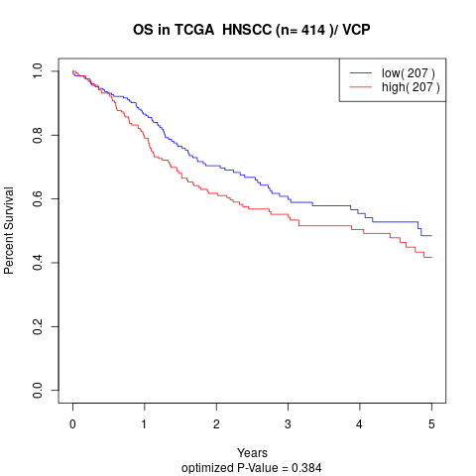

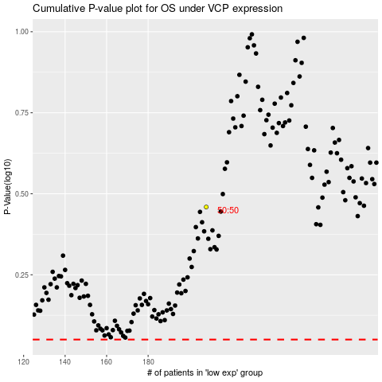

 |  |  |  |  |  | cases_OS | p_OS | rank | exp
 |  |  |  |  |  |  | cases_RFS | p_RFS | rank | exp

