VDR _multivariate
Reported by Tex Li-Hsing Chi. tex@gate.sinica.edu.tw 2019-08-15

Table 2. The clinicopathological features of HNSCC cohort and VDR expression. (Chi square test)
Cutoff at 0.442 (63.5%)
 |  | VDR expression |  | VDR expression |  | (Optimised)
 | Features | Low | (%) | High | (%) | Case no | P-value | Remark | Matthews
Gender | Female | 201 | 48.4 | 105 | 25.3 | 415 | 0.1278 | 0 | 0
2 | Male | 62 | 14.9 | 47 | 11.3
Age at diagnosis | <=65y | 178 | 42.9 | 96 | 23.1 | 415 | 0.4067 | 0 | 0
4 | >65y | 85 | 20.5 | 56 | 13.5
Clinical T Status | T1+T2 | 97 | 23.4 | 52 | 12.5 | 415 | 0.6597 | 0 | 0
6 | T3+T4 | 166 | 40 | 100 | 24.1
Clinical N Status | N0 | 133 | 32 | 83 | 20 | 415 | 0.4897 | 0 | 0
8 | N1-3 | 130 | 31.3 | 69 | 16.6
Clinical M Status | M0 | 262 | 63.1 | 150 | 36.1 | 415 | 0.5572 | 0 | 0
10 | M1 | 1 | 0.2 | 2 | 0.5
Clinical Stage | Stage I+II | 62 | 14.9 | 40 | 9.6 | 415 | 0.6124 | 0 | 0
12 | Stage III+IV | 201 | 48.4 | 112 | 27
Surgical Margin status | Negative | 200 | 48.2 | 118 | 28.4 | 415 | 0.8098 | 0 | 0
14 | Positive | 63 | 15.2 | 34 | 8.2
Tobacco Exposure | Low | 83 | 20 | 78 | 18.8 | 415 | 1e-04 | 1 | 0
16 | High | 180 | 43.4 | 74 | 17.8

Table 3. Univariate/Multivariate Cox's proportional hazards regression analyses on OS time of VDR gene expression in HNSCC

 |  | Univariate |  |  |  | Multivariate
 | Features | HR | CI95%(L) | CI95%(H) | P-value | HR | CI95%(L) | CI95%(H) | P-value
1 | Female | 1 |  |  |  | 1
Gender | Male | 1.157 | 0.843 | 1.587 | 0.367 | 1.222 | 0.874 | 1.709 | 0.242
11 | <=65y | 1 |  |  |  | 1
Age at diagnosis | >65y | 1.329 | 0.99 | 1.784 | 0.058 | 1.414 | 1.039 | 1.926 | 0.028
12 | T1+T2 | 1 |  |  |  | 1
Clinical T Status | T3+T4 | 1.409 | 1.028 | 1.931 | 0.033 | 2.053 | 1.082 | 3.896 | 0.028
13 | N0 | 1 |  |  |  | 1
Clinical N Status | N1-3 | 1.185 | 0.89 | 1.577 | 0.246 | 1.229 | 0.862 | 1.752 | 0.253
14 | M0 | 1 |  |  |  | 1
Clinical M Status | M1 | 4.097 | 1.009 | 16.644 | 0.049 | 8.24 | 1.788 | 37.974 | 0.007
15 | Stage I+II | 1 |  |  |  | 1
Clinical Stage | Stage III+IV | 1.245 | 0.882 | 1.759 | 0.213 | 0.541 | 0.251 | 1.163 | 0.116
16 | Negative | 1 |  |  |  | 1
Surgical Margin status | Positive | 1.591 | 1.155 | 2.191 | 0.004 | 1.675 | 1.212 | 2.315 | 0.002
17 | Low | 1 |  |  |  | 1
Tobacco Exposure | High | 1.364 | 1.008 | 1.844 | 0.044 | 1.571 | 1.129 | 2.188 | 0.007
18 | Low | 1 |  |  |  | 1
RNAseq(z-score) | High | 1.351 | 1.011 | 1.805 | 0.042 | 1.421 | 1.054 | 1.915 | 0.021

Table 4. Univariate/Multivariate Cox's proportional hazards regression analyses on RFS time of VDR gene expression in HNSCC

 |  | Univariate |  |  |  | Multivariate
 | Features | HR | CI95%(L) | CI95%(H) | P-value | HR | CI95%(L) | CI95%(H) | P-value
1 | Female | 1 |  |  |  | 1
Gender | Male | 1.157 | 0.843 | 1.587 | 0.367 | 1.222 | 0.874 | 1.709 | 0.242
11 | <=65y | 1 |  |  |  | 1
Age at diagnosis | >65y | 1.329 | 0.99 | 1.784 | 0.058 | 1.414 | 1.039 | 1.926 | 0.028
12 | T1+T2 | 1 |  |  |  | 1
Clinical T Status | T3+T4 | 1.409 | 1.028 | 1.931 | 0.033 | 2.053 | 1.082 | 3.896 | 0.028
13 | N0 | 1 |  |  |  | 1
Clinical N Status | N1-3 | 1.185 | 0.89 | 1.577 | 0.246 | 1.229 | 0.862 | 1.752 | 0.253
14 | M0 | 1 |  |  |  | 1
Clinical M Status | M1 | 4.097 | 1.009 | 16.644 | 0.049 | 8.24 | 1.788 | 37.974 | 0.007
15 | Stage I+II | 1 |  |  |  | 1
Clinical Stage | Stage III+IV | 1.245 | 0.882 | 1.759 | 0.213 | 0.541 | 0.251 | 1.163 | 0.116
16 | Negative | 1 |  |  |  | 1
Surgical Margin status | Positive | 1.591 | 1.155 | 2.191 | 0.004 | 1.675 | 1.212 | 2.315 | 0.002
17 | Low | 1 |  |  |  | 1
Tobacco Exposure | High | 1.364 | 1.008 | 1.844 | 0.044 | 1.571 | 1.129 | 2.188 | 0.007
18 | Low | 1 |  |  |  | 1
RNAseq(z-score) | High | 1.351 | 1.011 | 1.805 | 0.042 | 1.421 | 1.054 | 1.915 | 0.021

Kaplan-Meier survival estimate: Cutoff at 0.442 (63.5%)



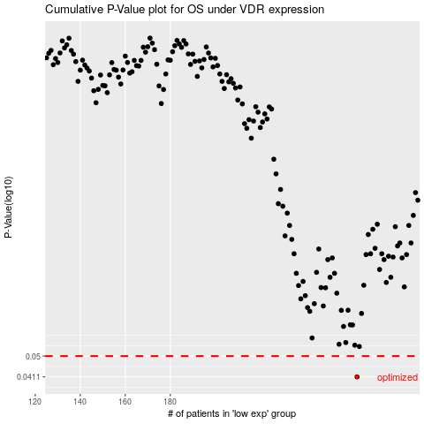

 |  |  |  |  |  | cases_OS | p_OS | rank | exp
 |  |  |  |  |  | 263 | 0.0411 | 138 | 0.44166806816
 |  |  |  |  |  |  | cases_RFS | p_RFS | rank | exp
 |  |  |  |  |  |  | 262 | 0.0411 | 321 | 0.43199264825

