VEGFA _multivariate
Reported by Tex Li-Hsing Chi. tex@gate.sinica.edu.tw 2019-08-15

Table 2. The clinicopathological features of HNSCC cohort and VEGFA expression. (Chi square test)
Cutoff at -0.219 (50.0%)
 |  | VEGFA expression |  | VEGFA expression |  | (Optimised)
 | Features | Low | (%) | High | (%) | Case no | P-value | Remark | Matthews
Gender | Female | 146 | 35.2 | 160 | 38.6 | 415 | 0.1714 | 0 | 0
2 | Male | 61 | 14.7 | 48 | 11.6
Age at diagnosis | <=65y | 140 | 33.7 | 134 | 32.3 | 415 | 0.5574 | 0 | 0
4 | >65y | 67 | 16.1 | 74 | 17.8
Clinical T Status | T1+T2 | 88 | 21.2 | 61 | 14.7 | 415 | 0.007 | 1 | 0
6 | T3+T4 | 119 | 28.7 | 147 | 35.4
Clinical N Status | N0 | 110 | 26.5 | 106 | 25.5 | 415 | 0.7294 | 0 | 0
8 | N1-3 | 97 | 23.4 | 102 | 24.6
Clinical M Status | M0 | 206 | 49.6 | 206 | 49.6 | 415 | 1 | 0 | 0
10 | M1 | 1 | 0.2 | 2 | 0.5
Clinical Stage | Stage I+II | 61 | 14.7 | 41 | 9.9 | 415 | 0.0282 | 1 | 0
12 | Stage III+IV | 146 | 35.2 | 167 | 40.2
Surgical Margin status | Negative | 162 | 39 | 156 | 37.6 | 415 | 0.4867 | 0 | 0
14 | Positive | 45 | 10.8 | 52 | 12.5
Tobacco Exposure | Low | 88 | 21.2 | 73 | 17.6 | 415 | 0.1314 | 0 | 0
16 | High | 119 | 28.7 | 135 | 32.5

Table 3. Univariate/Multivariate Cox's proportional hazards regression analyses on OS time of VEGFA gene expression in HNSCC

 |  | Univariate |  |  |  | Multivariate
 | Features | HR | CI95%(L) | CI95%(H) | P-value | HR | CI95%(L) | CI95%(H) | P-value
1 | Female | 1 |  |  |  | 1
Gender | Male | 1.157 | 0.843 | 1.587 | 0.367 | 1.22 | 0.872 | 1.707 | 0.247
11 | <=65y | 1 |  |  |  | 1
Age at diagnosis | >65y | 1.329 | 0.99 | 1.784 | 0.058 | 1.391 | 1.024 | 1.889 | 0.035
12 | T1+T2 | 1 |  |  |  | 1
Clinical T Status | T3+T4 | 1.409 | 1.028 | 1.931 | 0.033 | 2.198 | 1.163 | 4.155 | 0.015
13 | N0 | 1 |  |  |  | 1
Clinical N Status | N1-3 | 1.185 | 0.89 | 1.577 | 0.246 | 1.255 | 0.879 | 1.792 | 0.211
14 | M0 | 1 |  |  |  | 1
Clinical M Status | M1 | 4.097 | 1.009 | 16.644 | 0.049 | 9.344 | 2.038 | 42.833 | 0.004
15 | Stage I+II | 1 |  |  |  | 1
Clinical Stage | Stage III+IV | 1.245 | 0.882 | 1.759 | 0.213 | 0.492 | 0.229 | 1.058 | 0.069
16 | Negative | 1 |  |  |  | 1
Surgical Margin status | Positive | 1.591 | 1.155 | 2.191 | 0.004 | 1.665 | 1.205 | 2.301 | 0.002
17 | Low | 1 |  |  |  | 1
Tobacco Exposure | High | 1.364 | 1.008 | 1.844 | 0.044 | 1.449 | 1.052 | 1.996 | 0.023
18 | Low | 1 |  |  |  | 1
RNAseq(z-score) | High | 1.14 | 0.856 | 1.519 | 0.371 | 1.139 | 0.849 | 1.527 | 0.387

Table 4. Univariate/Multivariate Cox's proportional hazards regression analyses on RFS time of VEGFA gene expression in HNSCC

 |  | Univariate |  |  |  | Multivariate
 | Features | HR | CI95%(L) | CI95%(H) | P-value | HR | CI95%(L) | CI95%(H) | P-value
1 | Female | 1 |  |  |  | 1
Gender | Male | 1.157 | 0.843 | 1.587 | 0.367 | 1.22 | 0.872 | 1.707 | 0.247
11 | <=65y | 1 |  |  |  | 1
Age at diagnosis | >65y | 1.329 | 0.99 | 1.784 | 0.058 | 1.391 | 1.024 | 1.889 | 0.035
12 | T1+T2 | 1 |  |  |  | 1
Clinical T Status | T3+T4 | 1.409 | 1.028 | 1.931 | 0.033 | 2.198 | 1.163 | 4.155 | 0.015
13 | N0 | 1 |  |  |  | 1
Clinical N Status | N1-3 | 1.185 | 0.89 | 1.577 | 0.246 | 1.255 | 0.879 | 1.792 | 0.211
14 | M0 | 1 |  |  |  | 1
Clinical M Status | M1 | 4.097 | 1.009 | 16.644 | 0.049 | 9.344 | 2.038 | 42.833 | 0.004
15 | Stage I+II | 1 |  |  |  | 1
Clinical Stage | Stage III+IV | 1.245 | 0.882 | 1.759 | 0.213 | 0.492 | 0.229 | 1.058 | 0.069
16 | Negative | 1 |  |  |  | 1
Surgical Margin status | Positive | 1.591 | 1.155 | 2.191 | 0.004 | 1.665 | 1.205 | 2.301 | 0.002
17 | Low | 1 |  |  |  | 1
Tobacco Exposure | High | 1.364 | 1.008 | 1.844 | 0.044 | 1.449 | 1.052 | 1.996 | 0.023
18 | Low | 1 |  |  |  | 1
RNAseq(z-score) | High | 1.14 | 0.856 | 1.519 | 0.371 | 1.139 | 0.849 | 1.527 | 0.387

Kaplan-Meier survival estimate: Cutoff at -0.219 (50.0%)



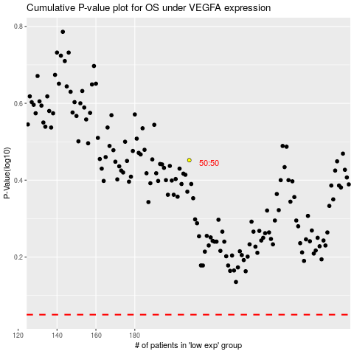

 |  |  |  |  |  | cases_OS | p_OS | rank | exp
 |  |  |  |  |  |  | cases_RFS | p_RFS | rank | exp

