VENTX _multivariate
Reported by Tex Li-Hsing Chi. tex@gate.sinica.edu.tw 2019-08-15

Table 2. The clinicopathological features of HNSCC cohort and VENTX expression. (Chi square test)
Cutoff at -0.275 (50.0%)
 |  | VENTX expression |  | VENTX expression |  | (Optimised)
 | Features | Low | (%) | High | (%) | Case no | P-value | Remark | Matthews
Gender | Female | 159 | 38.3 | 147 | 35.4 | 415 | 0.1905 | 0 | 0
2 | Male | 48 | 11.6 | 61 | 14.7
Age at diagnosis | <=65y | 145 | 34.9 | 129 | 31.1 | 415 | 0.1046 | 0 | 0
4 | >65y | 62 | 14.9 | 79 | 19
Clinical T Status | T1+T2 | 74 | 17.8 | 75 | 18.1 | 415 | 1 | 0 | 0
6 | T3+T4 | 133 | 32 | 133 | 32
Clinical N Status | N0 | 109 | 26.3 | 107 | 25.8 | 415 | 0.8812 | 0 | 0
8 | N1-3 | 98 | 23.6 | 101 | 24.3
Clinical M Status | M0 | 206 | 49.6 | 206 | 49.6 | 415 | 1 | 0 | 0
10 | M1 | 1 | 0.2 | 2 | 0.5
Clinical Stage | Stage I+II | 53 | 12.8 | 49 | 11.8 | 415 | 0.7113 | 0 | 0
12 | Stage III+IV | 154 | 37.1 | 159 | 38.3
Surgical Margin status | Negative | 165 | 39.8 | 153 | 36.9 | 415 | 0.1639 | 0 | 0
14 | Positive | 42 | 10.1 | 55 | 13.3
Tobacco Exposure | Low | 81 | 19.5 | 80 | 19.3 | 415 | 0.9199 | 0 | 0
16 | High | 126 | 30.4 | 128 | 30.8

Table 3. Univariate/Multivariate Cox's proportional hazards regression analyses on OS time of VENTX gene expression in HNSCC

 |  | Univariate |  |  |  | Multivariate
 | Features | HR | CI95%(L) | CI95%(H) | P-value | HR | CI95%(L) | CI95%(H) | P-value
1 | Female | 1 |  |  |  | 1
Gender | Male | 1.157 | 0.843 | 1.587 | 0.367 | 1.195 | 0.855 | 1.672 | 0.297
11 | <=65y | 1 |  |  |  | 1
Age at diagnosis | >65y | 1.329 | 0.99 | 1.784 | 0.058 | 1.387 | 1.02 | 1.887 | 0.037
12 | T1+T2 | 1 |  |  |  | 1
Clinical T Status | T3+T4 | 1.409 | 1.028 | 1.931 | 0.033 | 2.21 | 1.169 | 4.179 | 0.015
13 | N0 | 1 |  |  |  | 1
Clinical N Status | N1-3 | 1.185 | 0.89 | 1.577 | 0.246 | 1.245 | 0.872 | 1.777 | 0.228
14 | M0 | 1 |  |  |  | 1
Clinical M Status | M1 | 4.097 | 1.009 | 16.644 | 0.049 | 9.356 | 2.041 | 42.895 | 0.004
15 | Stage I+II | 1 |  |  |  | 1
Clinical Stage | Stage III+IV | 1.245 | 0.882 | 1.759 | 0.213 | 0.5 | 0.233 | 1.075 | 0.076
16 | Negative | 1 |  |  |  | 1
Surgical Margin status | Positive | 1.591 | 1.155 | 2.191 | 0.004 | 1.654 | 1.192 | 2.294 | 0.003
17 | Low | 1 |  |  |  | 1
Tobacco Exposure | High | 1.364 | 1.008 | 1.844 | 0.044 | 1.445 | 1.048 | 1.993 | 0.025
18 | Low | 1 |  |  |  | 1
RNAseq(z-score) | High | 1.17 | 0.879 | 1.559 | 0.282 | 1.063 | 0.793 | 1.424 | 0.684

Table 4. Univariate/Multivariate Cox's proportional hazards regression analyses on RFS time of VENTX gene expression in HNSCC

 |  | Univariate |  |  |  | Multivariate
 | Features | HR | CI95%(L) | CI95%(H) | P-value | HR | CI95%(L) | CI95%(H) | P-value
1 | Female | 1 |  |  |  | 1
Gender | Male | 1.157 | 0.843 | 1.587 | 0.367 | 1.195 | 0.855 | 1.672 | 0.297
11 | <=65y | 1 |  |  |  | 1
Age at diagnosis | >65y | 1.329 | 0.99 | 1.784 | 0.058 | 1.387 | 1.02 | 1.887 | 0.037
12 | T1+T2 | 1 |  |  |  | 1
Clinical T Status | T3+T4 | 1.409 | 1.028 | 1.931 | 0.033 | 2.21 | 1.169 | 4.179 | 0.015
13 | N0 | 1 |  |  |  | 1
Clinical N Status | N1-3 | 1.185 | 0.89 | 1.577 | 0.246 | 1.245 | 0.872 | 1.777 | 0.228
14 | M0 | 1 |  |  |  | 1
Clinical M Status | M1 | 4.097 | 1.009 | 16.644 | 0.049 | 9.356 | 2.041 | 42.895 | 0.004
15 | Stage I+II | 1 |  |  |  | 1
Clinical Stage | Stage III+IV | 1.245 | 0.882 | 1.759 | 0.213 | 0.5 | 0.233 | 1.075 | 0.076
16 | Negative | 1 |  |  |  | 1
Surgical Margin status | Positive | 1.591 | 1.155 | 2.191 | 0.004 | 1.654 | 1.192 | 2.294 | 0.003
17 | Low | 1 |  |  |  | 1
Tobacco Exposure | High | 1.364 | 1.008 | 1.844 | 0.044 | 1.445 | 1.048 | 1.993 | 0.025
18 | Low | 1 |  |  |  | 1
RNAseq(z-score) | High | 1.17 | 0.879 | 1.559 | 0.282 | 1.063 | 0.793 | 1.424 | 0.684

Kaplan-Meier survival estimate: Cutoff at -0.275 (50.0%)



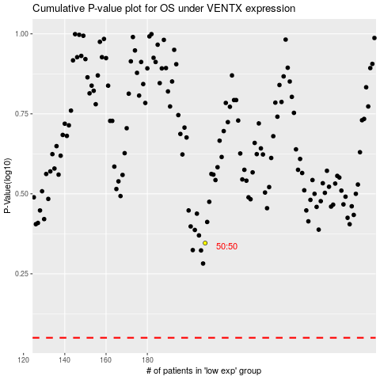

 |  |  |  |  |  | cases_OS | p_OS | rank | exp
 |  |  |  |  |  |  | cases_RFS | p_RFS | rank | exp

